Continuous - Finding Split
Finding best splits for Continuous Attributes

Sorted by increasing order | Finding best split point |  |  |  |  |  | Sorted by increasing order | Finding Best split point |  |  |  |  |  | Sorted by increasing order | Finding Best split point |  |  |  |  |  | Sorted by increasing order | Finding Best split point |  |  |  |  |  | Sorted by increasing order | Finding Best split point |  |  |  |  |  | Sorted by increasing order | Finding Best split point |  |  |  |  |  | Sorted by increasing order | Finding Best split point
0 | minimum | 0 |  | Categories: | Condition | Assign | 0 | minimum | 0 |  | Categories | Condition | Assign | 0 | minimum | 0 |  | Categories | Condition | Assign | 0 | minimum | 0 |  | Categories | Condition | Assign | 0 | minimum | 0 |  | Categories | Condition | Assign | 0.078 | minimum | 0.078 |  | Categories | Condition | Assign | 21 | minimum | 21 |  | Categories | Condition | Assign
0 | maximum | 199 |  |  |  |  | 0 | maximum | 122 |  |  |  |  | 0 | maximum | 99 |  |  |  |  | 0 | maximum | 846 |  |  |  |  | 0 | maximum | 67.1 |  |  |  |  | 0.084 | maximum | 2.42 |  |  |  |  | 21 | maximum | 81
0 |  | First split point | 99.5 | G1 | Glucose < 49.75 | 1 | 0 |  | first split point | 61 | B1 | BP <30.5 | 1 | 0 |  | first split point | 49.5 | S1 | ST < 24.75 | 1 | 0 |  | first split point | 423 | I1 | I 1< 211.5 | 1 | 0 |  | first split point | 33.55 | BMI1 | BMI < 16.775 | 1 | 0.085 |  | first split point | 1.249 | DP1 | DP 1< 0.6635 | 1 | 21 |  | first split point | 51 | Age1 | Age 1< 36 | 1
0 |  |  |  | G2 | Glucose >=49.75 and < 99.5 | 2 | 0 |  |  |  | B2 | BP >=30.5 and <61 | 2 | 0 |  |  |  | S2 | ST >=24.75 and < 49.5 | 2 | 0 |  |  |  | I2 | I2 >=211.5 and < 423 | 2 | 0 |  |  |  | BMI2 | BMI >=16.775 and < 33.55 | 2 | 0.085 |  |  |  | DP2 | DP2 >=0.6635 and < 1.249 | 2 | 21 |  |  |  | Age2 | Age2 >=36 and <51 | 2
0 |  |  |  | G3 | Glucose >=99.5 and <149.25 | 3 | 0 |  |  |  | B3 | BP >=61 and <91.5 | 3 | 0 |  |  |  | S3 | ST >=49.5 and < 74.25 | 3 | 0 |  |  |  | I3 | I3 >= 423 and < 634.5 | 3 | 0 |  |  |  | BMI3 | BMI >=33.55 and < 50.325 | 3 | 0.088 |  |  |  | DP3 | DP3 >= 1.249 and < 1.8345 | 3 | 21 |  |  |  | Age3 | Age3 >= 51 and < 66 | 3
44 |  |  |  | G4 | Glucose>=149.5 | 4 | 0 |  |  |  | B4 | BP >=91.5 | 4 | 0 |  |  |  | S4 | ST >= 74.25 | 4 | 0 |  |  |  | I4 | I4 >= 634.5 | 4 | 0 |  |  |  | BMI4 | BMI >= 50.325 | 4 | 0.088 |  |  |  | DP4 | DP4 >= 1.8345 | 4 | 21 |  |  |  | Age4 | Age4 >= 66 | 4
56 |  |  |  |  |  |  | 0 | minimum | 0 |  |  |  |  | 0 | minimum | 0 |  |  |  |  | 0 | minimum | 0 |  |  |  |  | 0 | minimum | 0 |  |  |  |  | 0.089 | minimum | 0.078 |  |  |  |  | 21 | minimum | 21
57 | minimum | 0 |  |  |  |  | 0 | maximum | 61 |  |  |  |  | 0 | maximum | 49.5 |  |  |  |  | 0 | maximum | 423 |  |  |  |  | 0 | maximum | 33.55 |  |  |  |  | 0.092 | maximum | 1.249 |  |  |  |  | 21 | maximum | 51
57 | maximum | 99.5 |  |  |  |  | 0 |  | second split point | 30.5 |  |  |  | 0 |  | second split point | 24.75 |  |  |  | 0 |  | second split point | 211.5 |  |  |  | 0 |  | second split point | 16.775 |  |  |  | 0.096 |  | second split point | 0.6635 |  |  |  | 21 |  | second split point | 36
GLUCOSE - Continuous data set
BLOOD PRESSURE- Continuous data set
SKIN THICKNESS - Continuous data set
INSULIN - Continuous data set
BMI - Continuous data set
DiabetesPedigreeFunc - Continuous data set
AGE - Continuous data set
61 |  | 2nd split point | 49.75 |  |  |  | 0 |  |  |  |  |  |  | 0 |  |  |  |  |  |  | 0 |  |  |  |  |  |  | 0 |  |  |  |  |  |  | 0.1 |  |  |  |  |  |  | 21
62 |  |  |  |  |  |  | 0 |  |  |  |  |  |  | 0 |  |  |  |  |  |  | 0 |  |  |  |  |  |  | 0 |  |  |  |  |  |  | 0.101 |  |  |  |  |  |  | 21
65 |  |  |  |  |  |  | 0 |  |  |  |  |  |  | 0 |  |  |  |  |  |  | 0 |  |  |  |  |  |  | 18.2 |  |  |  |  |  |  | 0.102 |  |  |  |  |  |  | 21
67 |  |  |  |  |  |  | 0 |  |  |  |  |  |  | 0 |  |  |  |  |  |  | 0 |  |  |  |  |  |  | 18.2 |  |  |  |  |  |  | 0.107 |  |  |  |  |  |  | 21
68 |  |  |  |  |  |  | 0 | minimum | 61 |  |  |  |  | 0 | minimum | 49.5 |  |  |  |  | 0 | minimum | 423 |  |  |  |  | 18.2 | minimum | 33.55 |  |  |  |  | 0.108 | minimum | 1.249 |  |  |  |  | 21 | minimum | 51
68 |  |  |  |  |  |  | 0 | maximum | 122 |  |  |  |  | 0 | maximum | 99 |  |  |  |  | 0 | maximum | 846 |  |  |  |  | 18.4 | maximum | 67.1 |  |  |  |  | 0.115 | maximum | 2.42 |  |  |  |  | 21 | maximum | 81
68 | minimum | 99.5 |  |  |  |  | 0 |  | third split point | 91.5 |  |  |  | 0 |  | third split point | 74.25 |  |  |  | 0 |  | third split point | 634.5 |  |  |  | 19.1 |  | third split point | 50.325 |  |  |  | 0.118 |  | third split point | 1.8345 |  |  |  | 21 |  | third split point | 66
71 | maximum | 199 |  |  |  |  | 0 |  |  |  |  |  |  | 0 |  |  |  |  |  |  | 0 |  |  |  |  |  |  | 19.3 |  |  |  |  |  |  | 0.121 |  |  |  |  |  |  | 21
71 |  | 3rd split point | 149.25 |  |  |  | 0 |  |  |  |  |  |  | 0 |  |  |  |  |  |  | 0 |  |  |  |  |  |  | 19.4 |  |  |  |  |  |  | 0.121 |  |  |  |  |  |  | 21
71 |  |  |  |  |  |  | 0 |  |  |  |  |  |  | 0 |  |  |  |  |  |  | 0 |  |  |  |  |  |  | 19.5 |  |  |  |  |  |  | 0.122 |  |  |  |  |  |  | 21
71 |  |  |  |  |  |  | 0 |  |  |  |  |  |  | 0 |  |  |  |  |  |  | 0 |  |  |  |  |  |  | 19.5 |  |  |  |  |  |  | 0.123 |  |  |  |  |  |  | 21
72 |  |  |  |  |  |  | 0 |  |  |  |  |  |  | 0 |  |  |  |  |  |  | 0 |  |  |  |  |  |  | 19.6 |  |  |  |  |  |  | 0.126 |  |  |  |  |  |  | 21
73 |  |  |  |  |  |  | 0 |  |  |  |  |  |  | 0 |  |  |  |  |  |  | 0 |  |  |  |  |  |  | 19.6 |  |  |  |  |  |  | 0.126 |  |  |  |  |  |  | 21
73 |  |  |  |  |  |  | 0 |  |  |  |  |  |  | 0 |  |  |  |  |  |  | 0 |  |  |  |  |  |  | 19.6 |  |  |  |  |  |  | 0.127 |  |  |  |  |  |  | 21
73 |  |  |  |  |  |  | 0 |  |  |  |  |  |  | 0 |  |  |  |  |  |  | 0 |  |  |  |  |  |  | 19.9 |  |  |  |  |  |  | 0.127 |  |  |  |  |  |  | 21
74 |  |  |  |  |  |  | 0 |  |  |  |  |  |  | 0 |  |  |  |  |  |  | 0 |  |  |  |  |  |  | 20 |  |  |  |  |  |  | 0.128 |  |  |  |  |  |  | 21
74 |  |  |  |  |  |  | 0 |  |  |  |  |  |  | 0 |  |  |  |  |  |  | 0 |  |  |  |  |  |  | 20.1 |  |  |  |  |  |  | 0.128 |  |  |  |  |  |  | 21
74 |  |  |  |  |  |  | 0 |  |  |  |  |  |  | 0 |  |  |  |  |  |  | 0 |  |  |  |  |  |  | 20.4 |  |  |  |  |  |  | 0.129 |  |  |  |  |  |  | 21
74 |  |  |  |  |  |  | 0 |  |  |  |  |  |  | 0 |  |  |  |  |  |  | 0 |  |  |  |  |  |  | 20.4 |  |  |  |  |  |  | 0.129 |  |  |  |  |  |  | 21
75 |  |  |  |  |  |  | 0 |  |  |  |  |  |  | 0 |  |  |  |  |  |  | 0 |  |  |  |  |  |  | 20.8 |  |  |  |  |  |  | 0.13 |  |  |  |  |  |  | 21
75 |  |  |  |  |  |  | 0 |  |  |  |  |  |  | 0 |  |  |  |  |  |  | 0 |  |  |  |  |  |  | 20.8 |  |  |  |  |  |  | 0.133 |  |  |  |  |  |  | 21
76 |  |  |  |  |  |  | 0 |  |  |  |  |  |  | 0 |  |  |  |  |  |  | 0 |  |  |  |  |  |  | 21 |  |  |  |  |  |  | 0.134 |  |  |  |  |  |  | 21
76 |  |  |  |  |  |  | 0 |  |  |  |  |  |  | 0 |  |  |  |  |  |  | 0 |  |  |  |  |  |  | 21 |  |  |  |  |  |  | 0.134 |  |  |  |  |  |  | 21
77 |  |  |  |  |  |  | 0 |  |  |  |  |  |  | 0 |  |  |  |  |  |  | 0 |  |  |  |  |  |  | 21.1 |  |  |  |  |  |  | 0.135 |  |  |  |  |  |  | 21
77 |  |  |  |  |  |  | 0 |  |  |  |  |  |  | 0 |  |  |  |  |  |  | 0 |  |  |  |  |  |  | 21.1 |  |  |  |  |  |  | 0.136 |  |  |  |  |  |  | 21
78 |  |  |  |  |  |  | 0 |  |  |  |  |  |  | 0 |  |  |  |  |  |  | 0 |  |  |  |  |  |  | 21.1 |  |  |  |  |  |  | 0.137 |  |  |  |  |  |  | 21
78 |  |  |  |  |  |  | 24 |  |  |  |  |  |  | 0 |  |  |  |  |  |  | 0 |  |  |  |  |  |  | 21.1 |  |  |  |  |  |  | 0.137 |  |  |  |  |  |  | 21
78 |  |  |  |  |  |  | 30 |  |  |  |  |  |  | 0 |  |  |  |  |  |  | 0 |  |  |  |  |  |  | 21.2 |  |  |  |  |  |  | 0.138 |  |  |  |  |  |  | 21
78 |  |  |  |  |  |  | 30 |  |  |  |  |  |  | 0 |  |  |  |  |  |  | 0 |  |  |  |  |  |  | 21.7 |  |  |  |  |  |  | 0.14 |  |  |  |  |  |  | 21
79 |  |  |  |  |  |  | 38 |  |  |  |  |  |  | 0 |  |  |  |  |  |  | 0 |  |  |  |  |  |  | 21.8 |  |  |  |  |  |  | 0.14 |  |  |  |  |  |  | 21
79 |  |  |  |  |  |  | 40 |  |  |  |  |  |  | 0 |  |  |  |  |  |  | 0 |  |  |  |  |  |  | 21.8 |  |  |  |  |  |  | 0.141 |  |  |  |  |  |  | 21
79 |  |  |  |  |  |  | 44 |  |  |  |  |  |  | 0 |  |  |  |  |  |  | 0 |  |  |  |  |  |  | 21.8 |  |  |  |  |  |  | 0.141 |  |  |  |  |  |  | 21
80 |  |  |  |  |  |  | 44 |  |  |  |  |  |  | 0 |  |  |  |  |  |  | 0 |  |  |  |  |  |  | 21.8 |  |  |  |  |  |  | 0.141 |  |  |  |  |  |  | 21
80 |  |  |  |  |  |  | 44 |  |  |  |  |  |  | 0 |  |  |  |  |  |  | 0 |  |  |  |  |  |  | 21.8 |  |  |  |  |  |  | 0.142 |  |  |  |  |  |  | 21
80 |  |  |  |  |  |  | 44 |  |  |  |  |  |  | 0 |  |  |  |  |  |  | 0 |  |  |  |  |  |  | 21.9 |  |  |  |  |  |  | 0.142 |  |  |  |  |  |  | 21
80 |  |  |  |  |  |  | 46 |  |  |  |  |  |  | 0 |  |  |  |  |  |  | 0 |  |  |  |  |  |  | 21.9 |  |  |  |  |  |  | 0.142 |  |  |  |  |  |  | 21
80 |  |  |  |  |  |  | 46 |  |  |  |  |  |  | 0 |  |  |  |  |  |  | 0 |  |  |  |  |  |  | 21.9 |  |  |  |  |  |  | 0.143 |  |  |  |  |  |  | 21
80 |  |  |  |  |  |  | 48 |  |  |  |  |  |  | 0 |  |  |  |  |  |  | 0 |  |  |  |  |  |  | 22.1 |  |  |  |  |  |  | 0.143 |  |  |  |  |  |  | 21
81 |  |  |  |  |  |  | 48 |  |  |  |  |  |  | 0 |  |  |  |  |  |  | 0 |  |  |  |  |  |  | 22.1 |  |  |  |  |  |  | 0.144 |  |  |  |  |  |  | 21
81 |  |  |  |  |  |  | 48 |  |  |  |  |  |  | 0 |  |  |  |  |  |  | 0 |  |  |  |  |  |  | 22.2 |  |  |  |  |  |  | 0.145 |  |  |  |  |  |  | 21
81 |  |  |  |  |  |  | 48 |  |  |  |  |  |  | 0 |  |  |  |  |  |  | 0 |  |  |  |  |  |  | 22.2 |  |  |  |  |  |  | 0.147 |  |  |  |  |  |  | 21
81 |  |  |  |  |  |  | 48 |  |  |  |  |  |  | 0 |  |  |  |  |  |  | 0 |  |  |  |  |  |  | 22.3 |  |  |  |  |  |  | 0.148 |  |  |  |  |  |  | 21
81 |  |  |  |  |  |  | 50 |  |  |  |  |  |  | 0 |  |  |  |  |  |  | 0 |  |  |  |  |  |  | 22.4 |  |  |  |  |  |  | 0.148 |  |  |  |  |  |  | 21
81 |  |  |  |  |  |  | 50 |  |  |  |  |  |  | 0 |  |  |  |  |  |  | 0 |  |  |  |  |  |  | 22.4 |  |  |  |  |  |  | 0.148 |  |  |  |  |  |  | 21
82 |  |  |  |  |  |  | 50 |  |  |  |  |  |  | 0 |  |  |  |  |  |  | 0 |  |  |  |  |  |  | 22.5 |  |  |  |  |  |  | 0.149 |  |  |  |  |  |  | 21
82 |  |  |  |  |  |  | 50 |  |  |  |  |  |  | 0 |  |  |  |  |  |  | 0 |  |  |  |  |  |  | 22.5 |  |  |  |  |  |  | 0.15 |  |  |  |  |  |  | 21
82 |  |  |  |  |  |  | 50 |  |  |  |  |  |  | 0 |  |  |  |  |  |  | 0 |  |  |  |  |  |  | 22.5 |  |  |  |  |  |  | 0.15 |  |  |  |  |  |  | 21
83 |  |  |  |  |  |  | 50 |  |  |  |  |  |  | 0 |  |  |  |  |  |  | 0 |  |  |  |  |  |  | 22.6 |  |  |  |  |  |  | 0.151 |  |  |  |  |  |  | 21
83 |  |  |  |  |  |  | 50 |  |  |  |  |  |  | 0 |  |  |  |  |  |  | 0 |  |  |  |  |  |  | 22.6 |  |  |  |  |  |  | 0.151 |  |  |  |  |  |  | 21
83 |  |  |  |  |  |  | 50 |  |  |  |  |  |  | 0 |  |  |  |  |  |  | 0 |  |  |  |  |  |  | 22.7 |  |  |  |  |  |  | 0.151 |  |  |  |  |  |  | 21
83 |  |  |  |  |  |  | 50 |  |  |  |  |  |  | 0 |  |  |  |  |  |  | 0 |  |  |  |  |  |  | 22.9 |  |  |  |  |  |  | 0.153 |  |  |  |  |  |  | 21
83 |  |  |  |  |  |  | 50 |  |  |  |  |  |  | 0 |  |  |  |  |  |  | 0 |  |  |  |  |  |  | 22.9 |  |  |  |  |  |  | 0.153 |  |  |  |  |  |  | 21
83 |  |  |  |  |  |  | 50 |  |  |  |  |  |  | 0 |  |  |  |  |  |  | 0 |  |  |  |  |  |  | 23 |  |  |  |  |  |  | 0.154 |  |  |  |  |  |  | 21
84 |  |  |  |  |  |  | 50 |  |  |  |  |  |  | 0 |  |  |  |  |  |  | 0 |  |  |  |  |  |  | 23 |  |  |  |  |  |  | 0.155 |  |  |  |  |  |  | 21
84 |  |  |  |  |  |  | 50 |  |  |  |  |  |  | 0 |  |  |  |  |  |  | 0 |  |  |  |  |  |  | 23.1 |  |  |  |  |  |  | 0.156 |  |  |  |  |  |  | 22
84 |  |  |  |  |  |  | 52 |  |  |  |  |  |  | 0 |  |  |  |  |  |  | 0 |  |  |  |  |  |  | 23.1 |  |  |  |  |  |  | 0.157 |  |  |  |  |  |  | 22
84 |  |  |  |  |  |  | 52 |  |  |  |  |  |  | 0 |  |  |  |  |  |  | 0 |  |  |  |  |  |  | 23.1 |  |  |  |  |  |  | 0.158 |  |  |  |  |  |  | 22
84 |  |  |  |  |  |  | 52 |  |  |  |  |  |  | 0 |  |  |  |  |  |  | 0 |  |  |  |  |  |  | 23.1 |  |  |  |  |  |  | 0.158 |  |  |  |  |  |  | 22
84 |  |  |  |  |  |  | 52 |  |  |  |  |  |  | 0 |  |  |  |  |  |  | 0 |  |  |  |  |  |  | 23.2 |  |  |  |  |  |  | 0.159 |  |  |  |  |  |  | 22
84 |  |  |  |  |  |  | 52 |  |  |  |  |  |  | 0 |  |  |  |  |  |  | 0 |  |  |  |  |  |  | 23.2 |  |  |  |  |  |  | 0.159 |  |  |  |  |  |  | 22
84 |  |  |  |  |  |  | 52 |  |  |  |  |  |  | 0 |  |  |  |  |  |  | 0 |  |  |  |  |  |  | 23.2 |  |  |  |  |  |  | 0.16 |  |  |  |  |  |  | 22
84 |  |  |  |  |  |  | 52 |  |  |  |  |  |  | 0 |  |  |  |  |  |  | 0 |  |  |  |  |  |  | 23.3 |  |  |  |  |  |  | 0.161 |  |  |  |  |  |  | 22
84 |  |  |  |  |  |  | 52 |  |  |  |  |  |  | 0 |  |  |  |  |  |  | 0 |  |  |  |  |  |  | 23.3 |  |  |  |  |  |  | 0.161 |  |  |  |  |  |  | 22
85 |  |  |  |  |  |  | 52 |  |  |  |  |  |  | 0 |  |  |  |  |  |  | 0 |  |  |  |  |  |  | 23.4 |  |  |  |  |  |  | 0.162 |  |  |  |  |  |  | 22
85 |  |  |  |  |  |  | 52 |  |  |  |  |  |  | 0 |  |  |  |  |  |  | 0 |  |  |  |  |  |  | 23.5 |  |  |  |  |  |  | 0.163 |  |  |  |  |  |  | 22
85 |  |  |  |  |  |  | 52 |  |  |  |  |  |  | 0 |  |  |  |  |  |  | 0 |  |  |  |  |  |  | 23.5 |  |  |  |  |  |  | 0.164 |  |  |  |  |  |  | 22
85 |  |  |  |  |  |  | 54 |  |  |  |  |  |  | 0 |  |  |  |  |  |  | 0 |  |  |  |  |  |  | 23.5 |  |  |  |  |  |  | 0.164 |  |  |  |  |  |  | 22
85 |  |  |  |  |  |  | 54 |  |  |  |  |  |  | 0 |  |  |  |  |  |  | 0 |  |  |  |  |  |  | 23.6 |  |  |  |  |  |  | 0.165 |  |  |  |  |  |  | 22
85 |  |  |  |  |  |  | 54 |  |  |  |  |  |  | 0 |  |  |  |  |  |  | 0 |  |  |  |  |  |  | 23.6 |  |  |  |  |  |  | 0.165 |  |  |  |  |  |  | 22
85 |  |  |  |  |  |  | 54 |  |  |  |  |  |  | 0 |  |  |  |  |  |  | 0 |  |  |  |  |  |  | 23.6 |  |  |  |  |  |  | 0.165 |  |  |  |  |  |  | 22
86 |  |  |  |  |  |  | 54 |  |  |  |  |  |  | 0 |  |  |  |  |  |  | 0 |  |  |  |  |  |  | 23.7 |  |  |  |  |  |  | 0.166 |  |  |  |  |  |  | 22
86 |  |  |  |  |  |  | 54 |  |  |  |  |  |  | 0 |  |  |  |  |  |  | 0 |  |  |  |  |  |  | 23.7 |  |  |  |  |  |  | 0.167 |  |  |  |  |  |  | 22
86 |  |  |  |  |  |  | 54 |  |  |  |  |  |  | 0 |  |  |  |  |  |  | 0 |  |  |  |  |  |  | 23.8 |  |  |  |  |  |  | 0.167 |  |  |  |  |  |  | 22
87 |  |  |  |  |  |  | 54 |  |  |  |  |  |  | 0 |  |  |  |  |  |  | 0 |  |  |  |  |  |  | 23.8 |  |  |  |  |  |  | 0.167 |  |  |  |  |  |  | 22
87 |  |  |  |  |  |  | 54 |  |  |  |  |  |  | 0 |  |  |  |  |  |  | 0 |  |  |  |  |  |  | 23.9 |  |  |  |  |  |  | 0.167 |  |  |  |  |  |  | 22
87 |  |  |  |  |  |  | 54 |  |  |  |  |  |  | 0 |  |  |  |  |  |  | 0 |  |  |  |  |  |  | 23.9 |  |  |  |  |  |  | 0.17 |  |  |  |  |  |  | 22
87 |  |  |  |  |  |  | 54 |  |  |  |  |  |  | 0 |  |  |  |  |  |  | 0 |  |  |  |  |  |  | 24 |  |  |  |  |  |  | 0.171 |  |  |  |  |  |  | 22
87 |  |  |  |  |  |  | 55 |  |  |  |  |  |  | 0 |  |  |  |  |  |  | 0 |  |  |  |  |  |  | 24 |  |  |  |  |  |  | 0.173 |  |  |  |  |  |  | 22
87 |  |  |  |  |  |  | 55 |  |  |  |  |  |  | 0 |  |  |  |  |  |  | 0 |  |  |  |  |  |  | 24 |  |  |  |  |  |  | 0.174 |  |  |  |  |  |  | 22
87 |  |  |  |  |  |  | 56 |  |  |  |  |  |  | 0 |  |  |  |  |  |  | 0 |  |  |  |  |  |  | 24 |  |  |  |  |  |  | 0.175 |  |  |  |  |  |  | 22
88 |  |  |  |  |  |  | 56 |  |  |  |  |  |  | 0 |  |  |  |  |  |  | 0 |  |  |  |  |  |  | 24.1 |  |  |  |  |  |  | 0.176 |  |  |  |  |  |  | 22
88 |  |  |  |  |  |  | 56 |  |  |  |  |  |  | 0 |  |  |  |  |  |  | 0 |  |  |  |  |  |  | 24.2 |  |  |  |  |  |  | 0.177 |  |  |  |  |  |  | 22
88 |  |  |  |  |  |  | 56 |  |  |  |  |  |  | 0 |  |  |  |  |  |  | 0 |  |  |  |  |  |  | 24.2 |  |  |  |  |  |  | 0.178 |  |  |  |  |  |  | 22
88 |  |  |  |  |  |  | 56 |  |  |  |  |  |  | 0 |  |  |  |  |  |  | 0 |  |  |  |  |  |  | 24.2 |  |  |  |  |  |  | 0.178 |  |  |  |  |  |  | 22
88 |  |  |  |  |  |  | 56 |  |  |  |  |  |  | 0 |  |  |  |  |  |  | 0 |  |  |  |  |  |  | 24.2 |  |  |  |  |  |  | 0.178 |  |  |  |  |  |  | 22
88 |  |  |  |  |  |  | 56 |  |  |  |  |  |  | 0 |  |  |  |  |  |  | 0 |  |  |  |  |  |  | 24.2 |  |  |  |  |  |  | 0.179 |  |  |  |  |  |  | 22
88 |  |  |  |  |  |  | 56 |  |  |  |  |  |  | 0 |  |  |  |  |  |  | 0 |  |  |  |  |  |  | 24.2 |  |  |  |  |  |  | 0.18 |  |  |  |  |  |  | 22
88 |  |  |  |  |  |  | 56 |  |  |  |  |  |  | 0 |  |  |  |  |  |  | 0 |  |  |  |  |  |  | 24.3 |  |  |  |  |  |  | 0.18 |  |  |  |  |  |  | 22
88 |  |  |  |  |  |  | 56 |  |  |  |  |  |  | 0 |  |  |  |  |  |  | 0 |  |  |  |  |  |  | 24.3 |  |  |  |  |  |  | 0.181 |  |  |  |  |  |  | 22
89 |  |  |  |  |  |  | 56 |  |  |  |  |  |  | 0 |  |  |  |  |  |  | 0 |  |  |  |  |  |  | 24.3 |  |  |  |  |  |  | 0.182 |  |  |  |  |  |  | 22
89 |  |  |  |  |  |  | 56 |  |  |  |  |  |  | 0 |  |  |  |  |  |  | 0 |  |  |  |  |  |  | 24.3 |  |  |  |  |  |  | 0.183 |  |  |  |  |  |  | 22
89 |  |  |  |  |  |  | 58 |  |  |  |  |  |  | 0 |  |  |  |  |  |  | 0 |  |  |  |  |  |  | 24.4 |  |  |  |  |  |  | 0.183 |  |  |  |  |  |  | 22
89 |  |  |  |  |  |  | 58 |  |  |  |  |  |  | 0 |  |  |  |  |  |  | 0 |  |  |  |  |  |  | 24.4 |  |  |  |  |  |  | 0.186 |  |  |  |  |  |  | 22
89 |  |  |  |  |  |  | 58 |  |  |  |  |  |  | 0 |  |  |  |  |  |  | 0 |  |  |  |  |  |  | 24.4 |  |  |  |  |  |  | 0.187 |  |  |  |  |  |  | 22
89 |  |  |  |  |  |  | 58 |  |  |  |  |  |  | 0 |  |  |  |  |  |  | 0 |  |  |  |  |  |  | 24.5 |  |  |  |  |  |  | 0.187 |  |  |  |  |  |  | 22
90 |  |  |  |  |  |  | 58 |  |  |  |  |  |  | 0 |  |  |  |  |  |  | 0 |  |  |  |  |  |  | 24.6 |  |  |  |  |  |  | 0.187 |  |  |  |  |  |  | 22
90 |  |  |  |  |  |  | 58 |  |  |  |  |  |  | 0 |  |  |  |  |  |  | 0 |  |  |  |  |  |  | 24.6 |  |  |  |  |  |  | 0.188 |  |  |  |  |  |  | 22
90 |  |  |  |  |  |  | 58 |  |  |  |  |  |  | 0 |  |  |  |  |  |  | 0 |  |  |  |  |  |  | 24.6 |  |  |  |  |  |  | 0.189 |  |  |  |  |  |  | 22
90 |  |  |  |  |  |  | 58 |  |  |  |  |  |  | 0 |  |  |  |  |  |  | 0 |  |  |  |  |  |  | 24.6 |  |  |  |  |  |  | 0.189 |  |  |  |  |  |  | 22
90 |  |  |  |  |  |  | 58 |  |  |  |  |  |  | 0 |  |  |  |  |  |  | 0 |  |  |  |  |  |  | 24.7 |  |  |  |  |  |  | 0.19 |  |  |  |  |  |  | 22
90 |  |  |  |  |  |  | 58 |  |  |  |  |  |  | 0 |  |  |  |  |  |  | 0 |  |  |  |  |  |  | 24.7 |  |  |  |  |  |  | 0.19 |  |  |  |  |  |  | 22
90 |  |  |  |  |  |  | 58 |  |  |  |  |  |  | 0 |  |  |  |  |  |  | 0 |  |  |  |  |  |  | 24.7 |  |  |  |  |  |  | 0.19 |  |  |  |  |  |  | 22
90 |  |  |  |  |  |  | 58 |  |  |  |  |  |  | 0 |  |  |  |  |  |  | 0 |  |  |  |  |  |  | 24.7 |  |  |  |  |  |  | 0.19 |  |  |  |  |  |  | 22
90 |  |  |  |  |  |  | 58 |  |  |  |  |  |  | 0 |  |  |  |  |  |  | 0 |  |  |  |  |  |  | 24.7 |  |  |  |  |  |  | 0.191 |  |  |  |  |  |  | 22
90 |  |  |  |  |  |  | 58 |  |  |  |  |  |  | 0 |  |  |  |  |  |  | 0 |  |  |  |  |  |  | 24.8 |  |  |  |  |  |  | 0.191 |  |  |  |  |  |  | 22
90 |  |  |  |  |  |  | 58 |  |  |  |  |  |  | 0 |  |  |  |  |  |  | 0 |  |  |  |  |  |  | 24.8 |  |  |  |  |  |  | 0.192 |  |  |  |  |  |  | 22
91 |  |  |  |  |  |  | 58 |  |  |  |  |  |  | 0 |  |  |  |  |  |  | 0 |  |  |  |  |  |  | 24.8 |  |  |  |  |  |  | 0.192 |  |  |  |  |  |  | 22
91 |  |  |  |  |  |  | 58 |  |  |  |  |  |  | 0 |  |  |  |  |  |  | 0 |  |  |  |  |  |  | 24.9 |  |  |  |  |  |  | 0.194 |  |  |  |  |  |  | 22
91 |  |  |  |  |  |  | 58 |  |  |  |  |  |  | 0 |  |  |  |  |  |  | 0 |  |  |  |  |  |  | 25 |  |  |  |  |  |  | 0.196 |  |  |  |  |  |  | 22
91 |  |  |  |  |  |  | 58 |  |  |  |  |  |  | 0 |  |  |  |  |  |  | 0 |  |  |  |  |  |  | 25 |  |  |  |  |  |  | 0.197 |  |  |  |  |  |  | 22
91 |  |  |  |  |  |  | 58 |  |  |  |  |  |  | 0 |  |  |  |  |  |  | 0 |  |  |  |  |  |  | 25 |  |  |  |  |  |  | 0.197 |  |  |  |  |  |  | 22
91 |  |  |  |  |  |  | 58 |  |  |  |  |  |  | 0 |  |  |  |  |  |  | 0 |  |  |  |  |  |  | 25 |  |  |  |  |  |  | 0.197 |  |  |  |  |  |  | 22
91 |  |  |  |  |  |  | 60 |  |  |  |  |  |  | 0 |  |  |  |  |  |  | 0 |  |  |  |  |  |  | 25 |  |  |  |  |  |  | 0.197 |  |  |  |  |  |  | 22
91 |  |  |  |  |  |  | 60 |  |  |  |  |  |  | 0 |  |  |  |  |  |  | 0 |  |  |  |  |  |  | 25 |  |  |  |  |  |  | 0.198 |  |  |  |  |  |  | 22
91 |  |  |  |  |  |  | 60 |  |  |  |  |  |  | 0 |  |  |  |  |  |  | 0 |  |  |  |  |  |  | 25.1 |  |  |  |  |  |  | 0.198 |  |  |  |  |  |  | 22
92 |  |  |  |  |  |  | 60 |  |  |  |  |  |  | 0 |  |  |  |  |  |  | 0 |  |  |  |  |  |  | 25.1 |  |  |  |  |  |  | 0.199 |  |  |  |  |  |  | 22
92 |  |  |  |  |  |  | 60 |  |  |  |  |  |  | 0 |  |  |  |  |  |  | 0 |  |  |  |  |  |  | 25.1 |  |  |  |  |  |  | 0.2 |  |  |  |  |  |  | 22
92 |  |  |  |  |  |  | 60 |  |  |  |  |  |  | 0 |  |  |  |  |  |  | 0 |  |  |  |  |  |  | 25.2 |  |  |  |  |  |  | 0.2 |  |  |  |  |  |  | 22
92 |  |  |  |  |  |  | 60 |  |  |  |  |  |  | 0 |  |  |  |  |  |  | 0 |  |  |  |  |  |  | 25.2 |  |  |  |  |  |  | 0.2 |  |  |  |  |  |  | 22
92 |  |  |  |  |  |  | 60 |  |  |  |  |  |  | 0 |  |  |  |  |  |  | 0 |  |  |  |  |  |  | 25.2 |  |  |  |  |  |  | 0.201 |  |  |  |  |  |  | 22
92 |  |  |  |  |  |  | 60 |  |  |  |  |  |  | 0 |  |  |  |  |  |  | 0 |  |  |  |  |  |  | 25.2 |  |  |  |  |  |  | 0.203 |  |  |  |  |  |  | 22
92 |  |  |  |  |  |  | 60 |  |  |  |  |  |  | 0 |  |  |  |  |  |  | 0 |  |  |  |  |  |  | 25.2 |  |  |  |  |  |  | 0.203 |  |  |  |  |  |  | 22
92 |  |  |  |  |  |  | 60 |  |  |  |  |  |  | 0 |  |  |  |  |  |  | 0 |  |  |  |  |  |  | 25.2 |  |  |  |  |  |  | 0.204 |  |  |  |  |  |  | 22
92 |  |  |  |  |  |  | 60 |  |  |  |  |  |  | 0 |  |  |  |  |  |  | 0 |  |  |  |  |  |  | 25.3 |  |  |  |  |  |  | 0.204 |  |  |  |  |  |  | 22
93 |  |  |  |  |  |  | 60 |  |  |  |  |  |  | 0 |  |  |  |  |  |  | 0 |  |  |  |  |  |  | 25.3 |  |  |  |  |  |  | 0.205 |  |  |  |  |  |  | 22
93 |  |  |  |  |  |  | 60 |  |  |  |  |  |  | 0 |  |  |  |  |  |  | 0 |  |  |  |  |  |  | 25.4 |  |  |  |  |  |  | 0.205 |  |  |  |  |  |  | 22
93 |  |  |  |  |  |  | 60 |  |  |  |  |  |  | 0 |  |  |  |  |  |  | 0 |  |  |  |  |  |  | 25.4 |  |  |  |  |  |  | 0.205 |  |  |  |  |  |  | 23
93 |  |  |  |  |  |  | 60 |  |  |  |  |  |  | 0 |  |  |  |  |  |  | 0 |  |  |  |  |  |  | 25.4 |  |  |  |  |  |  | 0.206 |  |  |  |  |  |  | 23
93 |  |  |  |  |  |  | 60 |  |  |  |  |  |  | 0 |  |  |  |  |  |  | 0 |  |  |  |  |  |  | 25.4 |  |  |  |  |  |  | 0.206 |  |  |  |  |  |  | 23
93 |  |  |  |  |  |  | 60 |  |  |  |  |  |  | 0 |  |  |  |  |  |  | 0 |  |  |  |  |  |  | 25.5 |  |  |  |  |  |  | 0.207 |  |  |  |  |  |  | 23
93 |  |  |  |  |  |  | 60 |  |  |  |  |  |  | 0 |  |  |  |  |  |  | 0 |  |  |  |  |  |  | 25.5 |  |  |  |  |  |  | 0.207 |  |  |  |  |  |  | 23
94 |  |  |  |  |  |  | 60 |  |  |  |  |  |  | 0 |  |  |  |  |  |  | 0 |  |  |  |  |  |  | 25.6 |  |  |  |  |  |  | 0.207 |  |  |  |  |  |  | 23
94 |  |  |  |  |  |  | 60 |  |  |  |  |  |  | 0 |  |  |  |  |  |  | 0 |  |  |  |  |  |  | 25.6 |  |  |  |  |  |  | 0.207 |  |  |  |  |  |  | 23
94 |  |  |  |  |  |  | 60 |  |  |  |  |  |  | 0 |  |  |  |  |  |  | 0 |  |  |  |  |  |  | 25.6 |  |  |  |  |  |  | 0.207 |  |  |  |  |  |  | 23
94 |  |  |  |  |  |  | 60 |  |  |  |  |  |  | 0 |  |  |  |  |  |  | 0 |  |  |  |  |  |  | 25.6 |  |  |  |  |  |  | 0.209 |  |  |  |  |  |  | 23
94 |  |  |  |  |  |  | 60 |  |  |  |  |  |  | 0 |  |  |  |  |  |  | 0 |  |  |  |  |  |  | 25.6 |  |  |  |  |  |  | 0.209 |  |  |  |  |  |  | 23
94 |  |  |  |  |  |  | 60 |  |  |  |  |  |  | 0 |  |  |  |  |  |  | 0 |  |  |  |  |  |  | 25.6 |  |  |  |  |  |  | 0.21 |  |  |  |  |  |  | 23
94 |  |  |  |  |  |  | 60 |  |  |  |  |  |  | 0 |  |  |  |  |  |  | 0 |  |  |  |  |  |  | 25.8 |  |  |  |  |  |  | 0.212 |  |  |  |  |  |  | 23
95 |  |  |  |  |  |  | 60 |  |  |  |  |  |  | 0 |  |  |  |  |  |  | 0 |  |  |  |  |  |  | 25.8 |  |  |  |  |  |  | 0.212 |  |  |  |  |  |  | 23
95 |  |  |  |  |  |  | 60 |  |  |  |  |  |  | 0 |  |  |  |  |  |  | 0 |  |  |  |  |  |  | 25.9 |  |  |  |  |  |  | 0.215 |  |  |  |  |  |  | 23
95 |  |  |  |  |  |  | 60 |  |  |  |  |  |  | 0 |  |  |  |  |  |  | 0 |  |  |  |  |  |  | 25.9 |  |  |  |  |  |  | 0.217 |  |  |  |  |  |  | 23
95 |  |  |  |  |  |  | 60 |  |  |  |  |  |  | 0 |  |  |  |  |  |  | 0 |  |  |  |  |  |  | 25.9 |  |  |  |  |  |  | 0.218 |  |  |  |  |  |  | 23
95 |  |  |  |  |  |  | 60 |  |  |  |  |  |  | 0 |  |  |  |  |  |  | 0 |  |  |  |  |  |  | 25.9 |  |  |  |  |  |  | 0.218 |  |  |  |  |  |  | 23
95 |  |  |  |  |  |  | 60 |  |  |  |  |  |  | 0 |  |  |  |  |  |  | 0 |  |  |  |  |  |  | 25.9 |  |  |  |  |  |  | 0.219 |  |  |  |  |  |  | 23
95 |  |  |  |  |  |  | 60 |  |  |  |  |  |  | 0 |  |  |  |  |  |  | 0 |  |  |  |  |  |  | 25.9 |  |  |  |  |  |  | 0.219 |  |  |  |  |  |  | 23
95 |  |  |  |  |  |  | 60 |  |  |  |  |  |  | 0 |  |  |  |  |  |  | 0 |  |  |  |  |  |  | 25.9 |  |  |  |  |  |  | 0.22 |  |  |  |  |  |  | 23
95 |  |  |  |  |  |  | 60 |  |  |  |  |  |  | 0 |  |  |  |  |  |  | 0 |  |  |  |  |  |  | 26 |  |  |  |  |  |  | 0.221 |  |  |  |  |  |  | 23
95 |  |  |  |  |  |  | 60 |  |  |  |  |  |  | 0 |  |  |  |  |  |  | 0 |  |  |  |  |  |  | 26 |  |  |  |  |  |  | 0.222 |  |  |  |  |  |  | 23
95 |  |  |  |  |  |  | 60 |  |  |  |  |  |  | 0 |  |  |  |  |  |  | 0 |  |  |  |  |  |  | 26 |  |  |  |  |  |  | 0.223 |  |  |  |  |  |  | 23
95 |  |  |  |  |  |  | 61 |  |  |  |  |  |  | 0 |  |  |  |  |  |  | 0 |  |  |  |  |  |  | 26 |  |  |  |  |  |  | 0.223 |  |  |  |  |  |  | 23
95 |  |  |  |  |  |  | 62 |  |  |  |  |  |  | 0 |  |  |  |  |  |  | 0 |  |  |  |  |  |  | 26.1 |  |  |  |  |  |  | 0.225 |  |  |  |  |  |  | 23
96 |  |  |  |  |  |  | 62 |  |  |  |  |  |  | 0 |  |  |  |  |  |  | 0 |  |  |  |  |  |  | 26.1 |  |  |  |  |  |  | 0.226 |  |  |  |  |  |  | 23
96 |  |  |  |  |  |  | 62 |  |  |  |  |  |  | 0 |  |  |  |  |  |  | 0 |  |  |  |  |  |  | 26.1 |  |  |  |  |  |  | 0.227 |  |  |  |  |  |  | 23
96 |  |  |  |  |  |  | 62 |  |  |  |  |  |  | 0 |  |  |  |  |  |  | 0 |  |  |  |  |  |  | 26.2 |  |  |  |  |  |  | 0.229 |  |  |  |  |  |  | 23
96 |  |  |  |  |  |  | 62 |  |  |  |  |  |  | 0 |  |  |  |  |  |  | 0 |  |  |  |  |  |  | 26.2 |  |  |  |  |  |  | 0.23 |  |  |  |  |  |  | 23
96 |  |  |  |  |  |  | 62 |  |  |  |  |  |  | 0 |  |  |  |  |  |  | 0 |  |  |  |  |  |  | 26.2 |  |  |  |  |  |  | 0.23 |  |  |  |  |  |  | 23
96 |  |  |  |  |  |  | 62 |  |  |  |  |  |  | 0 |  |  |  |  |  |  | 0 |  |  |  |  |  |  | 26.2 |  |  |  |  |  |  | 0.231 |  |  |  |  |  |  | 23
96 |  |  |  |  |  |  | 62 |  |  |  |  |  |  | 0 |  |  |  |  |  |  | 0 |  |  |  |  |  |  | 26.3 |  |  |  |  |  |  | 0.231 |  |  |  |  |  |  | 23
96 |  |  |  |  |  |  | 62 |  |  |  |  |  |  | 0 |  |  |  |  |  |  | 0 |  |  |  |  |  |  | 26.4 |  |  |  |  |  |  | 0.232 |  |  |  |  |  |  | 23
97 |  |  |  |  |  |  | 62 |  |  |  |  |  |  | 0 |  |  |  |  |  |  | 0 |  |  |  |  |  |  | 26.4 |  |  |  |  |  |  | 0.233 |  |  |  |  |  |  | 23
97 |  |  |  |  |  |  | 62 |  |  |  |  |  |  | 0 |  |  |  |  |  |  | 0 |  |  |  |  |  |  | 26.4 |  |  |  |  |  |  | 0.233 |  |  |  |  |  |  | 23
97 |  |  |  |  |  |  | 62 |  |  |  |  |  |  | 0 |  |  |  |  |  |  | 0 |  |  |  |  |  |  | 26.5 |  |  |  |  |  |  | 0.234 |  |  |  |  |  |  | 23
97 |  |  |  |  |  |  | 62 |  |  |  |  |  |  | 0 |  |  |  |  |  |  | 0 |  |  |  |  |  |  | 26.5 |  |  |  |  |  |  | 0.234 |  |  |  |  |  |  | 23
97 |  |  |  |  |  |  | 62 |  |  |  |  |  |  | 0 |  |  |  |  |  |  | 0 |  |  |  |  |  |  | 26.5 |  |  |  |  |  |  | 0.235 |  |  |  |  |  |  | 23
97 |  |  |  |  |  |  | 62 |  |  |  |  |  |  | 0 |  |  |  |  |  |  | 0 |  |  |  |  |  |  | 26.6 |  |  |  |  |  |  | 0.235 |  |  |  |  |  |  | 24
97 |  |  |  |  |  |  | 62 |  |  |  |  |  |  | 0 |  |  |  |  |  |  | 0 |  |  |  |  |  |  | 26.6 |  |  |  |  |  |  | 0.235 |  |  |  |  |  |  | 24
97 |  |  |  |  |  |  | 62 |  |  |  |  |  |  | 0 |  |  |  |  |  |  | 0 |  |  |  |  |  |  | 26.6 |  |  |  |  |  |  | 0.236 |  |  |  |  |  |  | 24
97 |  |  |  |  |  |  | 62 |  |  |  |  |  |  | 0 |  |  |  |  |  |  | 0 |  |  |  |  |  |  | 26.6 |  |  |  |  |  |  | 0.236 |  |  |  |  |  |  | 24
98 |  |  |  |  |  |  | 62 |  |  |  |  |  |  | 0 |  |  |  |  |  |  | 0 |  |  |  |  |  |  | 26.7 |  |  |  |  |  |  | 0.236 |  |  |  |  |  |  | 24
98 |  |  |  |  |  |  | 62 |  |  |  |  |  |  | 0 |  |  |  |  |  |  | 0 |  |  |  |  |  |  | 26.8 |  |  |  |  |  |  | 0.237 |  |  |  |  |  |  | 24
98 |  |  |  |  |  |  | 62 |  |  |  |  |  |  | 0 |  |  |  |  |  |  | 0 |  |  |  |  |  |  | 26.8 |  |  |  |  |  |  | 0.237 |  |  |  |  |  |  | 24
99 |  |  |  |  |  |  | 62 |  |  |  |  |  |  | 0 |  |  |  |  |  |  | 0 |  |  |  |  |  |  | 26.8 |  |  |  |  |  |  | 0.237 |  |  |  |  |  |  | 24
99 |  |  |  |  |  |  | 62 |  |  |  |  |  |  | 0 |  |  |  |  |  |  | 0 |  |  |  |  |  |  | 26.8 |  |  |  |  |  |  | 0.237 |  |  |  |  |  |  | 24
99 |  |  |  |  |  |  | 62 |  |  |  |  |  |  | 0 |  |  |  |  |  |  | 0 |  |  |  |  |  |  | 26.9 |  |  |  |  |  |  | 0.238 |  |  |  |  |  |  | 24
99 |  |  |  |  |  |  | 62 |  |  |  |  |  |  | 0 |  |  |  |  |  |  | 0 |  |  |  |  |  |  | 27 |  |  |  |  |  |  | 0.238 |  |  |  |  |  |  | 24
99 |  |  |  |  |  |  | 62 |  |  |  |  |  |  | 0 |  |  |  |  |  |  | 0 |  |  |  |  |  |  | 27 |  |  |  |  |  |  | 0.238 |  |  |  |  |  |  | 24
99 |  |  |  |  |  |  | 62 |  |  |  |  |  |  | 0 |  |  |  |  |  |  | 0 |  |  |  |  |  |  | 27.1 |  |  |  |  |  |  | 0.238 |  |  |  |  |  |  | 24
99 |  |  |  |  |  |  | 62 |  |  |  |  |  |  | 0 |  |  |  |  |  |  | 0 |  |  |  |  |  |  | 27.1 |  |  |  |  |  |  | 0.238 |  |  |  |  |  |  | 24
99 |  |  |  |  |  |  | 62 |  |  |  |  |  |  | 0 |  |  |  |  |  |  | 0 |  |  |  |  |  |  | 27.1 |  |  |  |  |  |  | 0.239 |  |  |  |  |  |  | 24
99 |  |  |  |  |  |  | 62 |  |  |  |  |  |  | 0 |  |  |  |  |  |  | 0 |  |  |  |  |  |  | 27.2 |  |  |  |  |  |  | 0.24 |  |  |  |  |  |  | 24
99 |  |  |  |  |  |  | 62 |  |  |  |  |  |  | 0 |  |  |  |  |  |  | 0 |  |  |  |  |  |  | 27.2 |  |  |  |  |  |  | 0.24 |  |  |  |  |  |  | 24
99 |  |  |  |  |  |  | 62 |  |  |  |  |  |  | 0 |  |  |  |  |  |  | 0 |  |  |  |  |  |  | 27.3 |  |  |  |  |  |  | 0.241 |  |  |  |  |  |  | 24
99 |  |  |  |  |  |  | 62 |  |  |  |  |  |  | 0 |  |  |  |  |  |  | 0 |  |  |  |  |  |  | 27.3 |  |  |  |  |  |  | 0.243 |  |  |  |  |  |  | 24
99 |  |  |  |  |  |  | 62 |  |  |  |  |  |  | 0 |  |  |  |  |  |  | 0 |  |  |  |  |  |  | 27.3 |  |  |  |  |  |  | 0.244 |  |  |  |  |  |  | 24
99 |  |  |  |  |  |  | 64 |  |  |  |  |  |  | 0 |  |  |  |  |  |  | 0 |  |  |  |  |  |  | 27.3 |  |  |  |  |  |  | 0.244 |  |  |  |  |  |  | 24
99 |  |  |  |  |  |  | 64 |  |  |  |  |  |  | 0 |  |  |  |  |  |  | 0 |  |  |  |  |  |  | 27.4 |  |  |  |  |  |  | 0.245 |  |  |  |  |  |  | 24
99 |  |  |  |  |  |  | 64 |  |  |  |  |  |  | 0 |  |  |  |  |  |  | 0 |  |  |  |  |  |  | 27.4 |  |  |  |  |  |  | 0.245 |  |  |  |  |  |  | 24
99 |  |  |  |  |  |  | 64 |  |  |  |  |  |  | 0 |  |  |  |  |  |  | 0 |  |  |  |  |  |  | 27.4 |  |  |  |  |  |  | 0.245 |  |  |  |  |  |  | 24
100 |  |  |  |  |  |  | 64 |  |  |  |  |  |  | 0 |  |  |  |  |  |  | 0 |  |  |  |  |  |  | 27.4 |  |  |  |  |  |  | 0.245 |  |  |  |  |  |  | 24
100 |  |  |  |  |  |  | 64 |  |  |  |  |  |  | 0 |  |  |  |  |  |  | 0 |  |  |  |  |  |  | 27.4 |  |  |  |  |  |  | 0.246 |  |  |  |  |  |  | 24
100 |  |  |  |  |  |  | 64 |  |  |  |  |  |  | 0 |  |  |  |  |  |  | 0 |  |  |  |  |  |  | 27.5 |  |  |  |  |  |  | 0.247 |  |  |  |  |  |  | 24
100 |  |  |  |  |  |  | 64 |  |  |  |  |  |  | 0 |  |  |  |  |  |  | 0 |  |  |  |  |  |  | 27.5 |  |  |  |  |  |  | 0.247 |  |  |  |  |  |  | 24
100 |  |  |  |  |  |  | 64 |  |  |  |  |  |  | 0 |  |  |  |  |  |  | 0 |  |  |  |  |  |  | 27.5 |  |  |  |  |  |  | 0.248 |  |  |  |  |  |  | 24
100 |  |  |  |  |  |  | 64 |  |  |  |  |  |  | 0 |  |  |  |  |  |  | 0 |  |  |  |  |  |  | 27.5 |  |  |  |  |  |  | 0.248 |  |  |  |  |  |  | 24
100 |  |  |  |  |  |  | 64 |  |  |  |  |  |  | 0 |  |  |  |  |  |  | 0 |  |  |  |  |  |  | 27.5 |  |  |  |  |  |  | 0.249 |  |  |  |  |  |  | 24
100 |  |  |  |  |  |  | 64 |  |  |  |  |  |  | 0 |  |  |  |  |  |  | 0 |  |  |  |  |  |  | 27.6 |  |  |  |  |  |  | 0.249 |  |  |  |  |  |  | 24
100 |  |  |  |  |  |  | 64 |  |  |  |  |  |  | 0 |  |  |  |  |  |  | 0 |  |  |  |  |  |  | 27.6 |  |  |  |  |  |  | 0.251 |  |  |  |  |  |  | 24
100 |  |  |  |  |  |  | 64 |  |  |  |  |  |  | 0 |  |  |  |  |  |  | 0 |  |  |  |  |  |  | 27.6 |  |  |  |  |  |  | 0.251 |  |  |  |  |  |  | 24
100 |  |  |  |  |  |  | 64 |  |  |  |  |  |  | 0 |  |  |  |  |  |  | 0 |  |  |  |  |  |  | 27.6 |  |  |  |  |  |  | 0.252 |  |  |  |  |  |  | 24
100 |  |  |  |  |  |  | 64 |  |  |  |  |  |  | 0 |  |  |  |  |  |  | 0 |  |  |  |  |  |  | 27.6 |  |  |  |  |  |  | 0.252 |  |  |  |  |  |  | 24
100 |  |  |  |  |  |  | 64 |  |  |  |  |  |  | 0 |  |  |  |  |  |  | 0 |  |  |  |  |  |  | 27.6 |  |  |  |  |  |  | 0.253 |  |  |  |  |  |  | 24
100 |  |  |  |  |  |  | 64 |  |  |  |  |  |  | 0 |  |  |  |  |  |  | 0 |  |  |  |  |  |  | 27.6 |  |  |  |  |  |  | 0.254 |  |  |  |  |  |  | 24
100 |  |  |  |  |  |  | 64 |  |  |  |  |  |  | 0 |  |  |  |  |  |  | 0 |  |  |  |  |  |  | 27.7 |  |  |  |  |  |  | 0.254 |  |  |  |  |  |  | 24
100 |  |  |  |  |  |  | 64 |  |  |  |  |  |  | 0 |  |  |  |  |  |  | 0 |  |  |  |  |  |  | 27.7 |  |  |  |  |  |  | 0.254 |  |  |  |  |  |  | 24
100 |  |  |  |  |  |  | 64 |  |  |  |  |  |  | 0 |  |  |  |  |  |  | 0 |  |  |  |  |  |  | 27.7 |  |  |  |  |  |  | 0.254 |  |  |  |  |  |  | 24
101 |  |  |  |  |  |  | 64 |  |  |  |  |  |  | 0 |  |  |  |  |  |  | 0 |  |  |  |  |  |  | 27.7 |  |  |  |  |  |  | 0.254 |  |  |  |  |  |  | 24
101 |  |  |  |  |  |  | 64 |  |  |  |  |  |  | 0 |  |  |  |  |  |  | 0 |  |  |  |  |  |  | 27.8 |  |  |  |  |  |  | 0.254 |  |  |  |  |  |  | 24
101 |  |  |  |  |  |  | 64 |  |  |  |  |  |  | 0 |  |  |  |  |  |  | 0 |  |  |  |  |  |  | 27.8 |  |  |  |  |  |  | 0.255 |  |  |  |  |  |  | 24
101 |  |  |  |  |  |  | 64 |  |  |  |  |  |  | 0 |  |  |  |  |  |  | 0 |  |  |  |  |  |  | 27.8 |  |  |  |  |  |  | 0.256 |  |  |  |  |  |  | 24
101 |  |  |  |  |  |  | 64 |  |  |  |  |  |  | 0 |  |  |  |  |  |  | 0 |  |  |  |  |  |  | 27.8 |  |  |  |  |  |  | 0.256 |  |  |  |  |  |  | 24
101 |  |  |  |  |  |  | 64 |  |  |  |  |  |  | 0 |  |  |  |  |  |  | 0 |  |  |  |  |  |  | 27.8 |  |  |  |  |  |  | 0.256 |  |  |  |  |  |  | 25
101 |  |  |  |  |  |  | 64 |  |  |  |  |  |  | 0 |  |  |  |  |  |  | 0 |  |  |  |  |  |  | 27.8 |  |  |  |  |  |  | 0.257 |  |  |  |  |  |  | 25
101 |  |  |  |  |  |  | 64 |  |  |  |  |  |  | 0 |  |  |  |  |  |  | 0 |  |  |  |  |  |  | 27.8 |  |  |  |  |  |  | 0.257 |  |  |  |  |  |  | 25
101 |  |  |  |  |  |  | 64 |  |  |  |  |  |  | 0 |  |  |  |  |  |  | 0 |  |  |  |  |  |  | 27.9 |  |  |  |  |  |  | 0.257 |  |  |  |  |  |  | 25
102 |  |  |  |  |  |  | 64 |  |  |  |  |  |  | 0 |  |  |  |  |  |  | 0 |  |  |  |  |  |  | 27.9 |  |  |  |  |  |  | 0.258 |  |  |  |  |  |  | 25
102 |  |  |  |  |  |  | 64 |  |  |  |  |  |  | 0 |  |  |  |  |  |  | 0 |  |  |  |  |  |  | 28 |  |  |  |  |  |  | 0.258 |  |  |  |  |  |  | 25
102 |  |  |  |  |  |  | 64 |  |  |  |  |  |  | 0 |  |  |  |  |  |  | 0 |  |  |  |  |  |  | 28 |  |  |  |  |  |  | 0.258 |  |  |  |  |  |  | 25
102 |  |  |  |  |  |  | 64 |  |  |  |  |  |  | 0 |  |  |  |  |  |  | 0 |  |  |  |  |  |  | 28 |  |  |  |  |  |  | 0.258 |  |  |  |  |  |  | 25
102 |  |  |  |  |  |  | 64 |  |  |  |  |  |  | 7 |  |  |  |  |  |  | 0 |  |  |  |  |  |  | 28 |  |  |  |  |  |  | 0.258 |  |  |  |  |  |  | 25
102 |  |  |  |  |  |  | 64 |  |  |  |  |  |  | 7 |  |  |  |  |  |  | 0 |  |  |  |  |  |  | 28 |  |  |  |  |  |  | 0.258 |  |  |  |  |  |  | 25
102 |  |  |  |  |  |  | 64 |  |  |  |  |  |  | 8 |  |  |  |  |  |  | 0 |  |  |  |  |  |  | 28.1 |  |  |  |  |  |  | 0.259 |  |  |  |  |  |  | 25
102 |  |  |  |  |  |  | 64 |  |  |  |  |  |  | 8 |  |  |  |  |  |  | 0 |  |  |  |  |  |  | 28.2 |  |  |  |  |  |  | 0.259 |  |  |  |  |  |  | 25
102 |  |  |  |  |  |  | 64 |  |  |  |  |  |  | 10 |  |  |  |  |  |  | 0 |  |  |  |  |  |  | 28.2 |  |  |  |  |  |  | 0.259 |  |  |  |  |  |  | 25
102 |  |  |  |  |  |  | 64 |  |  |  |  |  |  | 10 |  |  |  |  |  |  | 0 |  |  |  |  |  |  | 28.3 |  |  |  |  |  |  | 0.259 |  |  |  |  |  |  | 25
102 |  |  |  |  |  |  | 64 |  |  |  |  |  |  | 10 |  |  |  |  |  |  | 0 |  |  |  |  |  |  | 28.3 |  |  |  |  |  |  | 0.259 |  |  |  |  |  |  | 25
102 |  |  |  |  |  |  | 64 |  |  |  |  |  |  | 10 |  |  |  |  |  |  | 0 |  |  |  |  |  |  | 28.4 |  |  |  |  |  |  | 0.26 |  |  |  |  |  |  | 25
102 |  |  |  |  |  |  | 64 |  |  |  |  |  |  | 10 |  |  |  |  |  |  | 0 |  |  |  |  |  |  | 28.4 |  |  |  |  |  |  | 0.26 |  |  |  |  |  |  | 25
103 |  |  |  |  |  |  | 65 |  |  |  |  |  |  | 11 |  |  |  |  |  |  | 0 |  |  |  |  |  |  | 28.4 |  |  |  |  |  |  | 0.26 |  |  |  |  |  |  | 25
103 |  |  |  |  |  |  | 65 |  |  |  |  |  |  | 11 |  |  |  |  |  |  | 0 |  |  |  |  |  |  | 28.4 |  |  |  |  |  |  | 0.26 |  |  |  |  |  |  | 25
103 |  |  |  |  |  |  | 65 |  |  |  |  |  |  | 11 |  |  |  |  |  |  | 0 |  |  |  |  |  |  | 28.4 |  |  |  |  |  |  | 0.261 |  |  |  |  |  |  | 25
103 |  |  |  |  |  |  | 65 |  |  |  |  |  |  | 11 |  |  |  |  |  |  | 0 |  |  |  |  |  |  | 28.4 |  |  |  |  |  |  | 0.261 |  |  |  |  |  |  | 25
103 |  |  |  |  |  |  | 65 |  |  |  |  |  |  | 11 |  |  |  |  |  |  | 0 |  |  |  |  |  |  | 28.5 |  |  |  |  |  |  | 0.261 |  |  |  |  |  |  | 25
103 |  |  |  |  |  |  | 65 |  |  |  |  |  |  | 11 |  |  |  |  |  |  | 0 |  |  |  |  |  |  | 28.5 |  |  |  |  |  |  | 0.261 |  |  |  |  |  |  | 25
103 |  |  |  |  |  |  | 65 |  |  |  |  |  |  | 12 |  |  |  |  |  |  | 0 |  |  |  |  |  |  | 28.5 |  |  |  |  |  |  | 0.261 |  |  |  |  |  |  | 25
103 |  |  |  |  |  |  | 66 |  |  |  |  |  |  | 12 |  |  |  |  |  |  | 0 |  |  |  |  |  |  | 28.6 |  |  |  |  |  |  | 0.262 |  |  |  |  |  |  | 25
103 |  |  |  |  |  |  | 66 |  |  |  |  |  |  | 12 |  |  |  |  |  |  | 0 |  |  |  |  |  |  | 28.6 |  |  |  |  |  |  | 0.262 |  |  |  |  |  |  | 25
104 |  |  |  |  |  |  | 66 |  |  |  |  |  |  | 12 |  |  |  |  |  |  | 0 |  |  |  |  |  |  | 28.7 |  |  |  |  |  |  | 0.263 |  |  |  |  |  |  | 25
104 |  |  |  |  |  |  | 66 |  |  |  |  |  |  | 12 |  |  |  |  |  |  | 0 |  |  |  |  |  |  | 28.7 |  |  |  |  |  |  | 0.263 |  |  |  |  |  |  | 25
104 |  |  |  |  |  |  | 66 |  |  |  |  |  |  | 12 |  |  |  |  |  |  | 0 |  |  |  |  |  |  | 28.7 |  |  |  |  |  |  | 0.263 |  |  |  |  |  |  | 25
104 |  |  |  |  |  |  | 66 |  |  |  |  |  |  | 12 |  |  |  |  |  |  | 0 |  |  |  |  |  |  | 28.7 |  |  |  |  |  |  | 0.263 |  |  |  |  |  |  | 25
104 |  |  |  |  |  |  | 66 |  |  |  |  |  |  | 13 |  |  |  |  |  |  | 0 |  |  |  |  |  |  | 28.7 |  |  |  |  |  |  | 0.264 |  |  |  |  |  |  | 25
104 |  |  |  |  |  |  | 66 |  |  |  |  |  |  | 13 |  |  |  |  |  |  | 0 |  |  |  |  |  |  | 28.7 |  |  |  |  |  |  | 0.265 |  |  |  |  |  |  | 25
105 |  |  |  |  |  |  | 66 |  |  |  |  |  |  | 13 |  |  |  |  |  |  | 0 |  |  |  |  |  |  | 28.7 |  |  |  |  |  |  | 0.267 |  |  |  |  |  |  | 25
105 |  |  |  |  |  |  | 66 |  |  |  |  |  |  | 13 |  |  |  |  |  |  | 0 |  |  |  |  |  |  | 28.8 |  |  |  |  |  |  | 0.267 |  |  |  |  |  |  | 25
105 |  |  |  |  |  |  | 66 |  |  |  |  |  |  | 13 |  |  |  |  |  |  | 0 |  |  |  |  |  |  | 28.8 |  |  |  |  |  |  | 0.268 |  |  |  |  |  |  | 25
105 |  |  |  |  |  |  | 66 |  |  |  |  |  |  | 13 |  |  |  |  |  |  | 0 |  |  |  |  |  |  | 28.9 |  |  |  |  |  |  | 0.268 |  |  |  |  |  |  | 25
105 |  |  |  |  |  |  | 66 |  |  |  |  |  |  | 13 |  |  |  |  |  |  | 0 |  |  |  |  |  |  | 28.9 |  |  |  |  |  |  | 0.268 |  |  |  |  |  |  | 25
105 |  |  |  |  |  |  | 66 |  |  |  |  |  |  | 13 |  |  |  |  |  |  | 0 |  |  |  |  |  |  | 28.9 |  |  |  |  |  |  | 0.268 |  |  |  |  |  |  | 25
105 |  |  |  |  |  |  | 66 |  |  |  |  |  |  | 13 |  |  |  |  |  |  | 0 |  |  |  |  |  |  | 28.9 |  |  |  |  |  |  | 0.268 |  |  |  |  |  |  | 25
105 |  |  |  |  |  |  | 66 |  |  |  |  |  |  | 13 |  |  |  |  |  |  | 0 |  |  |  |  |  |  | 28.9 |  |  |  |  |  |  | 0.269 |  |  |  |  |  |  | 25
105 |  |  |  |  |  |  | 66 |  |  |  |  |  |  | 13 |  |  |  |  |  |  | 0 |  |  |  |  |  |  | 28.9 |  |  |  |  |  |  | 0.269 |  |  |  |  |  |  | 25
105 |  |  |  |  |  |  | 66 |  |  |  |  |  |  | 14 |  |  |  |  |  |  | 0 |  |  |  |  |  |  | 29 |  |  |  |  |  |  | 0.27 |  |  |  |  |  |  | 25
105 |  |  |  |  |  |  | 66 |  |  |  |  |  |  | 14 |  |  |  |  |  |  | 0 |  |  |  |  |  |  | 29 |  |  |  |  |  |  | 0.27 |  |  |  |  |  |  | 25
105 |  |  |  |  |  |  | 66 |  |  |  |  |  |  | 14 |  |  |  |  |  |  | 0 |  |  |  |  |  |  | 29 |  |  |  |  |  |  | 0.27 |  |  |  |  |  |  | 25
105 |  |  |  |  |  |  | 66 |  |  |  |  |  |  | 14 |  |  |  |  |  |  | 0 |  |  |  |  |  |  | 29 |  |  |  |  |  |  | 0.27 |  |  |  |  |  |  | 25
106 |  |  |  |  |  |  | 66 |  |  |  |  |  |  | 14 |  |  |  |  |  |  | 0 |  |  |  |  |  |  | 29 |  |  |  |  |  |  | 0.271 |  |  |  |  |  |  | 25
106 |  |  |  |  |  |  | 66 |  |  |  |  |  |  | 14 |  |  |  |  |  |  | 0 |  |  |  |  |  |  | 29.2 |  |  |  |  |  |  | 0.272 |  |  |  |  |  |  | 25
106 |  |  |  |  |  |  | 66 |  |  |  |  |  |  | 15 |  |  |  |  |  |  | 0 |  |  |  |  |  |  | 29.3 |  |  |  |  |  |  | 0.277 |  |  |  |  |  |  | 25
106 |  |  |  |  |  |  | 66 |  |  |  |  |  |  | 15 |  |  |  |  |  |  | 0 |  |  |  |  |  |  | 29.3 |  |  |  |  |  |  | 0.278 |  |  |  |  |  |  | 26
106 |  |  |  |  |  |  | 66 |  |  |  |  |  |  | 15 |  |  |  |  |  |  | 0 |  |  |  |  |  |  | 29.3 |  |  |  |  |  |  | 0.278 |  |  |  |  |  |  | 26
106 |  |  |  |  |  |  | 66 |  |  |  |  |  |  | 15 |  |  |  |  |  |  | 0 |  |  |  |  |  |  | 29.3 |  |  |  |  |  |  | 0.279 |  |  |  |  |  |  | 26
106 |  |  |  |  |  |  | 66 |  |  |  |  |  |  | 15 |  |  |  |  |  |  | 0 |  |  |  |  |  |  | 29.3 |  |  |  |  |  |  | 0.28 |  |  |  |  |  |  | 26
106 |  |  |  |  |  |  | 66 |  |  |  |  |  |  | 15 |  |  |  |  |  |  | 0 |  |  |  |  |  |  | 29.5 |  |  |  |  |  |  | 0.28 |  |  |  |  |  |  | 26
106 |  |  |  |  |  |  | 66 |  |  |  |  |  |  | 15 |  |  |  |  |  |  | 0 |  |  |  |  |  |  | 29.5 |  |  |  |  |  |  | 0.28 |  |  |  |  |  |  | 26
106 |  |  |  |  |  |  | 68 |  |  |  |  |  |  | 15 |  |  |  |  |  |  | 0 |  |  |  |  |  |  | 29.5 |  |  |  |  |  |  | 0.282 |  |  |  |  |  |  | 26
106 |  |  |  |  |  |  | 68 |  |  |  |  |  |  | 15 |  |  |  |  |  |  | 0 |  |  |  |  |  |  | 29.5 |  |  |  |  |  |  | 0.282 |  |  |  |  |  |  | 26
106 |  |  |  |  |  |  | 68 |  |  |  |  |  |  | 15 |  |  |  |  |  |  | 0 |  |  |  |  |  |  | 29.5 |  |  |  |  |  |  | 0.283 |  |  |  |  |  |  | 26
106 |  |  |  |  |  |  | 68 |  |  |  |  |  |  | 15 |  |  |  |  |  |  | 0 |  |  |  |  |  |  | 29.6 |  |  |  |  |  |  | 0.284 |  |  |  |  |  |  | 26
106 |  |  |  |  |  |  | 68 |  |  |  |  |  |  | 15 |  |  |  |  |  |  | 0 |  |  |  |  |  |  | 29.6 |  |  |  |  |  |  | 0.284 |  |  |  |  |  |  | 26
107 |  |  |  |  |  |  | 68 |  |  |  |  |  |  | 15 |  |  |  |  |  |  | 0 |  |  |  |  |  |  | 29.6 |  |  |  |  |  |  | 0.284 |  |  |  |  |  |  | 26
107 |  |  |  |  |  |  | 68 |  |  |  |  |  |  | 15 |  |  |  |  |  |  | 0 |  |  |  |  |  |  | 29.6 |  |  |  |  |  |  | 0.284 |  |  |  |  |  |  | 26
107 |  |  |  |  |  |  | 68 |  |  |  |  |  |  | 16 |  |  |  |  |  |  | 0 |  |  |  |  |  |  | 29.7 |  |  |  |  |  |  | 0.285 |  |  |  |  |  |  | 26
107 |  |  |  |  |  |  | 68 |  |  |  |  |  |  | 16 |  |  |  |  |  |  | 0 |  |  |  |  |  |  | 29.7 |  |  |  |  |  |  | 0.285 |  |  |  |  |  |  | 26
107 |  |  |  |  |  |  | 68 |  |  |  |  |  |  | 16 |  |  |  |  |  |  | 0 |  |  |  |  |  |  | 29.7 |  |  |  |  |  |  | 0.286 |  |  |  |  |  |  | 26
107 |  |  |  |  |  |  | 68 |  |  |  |  |  |  | 16 |  |  |  |  |  |  | 0 |  |  |  |  |  |  | 29.7 |  |  |  |  |  |  | 0.286 |  |  |  |  |  |  | 26
107 |  |  |  |  |  |  | 68 |  |  |  |  |  |  | 16 |  |  |  |  |  |  | 0 |  |  |  |  |  |  | 29.7 |  |  |  |  |  |  | 0.287 |  |  |  |  |  |  | 26
107 |  |  |  |  |  |  | 68 |  |  |  |  |  |  | 16 |  |  |  |  |  |  | 0 |  |  |  |  |  |  | 29.7 |  |  |  |  |  |  | 0.289 |  |  |  |  |  |  | 26
107 |  |  |  |  |  |  | 68 |  |  |  |  |  |  | 17 |  |  |  |  |  |  | 0 |  |  |  |  |  |  | 29.7 |  |  |  |  |  |  | 0.289 |  |  |  |  |  |  | 26
107 |  |  |  |  |  |  | 68 |  |  |  |  |  |  | 17 |  |  |  |  |  |  | 0 |  |  |  |  |  |  | 29.7 |  |  |  |  |  |  | 0.29 |  |  |  |  |  |  | 26
107 |  |  |  |  |  |  | 68 |  |  |  |  |  |  | 17 |  |  |  |  |  |  | 0 |  |  |  |  |  |  | 29.8 |  |  |  |  |  |  | 0.29 |  |  |  |  |  |  | 26
108 |  |  |  |  |  |  | 68 |  |  |  |  |  |  | 17 |  |  |  |  |  |  | 0 |  |  |  |  |  |  | 29.8 |  |  |  |  |  |  | 0.292 |  |  |  |  |  |  | 26
108 |  |  |  |  |  |  | 68 |  |  |  |  |  |  | 17 |  |  |  |  |  |  | 0 |  |  |  |  |  |  | 29.8 |  |  |  |  |  |  | 0.292 |  |  |  |  |  |  | 26
108 |  |  |  |  |  |  | 68 |  |  |  |  |  |  | 17 |  |  |  |  |  |  | 0 |  |  |  |  |  |  | 29.9 |  |  |  |  |  |  | 0.292 |  |  |  |  |  |  | 26
108 |  |  |  |  |  |  | 68 |  |  |  |  |  |  | 17 |  |  |  |  |  |  | 0 |  |  |  |  |  |  | 29.9 |  |  |  |  |  |  | 0.293 |  |  |  |  |  |  | 26
108 |  |  |  |  |  |  | 68 |  |  |  |  |  |  | 17 |  |  |  |  |  |  | 0 |  |  |  |  |  |  | 29.9 |  |  |  |  |  |  | 0.293 |  |  |  |  |  |  | 26
108 |  |  |  |  |  |  | 68 |  |  |  |  |  |  | 17 |  |  |  |  |  |  | 0 |  |  |  |  |  |  | 29.9 |  |  |  |  |  |  | 0.294 |  |  |  |  |  |  | 26
108 |  |  |  |  |  |  | 68 |  |  |  |  |  |  | 17 |  |  |  |  |  |  | 0 |  |  |  |  |  |  | 29.9 |  |  |  |  |  |  | 0.294 |  |  |  |  |  |  | 26
108 |  |  |  |  |  |  | 68 |  |  |  |  |  |  | 17 |  |  |  |  |  |  | 0 |  |  |  |  |  |  | 30 |  |  |  |  |  |  | 0.294 |  |  |  |  |  |  | 26
108 |  |  |  |  |  |  | 68 |  |  |  |  |  |  | 17 |  |  |  |  |  |  | 0 |  |  |  |  |  |  | 30 |  |  |  |  |  |  | 0.295 |  |  |  |  |  |  | 26
108 |  |  |  |  |  |  | 68 |  |  |  |  |  |  | 17 |  |  |  |  |  |  | 0 |  |  |  |  |  |  | 30 |  |  |  |  |  |  | 0.296 |  |  |  |  |  |  | 26
108 |  |  |  |  |  |  | 68 |  |  |  |  |  |  | 17 |  |  |  |  |  |  | 0 |  |  |  |  |  |  | 30 |  |  |  |  |  |  | 0.297 |  |  |  |  |  |  | 26
108 |  |  |  |  |  |  | 68 |  |  |  |  |  |  | 18 |  |  |  |  |  |  | 0 |  |  |  |  |  |  | 30 |  |  |  |  |  |  | 0.299 |  |  |  |  |  |  | 27
108 |  |  |  |  |  |  | 68 |  |  |  |  |  |  | 18 |  |  |  |  |  |  | 0 |  |  |  |  |  |  | 30 |  |  |  |  |  |  | 0.299 |  |  |  |  |  |  | 27
109 |  |  |  |  |  |  | 68 |  |  |  |  |  |  | 18 |  |  |  |  |  |  | 0 |  |  |  |  |  |  | 30 |  |  |  |  |  |  | 0.299 |  |  |  |  |  |  | 27
109 |  |  |  |  |  |  | 68 |  |  |  |  |  |  | 18 |  |  |  |  |  |  | 0 |  |  |  |  |  |  | 30.1 |  |  |  |  |  |  | 0.299 |  |  |  |  |  |  | 27
109 |  |  |  |  |  |  | 68 |  |  |  |  |  |  | 18 |  |  |  |  |  |  | 0 |  |  |  |  |  |  | 30.1 |  |  |  |  |  |  | 0.3 |  |  |  |  |  |  | 27
109 |  |  |  |  |  |  | 68 |  |  |  |  |  |  | 18 |  |  |  |  |  |  | 0 |  |  |  |  |  |  | 30.1 |  |  |  |  |  |  | 0.302 |  |  |  |  |  |  | 27
109 |  |  |  |  |  |  | 68 |  |  |  |  |  |  | 18 |  |  |  |  |  |  | 0 |  |  |  |  |  |  | 30.1 |  |  |  |  |  |  | 0.302 |  |  |  |  |  |  | 27
109 |  |  |  |  |  |  | 68 |  |  |  |  |  |  | 18 |  |  |  |  |  |  | 0 |  |  |  |  |  |  | 30.1 |  |  |  |  |  |  | 0.303 |  |  |  |  |  |  | 27
109 |  |  |  |  |  |  | 68 |  |  |  |  |  |  | 18 |  |  |  |  |  |  | 0 |  |  |  |  |  |  | 30.1 |  |  |  |  |  |  | 0.304 |  |  |  |  |  |  | 27
109 |  |  |  |  |  |  | 68 |  |  |  |  |  |  | 18 |  |  |  |  |  |  | 0 |  |  |  |  |  |  | 30.1 |  |  |  |  |  |  | 0.304 |  |  |  |  |  |  | 27
109 |  |  |  |  |  |  | 68 |  |  |  |  |  |  | 18 |  |  |  |  |  |  | 0 |  |  |  |  |  |  | 30.1 |  |  |  |  |  |  | 0.304 |  |  |  |  |  |  | 27
109 |  |  |  |  |  |  | 68 |  |  |  |  |  |  | 18 |  |  |  |  |  |  | 0 |  |  |  |  |  |  | 30.1 |  |  |  |  |  |  | 0.304 |  |  |  |  |  |  | 27
109 |  |  |  |  |  |  | 68 |  |  |  |  |  |  | 18 |  |  |  |  |  |  | 0 |  |  |  |  |  |  | 30.2 |  |  |  |  |  |  | 0.305 |  |  |  |  |  |  | 27
109 |  |  |  |  |  |  | 68 |  |  |  |  |  |  | 18 |  |  |  |  |  |  | 0 |  |  |  |  |  |  | 30.3 |  |  |  |  |  |  | 0.305 |  |  |  |  |  |  | 27
110 |  |  |  |  |  |  | 68 |  |  |  |  |  |  | 18 |  |  |  |  |  |  | 0 |  |  |  |  |  |  | 30.4 |  |  |  |  |  |  | 0.305 |  |  |  |  |  |  | 27
110 |  |  |  |  |  |  | 68 |  |  |  |  |  |  | 18 |  |  |  |  |  |  | 0 |  |  |  |  |  |  | 30.4 |  |  |  |  |  |  | 0.306 |  |  |  |  |  |  | 27
110 |  |  |  |  |  |  | 68 |  |  |  |  |  |  | 18 |  |  |  |  |  |  | 0 |  |  |  |  |  |  | 30.4 |  |  |  |  |  |  | 0.306 |  |  |  |  |  |  | 27
110 |  |  |  |  |  |  | 68 |  |  |  |  |  |  | 18 |  |  |  |  |  |  | 0 |  |  |  |  |  |  | 30.4 |  |  |  |  |  |  | 0.307 |  |  |  |  |  |  | 27
110 |  |  |  |  |  |  | 70 |  |  |  |  |  |  | 18 |  |  |  |  |  |  | 0 |  |  |  |  |  |  | 30.4 |  |  |  |  |  |  | 0.313 |  |  |  |  |  |  | 27
110 |  |  |  |  |  |  | 70 |  |  |  |  |  |  | 18 |  |  |  |  |  |  | 0 |  |  |  |  |  |  | 30.4 |  |  |  |  |  |  | 0.313 |  |  |  |  |  |  | 27
111 |  |  |  |  |  |  | 70 |  |  |  |  |  |  | 19 |  |  |  |  |  |  | 0 |  |  |  |  |  |  | 30.4 |  |  |  |  |  |  | 0.314 |  |  |  |  |  |  | 27
111 |  |  |  |  |  |  | 70 |  |  |  |  |  |  | 19 |  |  |  |  |  |  | 0 |  |  |  |  |  |  | 30.5 |  |  |  |  |  |  | 0.314 |  |  |  |  |  |  | 27
111 |  |  |  |  |  |  | 70 |  |  |  |  |  |  | 19 |  |  |  |  |  |  | 0 |  |  |  |  |  |  | 30.5 |  |  |  |  |  |  | 0.315 |  |  |  |  |  |  | 27
111 |  |  |  |  |  |  | 70 |  |  |  |  |  |  | 19 |  |  |  |  |  |  | 0 |  |  |  |  |  |  | 30.5 |  |  |  |  |  |  | 0.315 |  |  |  |  |  |  | 27
111 |  |  |  |  |  |  | 70 |  |  |  |  |  |  | 19 |  |  |  |  |  |  | 0 |  |  |  |  |  |  | 30.5 |  |  |  |  |  |  | 0.317 |  |  |  |  |  |  | 27
111 |  |  |  |  |  |  | 70 |  |  |  |  |  |  | 19 |  |  |  |  |  |  | 0 |  |  |  |  |  |  | 30.5 |  |  |  |  |  |  | 0.318 |  |  |  |  |  |  | 27
111 |  |  |  |  |  |  | 70 |  |  |  |  |  |  | 19 |  |  |  |  |  |  | 0 |  |  |  |  |  |  | 30.5 |  |  |  |  |  |  | 0.319 |  |  |  |  |  |  | 27
111 |  |  |  |  |  |  | 70 |  |  |  |  |  |  | 19 |  |  |  |  |  |  | 0 |  |  |  |  |  |  | 30.5 |  |  |  |  |  |  | 0.323 |  |  |  |  |  |  | 27
111 |  |  |  |  |  |  | 70 |  |  |  |  |  |  | 19 |  |  |  |  |  |  | 0 |  |  |  |  |  |  | 30.7 |  |  |  |  |  |  | 0.323 |  |  |  |  |  |  | 27
111 |  |  |  |  |  |  | 70 |  |  |  |  |  |  | 19 |  |  |  |  |  |  | 0 |  |  |  |  |  |  | 30.8 |  |  |  |  |  |  | 0.324 |  |  |  |  |  |  | 27
111 |  |  |  |  |  |  | 70 |  |  |  |  |  |  | 19 |  |  |  |  |  |  | 0 |  |  |  |  |  |  | 30.8 |  |  |  |  |  |  | 0.324 |  |  |  |  |  |  | 27
111 |  |  |  |  |  |  | 70 |  |  |  |  |  |  | 19 |  |  |  |  |  |  | 0 |  |  |  |  |  |  | 30.8 |  |  |  |  |  |  | 0.325 |  |  |  |  |  |  | 27
111 |  |  |  |  |  |  | 70 |  |  |  |  |  |  | 19 |  |  |  |  |  |  | 0 |  |  |  |  |  |  | 30.8 |  |  |  |  |  |  | 0.326 |  |  |  |  |  |  | 28
111 |  |  |  |  |  |  | 70 |  |  |  |  |  |  | 19 |  |  |  |  |  |  | 0 |  |  |  |  |  |  | 30.8 |  |  |  |  |  |  | 0.326 |  |  |  |  |  |  | 28
112 |  |  |  |  |  |  | 70 |  |  |  |  |  |  | 19 |  |  |  |  |  |  | 0 |  |  |  |  |  |  | 30.8 |  |  |  |  |  |  | 0.328 |  |  |  |  |  |  | 28
112 |  |  |  |  |  |  | 70 |  |  |  |  |  |  | 19 |  |  |  |  |  |  | 0 |  |  |  |  |  |  | 30.8 |  |  |  |  |  |  | 0.328 |  |  |  |  |  |  | 28
112 |  |  |  |  |  |  | 70 |  |  |  |  |  |  | 19 |  |  |  |  |  |  | 0 |  |  |  |  |  |  | 30.8 |  |  |  |  |  |  | 0.329 |  |  |  |  |  |  | 28
112 |  |  |  |  |  |  | 70 |  |  |  |  |  |  | 19 |  |  |  |  |  |  | 0 |  |  |  |  |  |  | 30.8 |  |  |  |  |  |  | 0.33 |  |  |  |  |  |  | 28
112 |  |  |  |  |  |  | 70 |  |  |  |  |  |  | 20 |  |  |  |  |  |  | 0 |  |  |  |  |  |  | 30.9 |  |  |  |  |  |  | 0.331 |  |  |  |  |  |  | 28
112 |  |  |  |  |  |  | 70 |  |  |  |  |  |  | 20 |  |  |  |  |  |  | 0 |  |  |  |  |  |  | 30.9 |  |  |  |  |  |  | 0.332 |  |  |  |  |  |  | 28
112 |  |  |  |  |  |  | 70 |  |  |  |  |  |  | 20 |  |  |  |  |  |  | 0 |  |  |  |  |  |  | 30.9 |  |  |  |  |  |  | 0.334 |  |  |  |  |  |  | 28
112 |  |  |  |  |  |  | 70 |  |  |  |  |  |  | 20 |  |  |  |  |  |  | 0 |  |  |  |  |  |  | 30.9 |  |  |  |  |  |  | 0.334 |  |  |  |  |  |  | 28
112 |  |  |  |  |  |  | 70 |  |  |  |  |  |  | 20 |  |  |  |  |  |  | 0 |  |  |  |  |  |  | 30.9 |  |  |  |  |  |  | 0.335 |  |  |  |  |  |  | 28
112 |  |  |  |  |  |  | 70 |  |  |  |  |  |  | 20 |  |  |  |  |  |  | 0 |  |  |  |  |  |  | 31 |  |  |  |  |  |  | 0.336 |  |  |  |  |  |  | 28
112 |  |  |  |  |  |  | 70 |  |  |  |  |  |  | 20 |  |  |  |  |  |  | 0 |  |  |  |  |  |  | 31 |  |  |  |  |  |  | 0.336 |  |  |  |  |  |  | 28
112 |  |  |  |  |  |  | 70 |  |  |  |  |  |  | 20 |  |  |  |  |  |  | 0 |  |  |  |  |  |  | 31.1 |  |  |  |  |  |  | 0.337 |  |  |  |  |  |  | 28
112 |  |  |  |  |  |  | 70 |  |  |  |  |  |  | 20 |  |  |  |  |  |  | 0 |  |  |  |  |  |  | 31.2 |  |  |  |  |  |  | 0.337 |  |  |  |  |  |  | 28
113 |  |  |  |  |  |  | 70 |  |  |  |  |  |  | 20 |  |  |  |  |  |  | 0 |  |  |  |  |  |  | 31.2 |  |  |  |  |  |  | 0.337 |  |  |  |  |  |  | 28
113 |  |  |  |  |  |  | 70 |  |  |  |  |  |  | 20 |  |  |  |  |  |  | 0 |  |  |  |  |  |  | 31.2 |  |  |  |  |  |  | 0.338 |  |  |  |  |  |  | 28
113 |  |  |  |  |  |  | 70 |  |  |  |  |  |  | 20 |  |  |  |  |  |  | 0 |  |  |  |  |  |  | 31.2 |  |  |  |  |  |  | 0.34 |  |  |  |  |  |  | 28
113 |  |  |  |  |  |  | 70 |  |  |  |  |  |  | 20 |  |  |  |  |  |  | 0 |  |  |  |  |  |  | 31.2 |  |  |  |  |  |  | 0.34 |  |  |  |  |  |  | 28
113 |  |  |  |  |  |  | 70 |  |  |  |  |  |  | 21 |  |  |  |  |  |  | 0 |  |  |  |  |  |  | 31.2 |  |  |  |  |  |  | 0.34 |  |  |  |  |  |  | 28
114 |  |  |  |  |  |  | 70 |  |  |  |  |  |  | 21 |  |  |  |  |  |  | 0 |  |  |  |  |  |  | 31.2 |  |  |  |  |  |  | 0.341 |  |  |  |  |  |  | 28
114 |  |  |  |  |  |  | 70 |  |  |  |  |  |  | 21 |  |  |  |  |  |  | 0 |  |  |  |  |  |  | 31.2 |  |  |  |  |  |  | 0.342 |  |  |  |  |  |  | 28
114 |  |  |  |  |  |  | 70 |  |  |  |  |  |  | 21 |  |  |  |  |  |  | 0 |  |  |  |  |  |  | 31.2 |  |  |  |  |  |  | 0.342 |  |  |  |  |  |  | 28
114 |  |  |  |  |  |  | 70 |  |  |  |  |  |  | 21 |  |  |  |  |  |  | 0 |  |  |  |  |  |  | 31.2 |  |  |  |  |  |  | 0.343 |  |  |  |  |  |  | 28
114 |  |  |  |  |  |  | 70 |  |  |  |  |  |  | 21 |  |  |  |  |  |  | 0 |  |  |  |  |  |  | 31.2 |  |  |  |  |  |  | 0.343 |  |  |  |  |  |  | 28
114 |  |  |  |  |  |  | 70 |  |  |  |  |  |  | 21 |  |  |  |  |  |  | 0 |  |  |  |  |  |  | 31.2 |  |  |  |  |  |  | 0.344 |  |  |  |  |  |  | 28
114 |  |  |  |  |  |  | 70 |  |  |  |  |  |  | 21 |  |  |  |  |  |  | 0 |  |  |  |  |  |  | 31.3 |  |  |  |  |  |  | 0.344 |  |  |  |  |  |  | 28
114 |  |  |  |  |  |  | 70 |  |  |  |  |  |  | 21 |  |  |  |  |  |  | 0 |  |  |  |  |  |  | 31.6 |  |  |  |  |  |  | 0.345 |  |  |  |  |  |  | 28
114 |  |  |  |  |  |  | 70 |  |  |  |  |  |  | 21 |  |  |  |  |  |  | 0 |  |  |  |  |  |  | 31.6 |  |  |  |  |  |  | 0.346 |  |  |  |  |  |  | 28
114 |  |  |  |  |  |  | 70 |  |  |  |  |  |  | 22 |  |  |  |  |  |  | 0 |  |  |  |  |  |  | 31.6 |  |  |  |  |  |  | 0.347 |  |  |  |  |  |  | 28
114 |  |  |  |  |  |  | 70 |  |  |  |  |  |  | 22 |  |  |  |  |  |  | 0 |  |  |  |  |  |  | 31.6 |  |  |  |  |  |  | 0.349 |  |  |  |  |  |  | 28
115 |  |  |  |  |  |  | 70 |  |  |  |  |  |  | 22 |  |  |  |  |  |  | 0 |  |  |  |  |  |  | 31.6 |  |  |  |  |  |  | 0.349 |  |  |  |  |  |  | 28
115 |  |  |  |  |  |  | 70 |  |  |  |  |  |  | 22 |  |  |  |  |  |  | 0 |  |  |  |  |  |  | 31.6 |  |  |  |  |  |  | 0.349 |  |  |  |  |  |  | 28
115 |  |  |  |  |  |  | 70 |  |  |  |  |  |  | 22 |  |  |  |  |  |  | 0 |  |  |  |  |  |  | 31.6 |  |  |  |  |  |  | 0.351 |  |  |  |  |  |  | 28
115 |  |  |  |  |  |  | 70 |  |  |  |  |  |  | 22 |  |  |  |  |  |  | 0 |  |  |  |  |  |  | 31.6 |  |  |  |  |  |  | 0.352 |  |  |  |  |  |  | 28
115 |  |  |  |  |  |  | 70 |  |  |  |  |  |  | 22 |  |  |  |  |  |  | 0 |  |  |  |  |  |  | 31.6 |  |  |  |  |  |  | 0.355 |  |  |  |  |  |  | 29
115 |  |  |  |  |  |  | 70 |  |  |  |  |  |  | 22 |  |  |  |  |  |  | 0 |  |  |  |  |  |  | 31.6 |  |  |  |  |  |  | 0.356 |  |  |  |  |  |  | 29
115 |  |  |  |  |  |  | 70 |  |  |  |  |  |  | 22 |  |  |  |  |  |  | 0 |  |  |  |  |  |  | 31.6 |  |  |  |  |  |  | 0.356 |  |  |  |  |  |  | 29
115 |  |  |  |  |  |  | 70 |  |  |  |  |  |  | 22 |  |  |  |  |  |  | 0 |  |  |  |  |  |  | 31.6 |  |  |  |  |  |  | 0.358 |  |  |  |  |  |  | 29
115 |  |  |  |  |  |  | 70 |  |  |  |  |  |  | 22 |  |  |  |  |  |  | 0 |  |  |  |  |  |  | 31.9 |  |  |  |  |  |  | 0.361 |  |  |  |  |  |  | 29
115 |  |  |  |  |  |  | 70 |  |  |  |  |  |  | 22 |  |  |  |  |  |  | 0 |  |  |  |  |  |  | 31.9 |  |  |  |  |  |  | 0.361 |  |  |  |  |  |  | 29
116 |  |  |  |  |  |  | 70 |  |  |  |  |  |  | 22 |  |  |  |  |  |  | 0 |  |  |  |  |  |  | 32 |  |  |  |  |  |  | 0.362 |  |  |  |  |  |  | 29
116 |  |  |  |  |  |  | 70 |  |  |  |  |  |  | 22 |  |  |  |  |  |  | 14 |  |  |  |  |  |  | 32 |  |  |  |  |  |  | 0.364 |  |  |  |  |  |  | 29
116 |  |  |  |  |  |  | 72 |  |  |  |  |  |  | 22 |  |  |  |  |  |  | 15 |  |  |  |  |  |  | 32 |  |  |  |  |  |  | 0.364 |  |  |  |  |  |  | 29
116 |  |  |  |  |  |  | 72 |  |  |  |  |  |  | 22 |  |  |  |  |  |  | 16 |  |  |  |  |  |  | 32 |  |  |  |  |  |  | 0.365 |  |  |  |  |  |  | 29
116 |  |  |  |  |  |  | 72 |  |  |  |  |  |  | 23 |  |  |  |  |  |  | 18 |  |  |  |  |  |  | 32 |  |  |  |  |  |  | 0.365 |  |  |  |  |  |  | 29
116 |  |  |  |  |  |  | 72 |  |  |  |  |  |  | 23 |  |  |  |  |  |  | 18 |  |  |  |  |  |  | 32 |  |  |  |  |  |  | 0.366 |  |  |  |  |  |  | 29
116 |  |  |  |  |  |  | 72 |  |  |  |  |  |  | 23 |  |  |  |  |  |  | 22 |  |  |  |  |  |  | 32 |  |  |  |  |  |  | 0.368 |  |  |  |  |  |  | 29
117 |  |  |  |  |  |  | 72 |  |  |  |  |  |  | 23 |  |  |  |  |  |  | 23 |  |  |  |  |  |  | 32 |  |  |  |  |  |  | 0.368 |  |  |  |  |  |  | 29
117 |  |  |  |  |  |  | 72 |  |  |  |  |  |  | 23 |  |  |  |  |  |  | 23 |  |  |  |  |  |  | 32 |  |  |  |  |  |  | 0.37 |  |  |  |  |  |  | 29
117 |  |  |  |  |  |  | 72 |  |  |  |  |  |  | 23 |  |  |  |  |  |  | 25 |  |  |  |  |  |  | 32 |  |  |  |  |  |  | 0.37 |  |  |  |  |  |  | 29
117 |  |  |  |  |  |  | 72 |  |  |  |  |  |  | 23 |  |  |  |  |  |  | 29 |  |  |  |  |  |  | 32 |  |  |  |  |  |  | 0.371 |  |  |  |  |  |  | 29
117 |  |  |  |  |  |  | 72 |  |  |  |  |  |  | 23 |  |  |  |  |  |  | 32 |  |  |  |  |  |  | 32 |  |  |  |  |  |  | 0.374 |  |  |  |  |  |  | 29
117 |  |  |  |  |  |  | 72 |  |  |  |  |  |  | 23 |  |  |  |  |  |  | 36 |  |  |  |  |  |  | 32 |  |  |  |  |  |  | 0.375 |  |  |  |  |  |  | 29
117 |  |  |  |  |  |  | 72 |  |  |  |  |  |  | 23 |  |  |  |  |  |  | 36 |  |  |  |  |  |  | 32.1 |  |  |  |  |  |  | 0.376 |  |  |  |  |  |  | 29
117 |  |  |  |  |  |  | 72 |  |  |  |  |  |  | 23 |  |  |  |  |  |  | 36 |  |  |  |  |  |  | 32.2 |  |  |  |  |  |  | 0.378 |  |  |  |  |  |  | 29
117 |  |  |  |  |  |  | 72 |  |  |  |  |  |  | 23 |  |  |  |  |  |  | 37 |  |  |  |  |  |  | 32.3 |  |  |  |  |  |  | 0.378 |  |  |  |  |  |  | 29
117 |  |  |  |  |  |  | 72 |  |  |  |  |  |  | 23 |  |  |  |  |  |  | 37 |  |  |  |  |  |  | 32.3 |  |  |  |  |  |  | 0.38 |  |  |  |  |  |  | 29
117 |  |  |  |  |  |  | 72 |  |  |  |  |  |  | 23 |  |  |  |  |  |  | 38 |  |  |  |  |  |  | 32.3 |  |  |  |  |  |  | 0.38 |  |  |  |  |  |  | 29
118 |  |  |  |  |  |  | 72 |  |  |  |  |  |  | 23 |  |  |  |  |  |  | 40 |  |  |  |  |  |  | 32.4 |  |  |  |  |  |  | 0.381 |  |  |  |  |  |  | 29
118 |  |  |  |  |  |  | 72 |  |  |  |  |  |  | 23 |  |  |  |  |  |  | 40 |  |  |  |  |  |  | 32.4 |  |  |  |  |  |  | 0.382 |  |  |  |  |  |  | 29
118 |  |  |  |  |  |  | 72 |  |  |  |  |  |  | 23 |  |  |  |  |  |  | 41 |  |  |  |  |  |  | 32.4 |  |  |  |  |  |  | 0.383 |  |  |  |  |  |  | 29
118 |  |  |  |  |  |  | 72 |  |  |  |  |  |  | 23 |  |  |  |  |  |  | 42 |  |  |  |  |  |  | 32.4 |  |  |  |  |  |  | 0.385 |  |  |  |  |  |  | 29
118 |  |  |  |  |  |  | 72 |  |  |  |  |  |  | 23 |  |  |  |  |  |  | 43 |  |  |  |  |  |  | 32.4 |  |  |  |  |  |  | 0.388 |  |  |  |  |  |  | 29
118 |  |  |  |  |  |  | 72 |  |  |  |  |  |  | 23 |  |  |  |  |  |  | 44 |  |  |  |  |  |  | 32.4 |  |  |  |  |  |  | 0.389 |  |  |  |  |  |  | 30
119 |  |  |  |  |  |  | 72 |  |  |  |  |  |  | 23 |  |  |  |  |  |  | 44 |  |  |  |  |  |  | 32.4 |  |  |  |  |  |  | 0.389 |  |  |  |  |  |  | 30
119 |  |  |  |  |  |  | 72 |  |  |  |  |  |  | 23 |  |  |  |  |  |  | 44 |  |  |  |  |  |  | 32.4 |  |  |  |  |  |  | 0.389 |  |  |  |  |  |  | 30
119 |  |  |  |  |  |  | 72 |  |  |  |  |  |  | 24 |  |  |  |  |  |  | 45 |  |  |  |  |  |  | 32.4 |  |  |  |  |  |  | 0.391 |  |  |  |  |  |  | 30
119 |  |  |  |  |  |  | 72 |  |  |  |  |  |  | 24 |  |  |  |  |  |  | 45 |  |  |  |  |  |  | 32.4 |  |  |  |  |  |  | 0.391 |  |  |  |  |  |  | 30
119 |  |  |  |  |  |  | 72 |  |  |  |  |  |  | 24 |  |  |  |  |  |  | 45 |  |  |  |  |  |  | 32.5 |  |  |  |  |  |  | 0.391 |  |  |  |  |  |  | 30
119 |  |  |  |  |  |  | 72 |  |  |  |  |  |  | 24 |  |  |  |  |  |  | 46 |  |  |  |  |  |  | 32.5 |  |  |  |  |  |  | 0.393 |  |  |  |  |  |  | 30
119 |  |  |  |  |  |  | 72 |  |  |  |  |  |  | 24 |  |  |  |  |  |  | 48 |  |  |  |  |  |  | 32.5 |  |  |  |  |  |  | 0.394 |  |  |  |  |  |  | 30
119 |  |  |  |  |  |  | 72 |  |  |  |  |  |  | 24 |  |  |  |  |  |  | 48 |  |  |  |  |  |  | 32.5 |  |  |  |  |  |  | 0.395 |  |  |  |  |  |  | 30
119 |  |  |  |  |  |  | 72 |  |  |  |  |  |  | 24 |  |  |  |  |  |  | 48 |  |  |  |  |  |  | 32.5 |  |  |  |  |  |  | 0.396 |  |  |  |  |  |  | 30
119 |  |  |  |  |  |  | 72 |  |  |  |  |  |  | 24 |  |  |  |  |  |  | 49 |  |  |  |  |  |  | 32.5 |  |  |  |  |  |  | 0.398 |  |  |  |  |  |  | 30
119 |  |  |  |  |  |  | 72 |  |  |  |  |  |  | 24 |  |  |  |  |  |  | 49 |  |  |  |  |  |  | 32.6 |  |  |  |  |  |  | 0.399 |  |  |  |  |  |  | 30
120 |  |  |  |  |  |  | 72 |  |  |  |  |  |  | 24 |  |  |  |  |  |  | 49 |  |  |  |  |  |  | 32.7 |  |  |  |  |  |  | 0.4 |  |  |  |  |  |  | 30
120 |  |  |  |  |  |  | 72 |  |  |  |  |  |  | 24 |  |  |  |  |  |  | 49 |  |  |  |  |  |  | 32.7 |  |  |  |  |  |  | 0.4 |  |  |  |  |  |  | 30
120 |  |  |  |  |  |  | 72 |  |  |  |  |  |  | 24 |  |  |  |  |  |  | 49 |  |  |  |  |  |  | 32.7 |  |  |  |  |  |  | 0.401 |  |  |  |  |  |  | 30
120 |  |  |  |  |  |  | 72 |  |  |  |  |  |  | 25 |  |  |  |  |  |  | 50 |  |  |  |  |  |  | 32.8 |  |  |  |  |  |  | 0.402 |  |  |  |  |  |  | 30
120 |  |  |  |  |  |  | 72 |  |  |  |  |  |  | 25 |  |  |  |  |  |  | 50 |  |  |  |  |  |  | 32.8 |  |  |  |  |  |  | 0.402 |  |  |  |  |  |  | 30
120 |  |  |  |  |  |  | 72 |  |  |  |  |  |  | 25 |  |  |  |  |  |  | 50 |  |  |  |  |  |  | 32.8 |  |  |  |  |  |  | 0.403 |  |  |  |  |  |  | 30
120 |  |  |  |  |  |  | 72 |  |  |  |  |  |  | 25 |  |  |  |  |  |  | 51 |  |  |  |  |  |  | 32.8 |  |  |  |  |  |  | 0.403 |  |  |  |  |  |  | 30
120 |  |  |  |  |  |  | 72 |  |  |  |  |  |  | 25 |  |  |  |  |  |  | 52 |  |  |  |  |  |  | 32.8 |  |  |  |  |  |  | 0.404 |  |  |  |  |  |  | 30
120 |  |  |  |  |  |  | 72 |  |  |  |  |  |  | 25 |  |  |  |  |  |  | 53 |  |  |  |  |  |  | 32.8 |  |  |  |  |  |  | 0.407 |  |  |  |  |  |  | 30
120 |  |  |  |  |  |  | 72 |  |  |  |  |  |  | 25 |  |  |  |  |  |  | 53 |  |  |  |  |  |  | 32.8 |  |  |  |  |  |  | 0.407 |  |  |  |  |  |  | 31
120 |  |  |  |  |  |  | 72 |  |  |  |  |  |  | 25 |  |  |  |  |  |  | 54 |  |  |  |  |  |  | 32.8 |  |  |  |  |  |  | 0.408 |  |  |  |  |  |  | 31
121 |  |  |  |  |  |  | 74 |  |  |  |  |  |  | 25 |  |  |  |  |  |  | 54 |  |  |  |  |  |  | 32.8 |  |  |  |  |  |  | 0.409 |  |  |  |  |  |  | 31
121 |  |  |  |  |  |  | 74 |  |  |  |  |  |  | 25 |  |  |  |  |  |  | 54 |  |  |  |  |  |  | 32.9 |  |  |  |  |  |  | 0.411 |  |  |  |  |  |  | 31
121 |  |  |  |  |  |  | 74 |  |  |  |  |  |  | 25 |  |  |  |  |  |  | 54 |  |  |  |  |  |  | 32.9 |  |  |  |  |  |  | 0.412 |  |  |  |  |  |  | 31
121 |  |  |  |  |  |  | 74 |  |  |  |  |  |  | 25 |  |  |  |  |  |  | 55 |  |  |  |  |  |  | 32.9 |  |  |  |  |  |  | 0.412 |  |  |  |  |  |  | 31
121 |  |  |  |  |  |  | 74 |  |  |  |  |  |  | 25 |  |  |  |  |  |  | 55 |  |  |  |  |  |  | 32.9 |  |  |  |  |  |  | 0.415 |  |  |  |  |  |  | 31
121 |  |  |  |  |  |  | 74 |  |  |  |  |  |  | 25 |  |  |  |  |  |  | 56 |  |  |  |  |  |  | 32.9 |  |  |  |  |  |  | 0.415 |  |  |  |  |  |  | 31
122 |  |  |  |  |  |  | 74 |  |  |  |  |  |  | 25 |  |  |  |  |  |  | 56 |  |  |  |  |  |  | 32.9 |  |  |  |  |  |  | 0.416 |  |  |  |  |  |  | 31
122 |  |  |  |  |  |  | 74 |  |  |  |  |  |  | 25 |  |  |  |  |  |  | 56 |  |  |  |  |  |  | 32.9 |  |  |  |  |  |  | 0.417 |  |  |  |  |  |  | 31
122 |  |  |  |  |  |  | 74 |  |  |  |  |  |  | 26 |  |  |  |  |  |  | 56 |  |  |  |  |  |  | 32.9 |  |  |  |  |  |  | 0.419 |  |  |  |  |  |  | 31
122 |  |  |  |  |  |  | 74 |  |  |  |  |  |  | 26 |  |  |  |  |  |  | 56 |  |  |  |  |  |  | 32.9 |  |  |  |  |  |  | 0.42 |  |  |  |  |  |  | 31
122 |  |  |  |  |  |  | 74 |  |  |  |  |  |  | 26 |  |  |  |  |  |  | 57 |  |  |  |  |  |  | 33.1 |  |  |  |  |  |  | 0.421 |  |  |  |  |  |  | 31
122 |  |  |  |  |  |  | 74 |  |  |  |  |  |  | 26 |  |  |  |  |  |  | 57 |  |  |  |  |  |  | 33.1 |  |  |  |  |  |  | 0.422 |  |  |  |  |  |  | 31
122 |  |  |  |  |  |  | 74 |  |  |  |  |  |  | 26 |  |  |  |  |  |  | 58 |  |  |  |  |  |  | 33.1 |  |  |  |  |  |  | 0.422 |  |  |  |  |  |  | 31
122 |  |  |  |  |  |  | 74 |  |  |  |  |  |  | 26 |  |  |  |  |  |  | 58 |  |  |  |  |  |  | 33.2 |  |  |  |  |  |  | 0.422 |  |  |  |  |  |  | 31
122 |  |  |  |  |  |  | 74 |  |  |  |  |  |  | 26 |  |  |  |  |  |  | 59 |  |  |  |  |  |  | 33.2 |  |  |  |  |  |  | 0.423 |  |  |  |  |  |  | 31
122 |  |  |  |  |  |  | 74 |  |  |  |  |  |  | 26 |  |  |  |  |  |  | 60 |  |  |  |  |  |  | 33.2 |  |  |  |  |  |  | 0.426 |  |  |  |  |  |  | 31
122 |  |  |  |  |  |  | 74 |  |  |  |  |  |  | 26 |  |  |  |  |  |  | 60 |  |  |  |  |  |  | 33.2 |  |  |  |  |  |  | 0.427 |  |  |  |  |  |  | 31
122 |  |  |  |  |  |  | 74 |  |  |  |  |  |  | 26 |  |  |  |  |  |  | 61 |  |  |  |  |  |  | 33.2 |  |  |  |  |  |  | 0.43 |  |  |  |  |  |  | 31
123 |  |  |  |  |  |  | 74 |  |  |  |  |  |  | 26 |  |  |  |  |  |  | 63 |  |  |  |  |  |  | 33.2 |  |  |  |  |  |  | 0.43 |  |  |  |  |  |  | 31
123 |  |  |  |  |  |  | 74 |  |  |  |  |  |  | 26 |  |  |  |  |  |  | 63 |  |  |  |  |  |  | 33.2 |  |  |  |  |  |  | 0.431 |  |  |  |  |  |  | 31
123 |  |  |  |  |  |  | 74 |  |  |  |  |  |  | 26 |  |  |  |  |  |  | 63 |  |  |  |  |  |  | 33.3 |  |  |  |  |  |  | 0.432 |  |  |  |  |  |  | 31
123 |  |  |  |  |  |  | 74 |  |  |  |  |  |  | 26 |  |  |  |  |  |  | 64 |  |  |  |  |  |  | 33.3 |  |  |  |  |  |  | 0.433 |  |  |  |  |  |  | 31
123 |  |  |  |  |  |  | 74 |  |  |  |  |  |  | 26 |  |  |  |  |  |  | 64 |  |  |  |  |  |  | 33.3 |  |  |  |  |  |  | 0.433 |  |  |  |  |  |  | 32
123 |  |  |  |  |  |  | 74 |  |  |  |  |  |  | 26 |  |  |  |  |  |  | 64 |  |  |  |  |  |  | 33.3 |  |  |  |  |  |  | 0.434 |  |  |  |  |  |  | 32
123 |  |  |  |  |  |  | 74 |  |  |  |  |  |  | 27 |  |  |  |  |  |  | 64 |  |  |  |  |  |  | 33.3 |  |  |  |  |  |  | 0.434 |  |  |  |  |  |  | 32
123 |  |  |  |  |  |  | 74 |  |  |  |  |  |  | 27 |  |  |  |  |  |  | 65 |  |  |  |  |  |  | 33.3 |  |  |  |  |  |  | 0.435 |  |  |  |  |  |  | 32
123 |  |  |  |  |  |  | 74 |  |  |  |  |  |  | 27 |  |  |  |  |  |  | 66 |  |  |  |  |  |  | 33.3 |  |  |  |  |  |  | 0.439 |  |  |  |  |  |  | 32
124 |  |  |  |  |  |  | 74 |  |  |  |  |  |  | 27 |  |  |  |  |  |  | 66 |  |  |  |  |  |  | 33.3 |  |  |  |  |  |  | 0.439 |  |  |  |  |  |  | 32
124 |  |  |  |  |  |  | 74 |  |  |  |  |  |  | 27 |  |  |  |  |  |  | 66 |  |  |  |  |  |  | 33.3 |  |  |  |  |  |  | 0.441 |  |  |  |  |  |  | 32
124 |  |  |  |  |  |  | 74 |  |  |  |  |  |  | 27 |  |  |  |  |  |  | 66 |  |  |  |  |  |  | 33.3 |  |  |  |  |  |  | 0.443 |  |  |  |  |  |  | 32
124 |  |  |  |  |  |  | 74 |  |  |  |  |  |  | 27 |  |  |  |  |  |  | 66 |  |  |  |  |  |  | 33.5 |  |  |  |  |  |  | 0.443 |  |  |  |  |  |  | 32
124 |  |  |  |  |  |  | 74 |  |  |  |  |  |  | 27 |  |  |  |  |  |  | 67 |  |  |  |  |  |  | 33.6 |  |  |  |  |  |  | 0.443 |  |  |  |  |  |  | 32
124 |  |  |  |  |  |  | 74 |  |  |  |  |  |  | 27 |  |  |  |  |  |  | 67 |  |  |  |  |  |  | 33.6 |  |  |  |  |  |  | 0.444 |  |  |  |  |  |  | 32
124 |  |  |  |  |  |  | 74 |  |  |  |  |  |  | 27 |  |  |  |  |  |  | 68 |  |  |  |  |  |  | 33.6 |  |  |  |  |  |  | 0.444 |  |  |  |  |  |  | 32
124 |  |  |  |  |  |  | 74 |  |  |  |  |  |  | 27 |  |  |  |  |  |  | 70 |  |  |  |  |  |  | 33.6 |  |  |  |  |  |  | 0.446 |  |  |  |  |  |  | 32
124 |  |  |  |  |  |  | 74 |  |  |  |  |  |  | 27 |  |  |  |  |  |  | 70 |  |  |  |  |  |  | 33.6 |  |  |  |  |  |  | 0.447 |  |  |  |  |  |  | 32
124 |  |  |  |  |  |  | 74 |  |  |  |  |  |  | 27 |  |  |  |  |  |  | 70 |  |  |  |  |  |  | 33.6 |  |  |  |  |  |  | 0.451 |  |  |  |  |  |  | 32
124 |  |  |  |  |  |  | 74 |  |  |  |  |  |  | 27 |  |  |  |  |  |  | 71 |  |  |  |  |  |  | 33.6 |  |  |  |  |  |  | 0.452 |  |  |  |  |  |  | 32
125 |  |  |  |  |  |  | 74 |  |  |  |  |  |  | 27 |  |  |  |  |  |  | 71 |  |  |  |  |  |  | 33.6 |  |  |  |  |  |  | 0.452 |  |  |  |  |  |  | 33
125 |  |  |  |  |  |  | 74 |  |  |  |  |  |  | 27 |  |  |  |  |  |  | 71 |  |  |  |  |  |  | 33.7 |  |  |  |  |  |  | 0.452 |  |  |  |  |  |  | 33
125 |  |  |  |  |  |  | 74 |  |  |  |  |  |  | 27 |  |  |  |  |  |  | 71 |  |  |  |  |  |  | 33.7 |  |  |  |  |  |  | 0.453 |  |  |  |  |  |  | 33
125 |  |  |  |  |  |  | 74 |  |  |  |  |  |  | 27 |  |  |  |  |  |  | 72 |  |  |  |  |  |  | 33.7 |  |  |  |  |  |  | 0.454 |  |  |  |  |  |  | 33
125 |  |  |  |  |  |  | 74 |  |  |  |  |  |  | 27 |  |  |  |  |  |  | 73 |  |  |  |  |  |  | 33.7 |  |  |  |  |  |  | 0.455 |  |  |  |  |  |  | 33
125 |  |  |  |  |  |  | 74 |  |  |  |  |  |  | 27 |  |  |  |  |  |  | 74 |  |  |  |  |  |  | 33.7 |  |  |  |  |  |  | 0.455 |  |  |  |  |  |  | 33
125 |  |  |  |  |  |  | 74 |  |  |  |  |  |  | 27 |  |  |  |  |  |  | 74 |  |  |  |  |  |  | 33.8 |  |  |  |  |  |  | 0.457 |  |  |  |  |  |  | 33
125 |  |  |  |  |  |  | 74 |  |  |  |  |  |  | 27 |  |  |  |  |  |  | 74 |  |  |  |  |  |  | 33.8 |  |  |  |  |  |  | 0.46 |  |  |  |  |  |  | 33
125 |  |  |  |  |  |  | 74 |  |  |  |  |  |  | 27 |  |  |  |  |  |  | 75 |  |  |  |  |  |  | 33.8 |  |  |  |  |  |  | 0.463 |  |  |  |  |  |  | 33
125 |  |  |  |  |  |  | 74 |  |  |  |  |  |  | 28 |  |  |  |  |  |  | 75 |  |  |  |  |  |  | 33.8 |  |  |  |  |  |  | 0.464 |  |  |  |  |  |  | 33
125 |  |  |  |  |  |  | 74 |  |  |  |  |  |  | 28 |  |  |  |  |  |  | 75 |  |  |  |  |  |  | 33.8 |  |  |  |  |  |  | 0.465 |  |  |  |  |  |  | 33
125 |  |  |  |  |  |  | 74 |  |  |  |  |  |  | 28 |  |  |  |  |  |  | 76 |  |  |  |  |  |  | 33.9 |  |  |  |  |  |  | 0.466 |  |  |  |  |  |  | 33
125 |  |  |  |  |  |  | 74 |  |  |  |  |  |  | 28 |  |  |  |  |  |  | 76 |  |  |  |  |  |  | 33.9 |  |  |  |  |  |  | 0.466 |  |  |  |  |  |  | 33
125 |  |  |  |  |  |  | 74 |  |  |  |  |  |  | 28 |  |  |  |  |  |  | 76 |  |  |  |  |  |  | 34 |  |  |  |  |  |  | 0.467 |  |  |  |  |  |  | 33
126 |  |  |  |  |  |  | 75 |  |  |  |  |  |  | 28 |  |  |  |  |  |  | 76 |  |  |  |  |  |  | 34 |  |  |  |  |  |  | 0.471 |  |  |  |  |  |  | 33
126 |  |  |  |  |  |  | 75 |  |  |  |  |  |  | 28 |  |  |  |  |  |  | 76 |  |  |  |  |  |  | 34 |  |  |  |  |  |  | 0.471 |  |  |  |  |  |  | 33
126 |  |  |  |  |  |  | 75 |  |  |  |  |  |  | 28 |  |  |  |  |  |  | 77 |  |  |  |  |  |  | 34 |  |  |  |  |  |  | 0.472 |  |  |  |  |  |  | 33
126 |  |  |  |  |  |  | 75 |  |  |  |  |  |  | 28 |  |  |  |  |  |  | 77 |  |  |  |  |  |  | 34 |  |  |  |  |  |  | 0.479 |  |  |  |  |  |  | 34
126 |  |  |  |  |  |  | 75 |  |  |  |  |  |  | 28 |  |  |  |  |  |  | 78 |  |  |  |  |  |  | 34 |  |  |  |  |  |  | 0.482 |  |  |  |  |  |  | 34
126 |  |  |  |  |  |  | 75 |  |  |  |  |  |  | 28 |  |  |  |  |  |  | 78 |  |  |  |  |  |  | 34.1 |  |  |  |  |  |  | 0.483 |  |  |  |  |  |  | 34
126 |  |  |  |  |  |  | 75 |  |  |  |  |  |  | 28 |  |  |  |  |  |  | 79 |  |  |  |  |  |  | 34.1 |  |  |  |  |  |  | 0.484 |  |  |  |  |  |  | 34
126 |  |  |  |  |  |  | 75 |  |  |  |  |  |  | 28 |  |  |  |  |  |  | 79 |  |  |  |  |  |  | 34.1 |  |  |  |  |  |  | 0.485 |  |  |  |  |  |  | 34
126 |  |  |  |  |  |  | 76 |  |  |  |  |  |  | 28 |  |  |  |  |  |  | 81 |  |  |  |  |  |  | 34.1 |  |  |  |  |  |  | 0.487 |  |  |  |  |  |  | 34
127 |  |  |  |  |  |  | 76 |  |  |  |  |  |  | 28 |  |  |  |  |  |  | 82 |  |  |  |  |  |  | 34.2 |  |  |  |  |  |  | 0.488 |  |  |  |  |  |  | 34
127 |  |  |  |  |  |  | 76 |  |  |  |  |  |  | 28 |  |  |  |  |  |  | 82 |  |  |  |  |  |  | 34.2 |  |  |  |  |  |  | 0.491 |  |  |  |  |  |  | 34
127 |  |  |  |  |  |  | 76 |  |  |  |  |  |  | 28 |  |  |  |  |  |  | 82 |  |  |  |  |  |  | 34.2 |  |  |  |  |  |  | 0.493 |  |  |  |  |  |  | 34
127 |  |  |  |  |  |  | 76 |  |  |  |  |  |  | 28 |  |  |  |  |  |  | 83 |  |  |  |  |  |  | 34.2 |  |  |  |  |  |  | 0.495 |  |  |  |  |  |  | 34
127 |  |  |  |  |  |  | 76 |  |  |  |  |  |  | 28 |  |  |  |  |  |  | 83 |  |  |  |  |  |  | 34.2 |  |  |  |  |  |  | 0.496 |  |  |  |  |  |  | 34
128 |  |  |  |  |  |  | 76 |  |  |  |  |  |  | 28 |  |  |  |  |  |  | 83 |  |  |  |  |  |  | 34.2 |  |  |  |  |  |  | 0.496 |  |  |  |  |  |  | 34
128 |  |  |  |  |  |  | 76 |  |  |  |  |  |  | 29 |  |  |  |  |  |  | 84 |  |  |  |  |  |  | 34.2 |  |  |  |  |  |  | 0.496 |  |  |  |  |  |  | 34
128 |  |  |  |  |  |  | 76 |  |  |  |  |  |  | 29 |  |  |  |  |  |  | 85 |  |  |  |  |  |  | 34.2 |  |  |  |  |  |  | 0.497 |  |  |  |  |  |  | 34
128 |  |  |  |  |  |  | 76 |  |  |  |  |  |  | 29 |  |  |  |  |  |  | 85 |  |  |  |  |  |  | 34.3 |  |  |  |  |  |  | 0.497 |  |  |  |  |  |  | 35
128 |  |  |  |  |  |  | 76 |  |  |  |  |  |  | 29 |  |  |  |  |  |  | 86 |  |  |  |  |  |  | 34.3 |  |  |  |  |  |  | 0.498 |  |  |  |  |  |  | 35
128 |  |  |  |  |  |  | 76 |  |  |  |  |  |  | 29 |  |  |  |  |  |  | 87 |  |  |  |  |  |  | 34.3 |  |  |  |  |  |  | 0.499 |  |  |  |  |  |  | 35
128 |  |  |  |  |  |  | 76 |  |  |  |  |  |  | 29 |  |  |  |  |  |  | 87 |  |  |  |  |  |  | 34.3 |  |  |  |  |  |  | 0.501 |  |  |  |  |  |  | 35
128 |  |  |  |  |  |  | 76 |  |  |  |  |  |  | 29 |  |  |  |  |  |  | 88 |  |  |  |  |  |  | 34.3 |  |  |  |  |  |  | 0.502 |  |  |  |  |  |  | 35
128 |  |  |  |  |  |  | 76 |  |  |  |  |  |  | 29 |  |  |  |  |  |  | 88 |  |  |  |  |  |  | 34.3 |  |  |  |  |  |  | 0.503 |  |  |  |  |  |  | 35
128 |  |  |  |  |  |  | 76 |  |  |  |  |  |  | 29 |  |  |  |  |  |  | 88 |  |  |  |  |  |  | 34.4 |  |  |  |  |  |  | 0.507 |  |  |  |  |  |  | 35
128 |  |  |  |  |  |  | 76 |  |  |  |  |  |  | 29 |  |  |  |  |  |  | 88 |  |  |  |  |  |  | 34.4 |  |  |  |  |  |  | 0.509 |  |  |  |  |  |  | 35
129 |  |  |  |  |  |  | 76 |  |  |  |  |  |  | 29 |  |  |  |  |  |  | 89 |  |  |  |  |  |  | 34.4 |  |  |  |  |  |  | 0.51 |  |  |  |  |  |  | 35
129 |  |  |  |  |  |  | 76 |  |  |  |  |  |  | 29 |  |  |  |  |  |  | 90 |  |  |  |  |  |  | 34.4 |  |  |  |  |  |  | 0.512 |  |  |  |  |  |  | 35
129 |  |  |  |  |  |  | 76 |  |  |  |  |  |  | 29 |  |  |  |  |  |  | 90 |  |  |  |  |  |  | 34.5 |  |  |  |  |  |  | 0.514 |  |  |  |  |  |  | 36
129 |  |  |  |  |  |  | 76 |  |  |  |  |  |  | 29 |  |  |  |  |  |  | 90 |  |  |  |  |  |  | 34.5 |  |  |  |  |  |  | 0.514 |  |  |  |  |  |  | 36
129 |  |  |  |  |  |  | 76 |  |  |  |  |  |  | 29 |  |  |  |  |  |  | 90 |  |  |  |  |  |  | 34.5 |  |  |  |  |  |  | 0.515 |  |  |  |  |  |  | 36
129 |  |  |  |  |  |  | 76 |  |  |  |  |  |  | 29 |  |  |  |  |  |  | 91 |  |  |  |  |  |  | 34.5 |  |  |  |  |  |  | 0.516 |  |  |  |  |  |  | 36
129 |  |  |  |  |  |  | 76 |  |  |  |  |  |  | 29 |  |  |  |  |  |  | 92 |  |  |  |  |  |  | 34.5 |  |  |  |  |  |  | 0.52 |  |  |  |  |  |  | 36
129 |  |  |  |  |  |  | 76 |  |  |  |  |  |  | 30 |  |  |  |  |  |  | 92 |  |  |  |  |  |  | 34.6 |  |  |  |  |  |  | 0.52 |  |  |  |  |  |  | 36
129 |  |  |  |  |  |  | 76 |  |  |  |  |  |  | 30 |  |  |  |  |  |  | 92 |  |  |  |  |  |  | 34.6 |  |  |  |  |  |  | 0.52 |  |  |  |  |  |  | 36
129 |  |  |  |  |  |  | 76 |  |  |  |  |  |  | 30 |  |  |  |  |  |  | 94 |  |  |  |  |  |  | 34.6 |  |  |  |  |  |  | 0.525 |  |  |  |  |  |  | 36
129 |  |  |  |  |  |  | 76 |  |  |  |  |  |  | 30 |  |  |  |  |  |  | 94 |  |  |  |  |  |  | 34.6 |  |  |  |  |  |  | 0.526 |  |  |  |  |  |  | 36
129 |  |  |  |  |  |  | 76 |  |  |  |  |  |  | 30 |  |  |  |  |  |  | 94 |  |  |  |  |  |  | 34.6 |  |  |  |  |  |  | 0.527 |  |  |  |  |  |  | 36
129 |  |  |  |  |  |  | 76 |  |  |  |  |  |  | 30 |  |  |  |  |  |  | 94 |  |  |  |  |  |  | 34.7 |  |  |  |  |  |  | 0.527 |  |  |  |  |  |  | 36
129 |  |  |  |  |  |  | 76 |  |  |  |  |  |  | 30 |  |  |  |  |  |  | 94 |  |  |  |  |  |  | 34.7 |  |  |  |  |  |  | 0.528 |  |  |  |  |  |  | 36
130 |  |  |  |  |  |  | 76 |  |  |  |  |  |  | 30 |  |  |  |  |  |  | 94 |  |  |  |  |  |  | 34.7 |  |  |  |  |  |  | 0.528 |  |  |  |  |  |  | 36
130 |  |  |  |  |  |  | 76 |  |  |  |  |  |  | 30 |  |  |  |  |  |  | 94 |  |  |  |  |  |  | 34.7 |  |  |  |  |  |  | 0.529 |  |  |  |  |  |  | 36
130 |  |  |  |  |  |  | 76 |  |  |  |  |  |  | 30 |  |  |  |  |  |  | 95 |  |  |  |  |  |  | 34.8 |  |  |  |  |  |  | 0.532 |  |  |  |  |  |  | 36
130 |  |  |  |  |  |  | 76 |  |  |  |  |  |  | 30 |  |  |  |  |  |  | 95 |  |  |  |  |  |  | 34.8 |  |  |  |  |  |  | 0.534 |  |  |  |  |  |  | 36
130 |  |  |  |  |  |  | 76 |  |  |  |  |  |  | 30 |  |  |  |  |  |  | 96 |  |  |  |  |  |  | 34.9 |  |  |  |  |  |  | 0.536 |  |  |  |  |  |  | 37
130 |  |  |  |  |  |  | 76 |  |  |  |  |  |  | 30 |  |  |  |  |  |  | 96 |  |  |  |  |  |  | 34.9 |  |  |  |  |  |  | 0.536 |  |  |  |  |  |  | 37
130 |  |  |  |  |  |  | 76 |  |  |  |  |  |  | 30 |  |  |  |  |  |  | 99 |  |  |  |  |  |  | 34.9 |  |  |  |  |  |  | 0.537 |  |  |  |  |  |  | 37
131 |  |  |  |  |  |  | 76 |  |  |  |  |  |  | 30 |  |  |  |  |  |  | 99 |  |  |  |  |  |  | 34.9 |  |  |  |  |  |  | 0.539 |  |  |  |  |  |  | 37
131 |  |  |  |  |  |  | 78 |  |  |  |  |  |  | 30 |  |  |  |  |  |  | 100 |  |  |  |  |  |  | 34.9 |  |  |  |  |  |  | 0.542 |  |  |  |  |  |  | 37
131 |  |  |  |  |  |  | 78 |  |  |  |  |  |  | 30 |  |  |  |  |  |  | 100 |  |  |  |  |  |  | 34.9 |  |  |  |  |  |  | 0.542 |  |  |  |  |  |  | 37
131 |  |  |  |  |  |  | 78 |  |  |  |  |  |  | 30 |  |  |  |  |  |  | 100 |  |  |  |  |  |  | 35 |  |  |  |  |  |  | 0.543 |  |  |  |  |  |  | 37
131 |  |  |  |  |  |  | 78 |  |  |  |  |  |  | 30 |  |  |  |  |  |  | 100 |  |  |  |  |  |  | 35 |  |  |  |  |  |  | 0.543 |  |  |  |  |  |  | 37
132 |  |  |  |  |  |  | 78 |  |  |  |  |  |  | 30 |  |  |  |  |  |  | 100 |  |  |  |  |  |  | 35 |  |  |  |  |  |  | 0.545 |  |  |  |  |  |  | 37
132 |  |  |  |  |  |  | 78 |  |  |  |  |  |  | 30 |  |  |  |  |  |  | 100 |  |  |  |  |  |  | 35 |  |  |  |  |  |  | 0.546 |  |  |  |  |  |  | 37
132 |  |  |  |  |  |  | 78 |  |  |  |  |  |  | 30 |  |  |  |  |  |  | 100 |  |  |  |  |  |  | 35.1 |  |  |  |  |  |  | 0.547 |  |  |  |  |  |  | 37
132 |  |  |  |  |  |  | 78 |  |  |  |  |  |  | 30 |  |  |  |  |  |  | 105 |  |  |  |  |  |  | 35.1 |  |  |  |  |  |  | 0.549 |  |  |  |  |  |  | 37
132 |  |  |  |  |  |  | 78 |  |  |  |  |  |  | 30 |  |  |  |  |  |  | 105 |  |  |  |  |  |  | 35.1 |  |  |  |  |  |  | 0.551 |  |  |  |  |  |  | 37
133 |  |  |  |  |  |  | 78 |  |  |  |  |  |  | 30 |  |  |  |  |  |  | 105 |  |  |  |  |  |  | 35.2 |  |  |  |  |  |  | 0.551 |  |  |  |  |  |  | 37
133 |  |  |  |  |  |  | 78 |  |  |  |  |  |  | 30 |  |  |  |  |  |  | 105 |  |  |  |  |  |  | 35.2 |  |  |  |  |  |  | 0.551 |  |  |  |  |  |  | 37
133 |  |  |  |  |  |  | 78 |  |  |  |  |  |  | 30 |  |  |  |  |  |  | 105 |  |  |  |  |  |  | 35.3 |  |  |  |  |  |  | 0.551 |  |  |  |  |  |  | 37
133 |  |  |  |  |  |  | 78 |  |  |  |  |  |  | 31 |  |  |  |  |  |  | 105 |  |  |  |  |  |  | 35.3 |  |  |  |  |  |  | 0.554 |  |  |  |  |  |  | 37
133 |  |  |  |  |  |  | 78 |  |  |  |  |  |  | 31 |  |  |  |  |  |  | 105 |  |  |  |  |  |  | 35.3 |  |  |  |  |  |  | 0.557 |  |  |  |  |  |  | 37
134 |  |  |  |  |  |  | 78 |  |  |  |  |  |  | 31 |  |  |  |  |  |  | 105 |  |  |  |  |  |  | 35.3 |  |  |  |  |  |  | 0.557 |  |  |  |  |  |  | 37
134 |  |  |  |  |  |  | 78 |  |  |  |  |  |  | 31 |  |  |  |  |  |  | 105 |  |  |  |  |  |  | 35.4 |  |  |  |  |  |  | 0.559 |  |  |  |  |  |  | 38
134 |  |  |  |  |  |  | 78 |  |  |  |  |  |  | 31 |  |  |  |  |  |  | 105 |  |  |  |  |  |  | 35.4 |  |  |  |  |  |  | 0.559 |  |  |  |  |  |  | 38
134 |  |  |  |  |  |  | 78 |  |  |  |  |  |  | 31 |  |  |  |  |  |  | 105 |  |  |  |  |  |  | 35.4 |  |  |  |  |  |  | 0.56 |  |  |  |  |  |  | 38
134 |  |  |  |  |  |  | 78 |  |  |  |  |  |  | 31 |  |  |  |  |  |  | 106 |  |  |  |  |  |  | 35.4 |  |  |  |  |  |  | 0.561 |  |  |  |  |  |  | 38
134 |  |  |  |  |  |  | 78 |  |  |  |  |  |  | 31 |  |  |  |  |  |  | 106 |  |  |  |  |  |  | 35.5 |  |  |  |  |  |  | 0.564 |  |  |  |  |  |  | 38
135 |  |  |  |  |  |  | 78 |  |  |  |  |  |  | 31 |  |  |  |  |  |  | 106 |  |  |  |  |  |  | 35.5 |  |  |  |  |  |  | 0.565 |  |  |  |  |  |  | 38
135 |  |  |  |  |  |  | 78 |  |  |  |  |  |  | 31 |  |  |  |  |  |  | 108 |  |  |  |  |  |  | 35.5 |  |  |  |  |  |  | 0.569 |  |  |  |  |  |  | 38
135 |  |  |  |  |  |  | 78 |  |  |  |  |  |  | 31 |  |  |  |  |  |  | 110 |  |  |  |  |  |  | 35.5 |  |  |  |  |  |  | 0.571 |  |  |  |  |  |  | 38
135 |  |  |  |  |  |  | 78 |  |  |  |  |  |  | 31 |  |  |  |  |  |  | 110 |  |  |  |  |  |  | 35.5 |  |  |  |  |  |  | 0.572 |  |  |  |  |  |  | 38
136 |  |  |  |  |  |  | 78 |  |  |  |  |  |  | 31 |  |  |  |  |  |  | 110 |  |  |  |  |  |  | 35.5 |  |  |  |  |  |  | 0.575 |  |  |  |  |  |  | 38
136 |  |  |  |  |  |  | 78 |  |  |  |  |  |  | 31 |  |  |  |  |  |  | 110 |  |  |  |  |  |  | 35.5 |  |  |  |  |  |  | 0.578 |  |  |  |  |  |  | 38
136 |  |  |  |  |  |  | 78 |  |  |  |  |  |  | 31 |  |  |  |  |  |  | 110 |  |  |  |  |  |  | 35.6 |  |  |  |  |  |  | 0.58 |  |  |  |  |  |  | 38
136 |  |  |  |  |  |  | 78 |  |  |  |  |  |  | 31 |  |  |  |  |  |  | 110 |  |  |  |  |  |  | 35.6 |  |  |  |  |  |  | 0.582 |  |  |  |  |  |  | 38
136 |  |  |  |  |  |  | 78 |  |  |  |  |  |  | 31 |  |  |  |  |  |  | 112 |  |  |  |  |  |  | 35.7 |  |  |  |  |  |  | 0.582 |  |  |  |  |  |  | 38
136 |  |  |  |  |  |  | 78 |  |  |  |  |  |  | 31 |  |  |  |  |  |  | 114 |  |  |  |  |  |  | 35.7 |  |  |  |  |  |  | 0.583 |  |  |  |  |  |  | 38
136 |  |  |  |  |  |  | 78 |  |  |  |  |  |  | 31 |  |  |  |  |  |  | 114 |  |  |  |  |  |  | 35.7 |  |  |  |  |  |  | 0.583 |  |  |  |  |  |  | 38
136 |  |  |  |  |  |  | 78 |  |  |  |  |  |  | 32 |  |  |  |  |  |  | 115 |  |  |  |  |  |  | 35.7 |  |  |  |  |  |  | 0.583 |  |  |  |  |  |  | 39
137 |  |  |  |  |  |  | 78 |  |  |  |  |  |  | 32 |  |  |  |  |  |  | 115 |  |  |  |  |  |  | 35.8 |  |  |  |  |  |  | 0.586 |  |  |  |  |  |  | 39
137 |  |  |  |  |  |  | 78 |  |  |  |  |  |  | 32 |  |  |  |  |  |  | 115 |  |  |  |  |  |  | 35.8 |  |  |  |  |  |  | 0.586 |  |  |  |  |  |  | 39
137 |  |  |  |  |  |  | 78 |  |  |  |  |  |  | 32 |  |  |  |  |  |  | 115 |  |  |  |  |  |  | 35.8 |  |  |  |  |  |  | 0.587 |  |  |  |  |  |  | 39
137 |  |  |  |  |  |  | 78 |  |  |  |  |  |  | 32 |  |  |  |  |  |  | 115 |  |  |  |  |  |  | 35.8 |  |  |  |  |  |  | 0.587 |  |  |  |  |  |  | 39
137 |  |  |  |  |  |  | 78 |  |  |  |  |  |  | 32 |  |  |  |  |  |  | 115 |  |  |  |  |  |  | 35.8 |  |  |  |  |  |  | 0.587 |  |  |  |  |  |  | 39
137 |  |  |  |  |  |  | 78 |  |  |  |  |  |  | 32 |  |  |  |  |  |  | 116 |  |  |  |  |  |  | 35.9 |  |  |  |  |  |  | 0.588 |  |  |  |  |  |  | 39
137 |  |  |  |  |  |  | 78 |  |  |  |  |  |  | 32 |  |  |  |  |  |  | 116 |  |  |  |  |  |  | 35.9 |  |  |  |  |  |  | 0.591 |  |  |  |  |  |  | 39
137 |  |  |  |  |  |  | 78 |  |  |  |  |  |  | 32 |  |  |  |  |  |  | 119 |  |  |  |  |  |  | 35.9 |  |  |  |  |  |  | 0.591 |  |  |  |  |  |  | 39
138 |  |  |  |  |  |  | 78 |  |  |  |  |  |  | 32 |  |  |  |  |  |  | 120 |  |  |  |  |  |  | 35.9 |  |  |  |  |  |  | 0.593 |  |  |  |  |  |  | 39
138 |  |  |  |  |  |  | 78 |  |  |  |  |  |  | 32 |  |  |  |  |  |  | 120 |  |  |  |  |  |  | 35.9 |  |  |  |  |  |  | 0.595 |  |  |  |  |  |  | 39
138 |  |  |  |  |  |  | 78 |  |  |  |  |  |  | 32 |  |  |  |  |  |  | 120 |  |  |  |  |  |  | 36 |  |  |  |  |  |  | 0.597 |  |  |  |  |  |  | 39
138 |  |  |  |  |  |  | 78 |  |  |  |  |  |  | 32 |  |  |  |  |  |  | 120 |  |  |  |  |  |  | 36 |  |  |  |  |  |  | 0.598 |  |  |  |  |  |  | 40
138 |  |  |  |  |  |  | 78 |  |  |  |  |  |  | 32 |  |  |  |  |  |  | 120 |  |  |  |  |  |  | 36.1 |  |  |  |  |  |  | 0.6 |  |  |  |  |  |  | 40
139 |  |  |  |  |  |  | 80 |  |  |  |  |  |  | 32 |  |  |  |  |  |  | 120 |  |  |  |  |  |  | 36.1 |  |  |  |  |  |  | 0.6 |  |  |  |  |  |  | 40
139 |  |  |  |  |  |  | 80 |  |  |  |  |  |  | 32 |  |  |  |  |  |  | 120 |  |  |  |  |  |  | 36.1 |  |  |  |  |  |  | 0.601 |  |  |  |  |  |  | 40
139 |  |  |  |  |  |  | 80 |  |  |  |  |  |  | 32 |  |  |  |  |  |  | 120 |  |  |  |  |  |  | 36.2 |  |  |  |  |  |  | 0.605 |  |  |  |  |  |  | 40
139 |  |  |  |  |  |  | 80 |  |  |  |  |  |  | 32 |  |  |  |  |  |  | 122 |  |  |  |  |  |  | 36.3 |  |  |  |  |  |  | 0.605 |  |  |  |  |  |  | 40
139 |  |  |  |  |  |  | 80 |  |  |  |  |  |  | 32 |  |  |  |  |  |  | 122 |  |  |  |  |  |  | 36.3 |  |  |  |  |  |  | 0.607 |  |  |  |  |  |  | 40
139 |  |  |  |  |  |  | 80 |  |  |  |  |  |  | 32 |  |  |  |  |  |  | 125 |  |  |  |  |  |  | 36.3 |  |  |  |  |  |  | 0.61 |  |  |  |  |  |  | 40
139 |  |  |  |  |  |  | 80 |  |  |  |  |  |  | 32 |  |  |  |  |  |  | 125 |  |  |  |  |  |  | 36.4 |  |  |  |  |  |  | 0.612 |  |  |  |  |  |  | 40
139 |  |  |  |  |  |  | 80 |  |  |  |  |  |  | 32 |  |  |  |  |  |  | 125 |  |  |  |  |  |  | 36.4 |  |  |  |  |  |  | 0.613 |  |  |  |  |  |  | 40
140 |  |  |  |  |  |  | 80 |  |  |  |  |  |  | 32 |  |  |  |  |  |  | 125 |  |  |  |  |  |  | 36.5 |  |  |  |  |  |  | 0.614 |  |  |  |  |  |  | 40
140 |  |  |  |  |  |  | 80 |  |  |  |  |  |  | 32 |  |  |  |  |  |  | 126 |  |  |  |  |  |  | 36.5 |  |  |  |  |  |  | 0.615 |  |  |  |  |  |  | 40
140 |  |  |  |  |  |  | 80 |  |  |  |  |  |  | 32 |  |  |  |  |  |  | 126 |  |  |  |  |  |  | 36.5 |  |  |  |  |  |  | 0.619 |  |  |  |  |  |  | 40
140 |  |  |  |  |  |  | 80 |  |  |  |  |  |  | 32 |  |  |  |  |  |  | 126 |  |  |  |  |  |  | 36.5 |  |  |  |  |  |  | 0.624 |  |  |  |  |  |  | 41
140 |  |  |  |  |  |  | 80 |  |  |  |  |  |  | 32 |  |  |  |  |  |  | 127 |  |  |  |  |  |  | 36.6 |  |  |  |  |  |  | 0.626 |  |  |  |  |  |  | 41
141 |  |  |  |  |  |  | 80 |  |  |  |  |  |  | 32 |  |  |  |  |  |  | 128 |  |  |  |  |  |  | 36.6 |  |  |  |  |  |  | 0.627 |  |  |  |  |  |  | 41
141 |  |  |  |  |  |  | 80 |  |  |  |  |  |  | 32 |  |  |  |  |  |  | 129 |  |  |  |  |  |  | 36.6 |  |  |  |  |  |  | 0.629 |  |  |  |  |  |  | 41
141 |  |  |  |  |  |  | 80 |  |  |  |  |  |  | 32 |  |  |  |  |  |  | 130 |  |  |  |  |  |  | 36.6 |  |  |  |  |  |  | 0.63 |  |  |  |  |  |  | 41
141 |  |  |  |  |  |  | 80 |  |  |  |  |  |  | 32 |  |  |  |  |  |  | 130 |  |  |  |  |  |  | 36.6 |  |  |  |  |  |  | 0.631 |  |  |  |  |  |  | 41
141 |  |  |  |  |  |  | 80 |  |  |  |  |  |  | 33 |  |  |  |  |  |  | 130 |  |  |  |  |  |  | 36.7 |  |  |  |  |  |  | 0.637 |  |  |  |  |  |  | 41
142 |  |  |  |  |  |  | 80 |  |  |  |  |  |  | 33 |  |  |  |  |  |  | 130 |  |  |  |  |  |  | 36.8 |  |  |  |  |  |  | 0.637 |  |  |  |  |  |  | 41
142 |  |  |  |  |  |  | 80 |  |  |  |  |  |  | 33 |  |  |  |  |  |  | 130 |  |  |  |  |  |  | 36.8 |  |  |  |  |  |  | 0.64 |  |  |  |  |  |  | 41
142 |  |  |  |  |  |  | 80 |  |  |  |  |  |  | 33 |  |  |  |  |  |  | 130 |  |  |  |  |  |  | 36.8 |  |  |  |  |  |  | 0.64 |  |  |  |  |  |  | 41
142 |  |  |  |  |  |  | 80 |  |  |  |  |  |  | 33 |  |  |  |  |  |  | 130 |  |  |  |  |  |  | 36.8 |  |  |  |  |  |  | 0.645 |  |  |  |  |  |  | 41
142 |  |  |  |  |  |  | 80 |  |  |  |  |  |  | 33 |  |  |  |  |  |  | 130 |  |  |  |  |  |  | 36.8 |  |  |  |  |  |  | 0.646 |  |  |  |  |  |  | 41
143 |  |  |  |  |  |  | 80 |  |  |  |  |  |  | 33 |  |  |  |  |  |  | 130 |  |  |  |  |  |  | 36.8 |  |  |  |  |  |  | 0.647 |  |  |  |  |  |  | 41
143 |  |  |  |  |  |  | 80 |  |  |  |  |  |  | 33 |  |  |  |  |  |  | 132 |  |  |  |  |  |  | 36.9 |  |  |  |  |  |  | 0.647 |  |  |  |  |  |  | 41
143 |  |  |  |  |  |  | 80 |  |  |  |  |  |  | 33 |  |  |  |  |  |  | 132 |  |  |  |  |  |  | 36.9 |  |  |  |  |  |  | 0.649 |  |  |  |  |  |  | 41
143 |  |  |  |  |  |  | 80 |  |  |  |  |  |  | 33 |  |  |  |  |  |  | 135 |  |  |  |  |  |  | 36.9 |  |  |  |  |  |  | 0.652 |  |  |  |  |  |  | 41
143 |  |  |  |  |  |  | 80 |  |  |  |  |  |  | 33 |  |  |  |  |  |  | 135 |  |  |  |  |  |  | 37 |  |  |  |  |  |  | 0.652 |  |  |  |  |  |  | 41
143 |  |  |  |  |  |  | 80 |  |  |  |  |  |  | 33 |  |  |  |  |  |  | 135 |  |  |  |  |  |  | 37.1 |  |  |  |  |  |  | 0.654 |  |  |  |  |  |  | 41
144 |  |  |  |  |  |  | 80 |  |  |  |  |  |  | 33 |  |  |  |  |  |  | 135 |  |  |  |  |  |  | 37.1 |  |  |  |  |  |  | 0.654 |  |  |  |  |  |  | 41
144 |  |  |  |  |  |  | 80 |  |  |  |  |  |  | 33 |  |  |  |  |  |  | 135 |  |  |  |  |  |  | 37.2 |  |  |  |  |  |  | 0.655 |  |  |  |  |  |  | 41
144 |  |  |  |  |  |  | 80 |  |  |  |  |  |  | 33 |  |  |  |  |  |  | 135 |  |  |  |  |  |  | 37.2 |  |  |  |  |  |  | 0.658 |  |  |  |  |  |  | 41
144 |  |  |  |  |  |  | 80 |  |  |  |  |  |  | 33 |  |  |  |  |  |  | 140 |  |  |  |  |  |  | 37.2 |  |  |  |  |  |  | 0.66 |  |  |  |  |  |  | 41
144 |  |  |  |  |  |  | 80 |  |  |  |  |  |  | 33 |  |  |  |  |  |  | 140 |  |  |  |  |  |  | 37.2 |  |  |  |  |  |  | 0.66 |  |  |  |  |  |  | 42
144 |  |  |  |  |  |  | 80 |  |  |  |  |  |  | 33 |  |  |  |  |  |  | 140 |  |  |  |  |  |  | 37.3 |  |  |  |  |  |  | 0.661 |  |  |  |  |  |  | 42
144 |  |  |  |  |  |  | 80 |  |  |  |  |  |  | 33 |  |  |  |  |  |  | 140 |  |  |  |  |  |  | 37.4 |  |  |  |  |  |  | 0.665 |  |  |  |  |  |  | 42
145 |  |  |  |  |  |  | 80 |  |  |  |  |  |  | 33 |  |  |  |  |  |  | 140 |  |  |  |  |  |  | 37.4 |  |  |  |  |  |  | 0.666 |  |  |  |  |  |  | 42
145 |  |  |  |  |  |  | 80 |  |  |  |  |  |  | 34 |  |  |  |  |  |  | 140 |  |  |  |  |  |  | 37.4 |  |  |  |  |  |  | 0.672 |  |  |  |  |  |  | 42
145 |  |  |  |  |  |  | 80 |  |  |  |  |  |  | 34 |  |  |  |  |  |  | 140 |  |  |  |  |  |  | 37.5 |  |  |  |  |  |  | 0.673 |  |  |  |  |  |  | 42
145 |  |  |  |  |  |  | 80 |  |  |  |  |  |  | 34 |  |  |  |  |  |  | 140 |  |  |  |  |  |  | 37.5 |  |  |  |  |  |  | 0.674 |  |  |  |  |  |  | 42
145 |  |  |  |  |  |  | 82 |  |  |  |  |  |  | 34 |  |  |  |  |  |  | 140 |  |  |  |  |  |  | 37.6 |  |  |  |  |  |  | 0.674 |  |  |  |  |  |  | 42
146 |  |  |  |  |  |  | 82 |  |  |  |  |  |  | 34 |  |  |  |  |  |  | 142 |  |  |  |  |  |  | 37.6 |  |  |  |  |  |  | 0.677 |  |  |  |  |  |  | 42
146 |  |  |  |  |  |  | 82 |  |  |  |  |  |  | 34 |  |  |  |  |  |  | 144 |  |  |  |  |  |  | 37.6 |  |  |  |  |  |  | 0.678 |  |  |  |  |  |  | 42
146 |  |  |  |  |  |  | 82 |  |  |  |  |  |  | 34 |  |  |  |  |  |  | 144 |  |  |  |  |  |  | 37.6 |  |  |  |  |  |  | 0.678 |  |  |  |  |  |  | 42
146 |  |  |  |  |  |  | 82 |  |  |  |  |  |  | 34 |  |  |  |  |  |  | 145 |  |  |  |  |  |  | 37.6 |  |  |  |  |  |  | 0.68 |  |  |  |  |  |  | 42
146 |  |  |  |  |  |  | 82 |  |  |  |  |  |  | 35 |  |  |  |  |  |  | 145 |  |  |  |  |  |  | 37.7 |  |  |  |  |  |  | 0.682 |  |  |  |  |  |  | 42
146 |  |  |  |  |  |  | 82 |  |  |  |  |  |  | 35 |  |  |  |  |  |  | 145 |  |  |  |  |  |  | 37.7 |  |  |  |  |  |  | 0.686 |  |  |  |  |  |  | 42
146 |  |  |  |  |  |  | 82 |  |  |  |  |  |  | 35 |  |  |  |  |  |  | 146 |  |  |  |  |  |  | 37.7 |  |  |  |  |  |  | 0.686 |  |  |  |  |  |  | 42
146 |  |  |  |  |  |  | 82 |  |  |  |  |  |  | 35 |  |  |  |  |  |  | 148 |  |  |  |  |  |  | 37.7 |  |  |  |  |  |  | 0.687 |  |  |  |  |  |  | 42
146 |  |  |  |  |  |  | 82 |  |  |  |  |  |  | 35 |  |  |  |  |  |  | 148 |  |  |  |  |  |  | 37.7 |  |  |  |  |  |  | 0.687 |  |  |  |  |  |  | 42
147 |  |  |  |  |  |  | 82 |  |  |  |  |  |  | 35 |  |  |  |  |  |  | 150 |  |  |  |  |  |  | 37.8 |  |  |  |  |  |  | 0.687 |  |  |  |  |  |  | 42
147 |  |  |  |  |  |  | 82 |  |  |  |  |  |  | 35 |  |  |  |  |  |  | 150 |  |  |  |  |  |  | 37.8 |  |  |  |  |  |  | 0.687 |  |  |  |  |  |  | 43
147 |  |  |  |  |  |  | 82 |  |  |  |  |  |  | 35 |  |  |  |  |  |  | 152 |  |  |  |  |  |  | 37.8 |  |  |  |  |  |  | 0.692 |  |  |  |  |  |  | 43
147 |  |  |  |  |  |  | 82 |  |  |  |  |  |  | 35 |  |  |  |  |  |  | 152 |  |  |  |  |  |  | 37.9 |  |  |  |  |  |  | 0.692 |  |  |  |  |  |  | 43
147 |  |  |  |  |  |  | 82 |  |  |  |  |  |  | 35 |  |  |  |  |  |  | 155 |  |  |  |  |  |  | 37.9 |  |  |  |  |  |  | 0.692 |  |  |  |  |  |  | 43
147 |  |  |  |  |  |  | 82 |  |  |  |  |  |  | 35 |  |  |  |  |  |  | 155 |  |  |  |  |  |  | 38 |  |  |  |  |  |  | 0.692 |  |  |  |  |  |  | 43
147 |  |  |  |  |  |  | 82 |  |  |  |  |  |  | 35 |  |  |  |  |  |  | 155 |  |  |  |  |  |  | 38 |  |  |  |  |  |  | 0.693 |  |  |  |  |  |  | 43
148 |  |  |  |  |  |  | 82 |  |  |  |  |  |  | 35 |  |  |  |  |  |  | 155 |  |  |  |  |  |  | 38.1 |  |  |  |  |  |  | 0.695 |  |  |  |  |  |  | 43
148 |  |  |  |  |  |  | 82 |  |  |  |  |  |  | 35 |  |  |  |  |  |  | 156 |  |  |  |  |  |  | 38.1 |  |  |  |  |  |  | 0.696 |  |  |  |  |  |  | 43
148 |  |  |  |  |  |  | 82 |  |  |  |  |  |  | 35 |  |  |  |  |  |  | 156 |  |  |  |  |  |  | 38.1 |  |  |  |  |  |  | 0.698 |  |  |  |  |  |  | 43
148 |  |  |  |  |  |  | 82 |  |  |  |  |  |  | 36 |  |  |  |  |  |  | 156 |  |  |  |  |  |  | 38.2 |  |  |  |  |  |  | 0.699 |  |  |  |  |  |  | 43
149 |  |  |  |  |  |  | 82 |  |  |  |  |  |  | 36 |  |  |  |  |  |  | 158 |  |  |  |  |  |  | 38.2 |  |  |  |  |  |  | 0.702 |  |  |  |  |  |  | 43
150 |  |  |  |  |  |  | 82 |  |  |  |  |  |  | 36 |  |  |  |  |  |  | 158 |  |  |  |  |  |  | 38.2 |  |  |  |  |  |  | 0.703 |  |  |  |  |  |  | 43
150 |  |  |  |  |  |  | 82 |  |  |  |  |  |  | 36 |  |  |  |  |  |  | 159 |  |  |  |  |  |  | 38.2 |  |  |  |  |  |  | 0.704 |  |  |  |  |  |  | 43
150 |  |  |  |  |  |  | 82 |  |  |  |  |  |  | 36 |  |  |  |  |  |  | 160 |  |  |  |  |  |  | 38.3 |  |  |  |  |  |  | 0.705 |  |  |  |  |  |  | 44
151 |  |  |  |  |  |  | 82 |  |  |  |  |  |  | 36 |  |  |  |  |  |  | 160 |  |  |  |  |  |  | 38.4 |  |  |  |  |  |  | 0.709 |  |  |  |  |  |  | 44
151 |  |  |  |  |  |  | 82 |  |  |  |  |  |  | 36 |  |  |  |  |  |  | 160 |  |  |  |  |  |  | 38.4 |  |  |  |  |  |  | 0.711 |  |  |  |  |  |  | 44
151 |  |  |  |  |  |  | 82 |  |  |  |  |  |  | 36 |  |  |  |  |  |  | 160 |  |  |  |  |  |  | 38.5 |  |  |  |  |  |  | 0.717 |  |  |  |  |  |  | 44
151 |  |  |  |  |  |  | 82 |  |  |  |  |  |  | 36 |  |  |  |  |  |  | 165 |  |  |  |  |  |  | 38.5 |  |  |  |  |  |  | 0.718 |  |  |  |  |  |  | 44
151 |  |  |  |  |  |  | 82 |  |  |  |  |  |  | 36 |  |  |  |  |  |  | 165 |  |  |  |  |  |  | 38.5 |  |  |  |  |  |  | 0.719 |  |  |  |  |  |  | 44
151 |  |  |  |  |  |  | 84 |  |  |  |  |  |  | 36 |  |  |  |  |  |  | 165 |  |  |  |  |  |  | 38.5 |  |  |  |  |  |  | 0.721 |  |  |  |  |  |  | 44
152 |  |  |  |  |  |  | 84 |  |  |  |  |  |  | 36 |  |  |  |  |  |  | 165 |  |  |  |  |  |  | 38.5 |  |  |  |  |  |  | 0.722 |  |  |  |  |  |  | 44
152 |  |  |  |  |  |  | 84 |  |  |  |  |  |  | 36 |  |  |  |  |  |  | 166 |  |  |  |  |  |  | 38.5 |  |  |  |  |  |  | 0.725 |  |  |  |  |  |  | 45
152 |  |  |  |  |  |  | 84 |  |  |  |  |  |  | 36 |  |  |  |  |  |  | 167 |  |  |  |  |  |  | 38.6 |  |  |  |  |  |  | 0.727 |  |  |  |  |  |  | 45
152 |  |  |  |  |  |  | 84 |  |  |  |  |  |  | 37 |  |  |  |  |  |  | 167 |  |  |  |  |  |  | 38.7 |  |  |  |  |  |  | 0.727 |  |  |  |  |  |  | 45
153 |  |  |  |  |  |  | 84 |  |  |  |  |  |  | 37 |  |  |  |  |  |  | 168 |  |  |  |  |  |  | 38.7 |  |  |  |  |  |  | 0.73 |  |  |  |  |  |  | 45
153 |  |  |  |  |  |  | 84 |  |  |  |  |  |  | 37 |  |  |  |  |  |  | 168 |  |  |  |  |  |  | 38.7 |  |  |  |  |  |  | 0.731 |  |  |  |  |  |  | 45
154 |  |  |  |  |  |  | 84 |  |  |  |  |  |  | 37 |  |  |  |  |  |  | 168 |  |  |  |  |  |  | 38.8 |  |  |  |  |  |  | 0.732 |  |  |  |  |  |  | 45
154 |  |  |  |  |  |  | 84 |  |  |  |  |  |  | 37 |  |  |  |  |  |  | 168 |  |  |  |  |  |  | 38.9 |  |  |  |  |  |  | 0.733 |  |  |  |  |  |  | 45
154 |  |  |  |  |  |  | 84 |  |  |  |  |  |  | 37 |  |  |  |  |  |  | 170 |  |  |  |  |  |  | 39 |  |  |  |  |  |  | 0.733 |  |  |  |  |  |  | 45
154 |  |  |  |  |  |  | 84 |  |  |  |  |  |  | 37 |  |  |  |  |  |  | 170 |  |  |  |  |  |  | 39 |  |  |  |  |  |  | 0.734 |  |  |  |  |  |  | 45
154 |  |  |  |  |  |  | 84 |  |  |  |  |  |  | 37 |  |  |  |  |  |  | 171 |  |  |  |  |  |  | 39 |  |  |  |  |  |  | 0.735 |  |  |  |  |  |  | 45
154 |  |  |  |  |  |  | 84 |  |  |  |  |  |  | 37 |  |  |  |  |  |  | 175 |  |  |  |  |  |  | 39 |  |  |  |  |  |  | 0.738 |  |  |  |  |  |  | 45
155 |  |  |  |  |  |  | 84 |  |  |  |  |  |  | 37 |  |  |  |  |  |  | 175 |  |  |  |  |  |  | 39.1 |  |  |  |  |  |  | 0.741 |  |  |  |  |  |  | 45
155 |  |  |  |  |  |  | 84 |  |  |  |  |  |  | 37 |  |  |  |  |  |  | 175 |  |  |  |  |  |  | 39.1 |  |  |  |  |  |  | 0.742 |  |  |  |  |  |  | 45
155 |  |  |  |  |  |  | 84 |  |  |  |  |  |  | 37 |  |  |  |  |  |  | 176 |  |  |  |  |  |  | 39.1 |  |  |  |  |  |  | 0.743 |  |  |  |  |  |  | 45
155 |  |  |  |  |  |  | 84 |  |  |  |  |  |  | 37 |  |  |  |  |  |  | 176 |  |  |  |  |  |  | 39.1 |  |  |  |  |  |  | 0.744 |  |  |  |  |  |  | 45
155 |  |  |  |  |  |  | 84 |  |  |  |  |  |  | 37 |  |  |  |  |  |  | 176 |  |  |  |  |  |  | 39.2 |  |  |  |  |  |  | 0.745 |  |  |  |  |  |  | 46
156 |  |  |  |  |  |  | 84 |  |  |  |  |  |  | 37 |  |  |  |  |  |  | 178 |  |  |  |  |  |  | 39.2 |  |  |  |  |  |  | 0.748 |  |  |  |  |  |  | 46
156 |  |  |  |  |  |  | 84 |  |  |  |  |  |  | 37 |  |  |  |  |  |  | 180 |  |  |  |  |  |  | 39.3 |  |  |  |  |  |  | 0.757 |  |  |  |  |  |  | 46
156 |  |  |  |  |  |  | 84 |  |  |  |  |  |  | 38 |  |  |  |  |  |  | 180 |  |  |  |  |  |  | 39.4 |  |  |  |  |  |  | 0.759 |  |  |  |  |  |  | 46
157 |  |  |  |  |  |  | 84 |  |  |  |  |  |  | 38 |  |  |  |  |  |  | 180 |  |  |  |  |  |  | 39.4 |  |  |  |  |  |  | 0.761 |  |  |  |  |  |  | 46
157 |  |  |  |  |  |  | 84 |  |  |  |  |  |  | 38 |  |  |  |  |  |  | 180 |  |  |  |  |  |  | 39.4 |  |  |  |  |  |  | 0.761 |  |  |  |  |  |  | 46
158 |  |  |  |  |  |  | 85 |  |  |  |  |  |  | 38 |  |  |  |  |  |  | 180 |  |  |  |  |  |  | 39.4 |  |  |  |  |  |  | 0.766 |  |  |  |  |  |  | 46
158 |  |  |  |  |  |  | 85 |  |  |  |  |  |  | 38 |  |  |  |  |  |  | 180 |  |  |  |  |  |  | 39.4 |  |  |  |  |  |  | 0.767 |  |  |  |  |  |  | 46
158 |  |  |  |  |  |  | 85 |  |  |  |  |  |  | 38 |  |  |  |  |  |  | 180 |  |  |  |  |  |  | 39.4 |  |  |  |  |  |  | 0.771 |  |  |  |  |  |  | 46
158 |  |  |  |  |  |  | 85 |  |  |  |  |  |  | 38 |  |  |  |  |  |  | 182 |  |  |  |  |  |  | 39.4 |  |  |  |  |  |  | 0.773 |  |  |  |  |  |  | 46
158 |  |  |  |  |  |  | 85 |  |  |  |  |  |  | 39 |  |  |  |  |  |  | 182 |  |  |  |  |  |  | 39.5 |  |  |  |  |  |  | 0.785 |  |  |  |  |  |  | 46
158 |  |  |  |  |  |  | 85 |  |  |  |  |  |  | 39 |  |  |  |  |  |  | 182 |  |  |  |  |  |  | 39.5 |  |  |  |  |  |  | 0.787 |  |  |  |  |  |  | 46
158 |  |  |  |  |  |  | 86 |  |  |  |  |  |  | 39 |  |  |  |  |  |  | 183 |  |  |  |  |  |  | 39.5 |  |  |  |  |  |  | 0.787 |  |  |  |  |  |  | 46
158 |  |  |  |  |  |  | 86 |  |  |  |  |  |  | 39 |  |  |  |  |  |  | 184 |  |  |  |  |  |  | 39.6 |  |  |  |  |  |  | 0.801 |  |  |  |  |  |  | 47
159 |  |  |  |  |  |  | 86 |  |  |  |  |  |  | 39 |  |  |  |  |  |  | 185 |  |  |  |  |  |  | 39.7 |  |  |  |  |  |  | 0.803 |  |  |  |  |  |  | 47
159 |  |  |  |  |  |  | 86 |  |  |  |  |  |  | 39 |  |  |  |  |  |  | 185 |  |  |  |  |  |  | 39.8 |  |  |  |  |  |  | 0.804 |  |  |  |  |  |  | 47
160 |  |  |  |  |  |  | 86 |  |  |  |  |  |  | 39 |  |  |  |  |  |  | 188 |  |  |  |  |  |  | 39.8 |  |  |  |  |  |  | 0.805 |  |  |  |  |  |  | 47
161 |  |  |  |  |  |  | 86 |  |  |  |  |  |  | 39 |  |  |  |  |  |  | 190 |  |  |  |  |  |  | 39.9 |  |  |  |  |  |  | 0.808 |  |  |  |  |  |  | 47
161 |  |  |  |  |  |  | 86 |  |  |  |  |  |  | 39 |  |  |  |  |  |  | 190 |  |  |  |  |  |  | 39.9 |  |  |  |  |  |  | 0.813 |  |  |  |  |  |  | 47
161 |  |  |  |  |  |  | 86 |  |  |  |  |  |  | 39 |  |  |  |  |  |  | 190 |  |  |  |  |  |  | 39.9 |  |  |  |  |  |  | 0.816 |  |  |  |  |  |  | 48
162 |  |  |  |  |  |  | 86 |  |  |  |  |  |  | 39 |  |  |  |  |  |  | 190 |  |  |  |  |  |  | 40 |  |  |  |  |  |  | 0.817 |  |  |  |  |  |  | 48
162 |  |  |  |  |  |  | 86 |  |  |  |  |  |  | 39 |  |  |  |  |  |  | 191 |  |  |  |  |  |  | 40 |  |  |  |  |  |  | 0.821 |  |  |  |  |  |  | 48
162 |  |  |  |  |  |  | 86 |  |  |  |  |  |  | 39 |  |  |  |  |  |  | 192 |  |  |  |  |  |  | 40.1 |  |  |  |  |  |  | 0.825 |  |  |  |  |  |  | 48
162 |  |  |  |  |  |  | 86 |  |  |  |  |  |  | 39 |  |  |  |  |  |  | 192 |  |  |  |  |  |  | 40.2 |  |  |  |  |  |  | 0.826 |  |  |  |  |  |  | 48
162 |  |  |  |  |  |  | 86 |  |  |  |  |  |  | 39 |  |  |  |  |  |  | 193 |  |  |  |  |  |  | 40.5 |  |  |  |  |  |  | 0.828 |  |  |  |  |  |  | 49
162 |  |  |  |  |  |  | 86 |  |  |  |  |  |  | 39 |  |  |  |  |  |  | 194 |  |  |  |  |  |  | 40.5 |  |  |  |  |  |  | 0.831 |  |  |  |  |  |  | 49
163 |  |  |  |  |  |  | 86 |  |  |  |  |  |  | 39 |  |  |  |  |  |  | 194 |  |  |  |  |  |  | 40.5 |  |  |  |  |  |  | 0.832 |  |  |  |  |  |  | 49
163 |  |  |  |  |  |  | 86 |  |  |  |  |  |  | 39 |  |  |  |  |  |  | 194 |  |  |  |  |  |  | 40.6 |  |  |  |  |  |  | 0.833 |  |  |  |  |  |  | 49
163 |  |  |  |  |  |  | 86 |  |  |  |  |  |  | 40 |  |  |  |  |  |  | 196 |  |  |  |  |  |  | 40.6 |  |  |  |  |  |  | 0.839 |  |  |  |  |  |  | 49
164 |  |  |  |  |  |  | 86 |  |  |  |  |  |  | 40 |  |  |  |  |  |  | 200 |  |  |  |  |  |  | 40.6 |  |  |  |  |  |  | 0.839 |  |  |  |  |  |  | 50
164 |  |  |  |  |  |  | 86 |  |  |  |  |  |  | 40 |  |  |  |  |  |  | 200 |  |  |  |  |  |  | 40.6 |  |  |  |  |  |  | 0.84 |  |  |  |  |  |  | 50
164 |  |  |  |  |  |  | 86 |  |  |  |  |  |  | 40 |  |  |  |  |  |  | 200 |  |  |  |  |  |  | 40.7 |  |  |  |  |  |  | 0.845 |  |  |  |  |  |  | 50
165 |  |  |  |  |  |  | 86 |  |  |  |  |  |  | 40 |  |  |  |  |  |  | 200 |  |  |  |  |  |  | 40.8 |  |  |  |  |  |  | 0.851 |  |  |  |  |  |  | 50
165 |  |  |  |  |  |  | 88 |  |  |  |  |  |  | 40 |  |  |  |  |  |  | 204 |  |  |  |  |  |  | 40.9 |  |  |  |  |  |  | 0.855 |  |  |  |  |  |  | 50
165 |  |  |  |  |  |  | 88 |  |  |  |  |  |  | 40 |  |  |  |  |  |  | 205 |  |  |  |  |  |  | 40.9 |  |  |  |  |  |  | 0.856 |  |  |  |  |  |  | 50
165 |  |  |  |  |  |  | 88 |  |  |  |  |  |  | 40 |  |  |  |  |  |  | 205 |  |  |  |  |  |  | 41 |  |  |  |  |  |  | 0.867 |  |  |  |  |  |  | 50
166 |  |  |  |  |  |  | 88 |  |  |  |  |  |  | 40 |  |  |  |  |  |  | 207 |  |  |  |  |  |  | 41.2 |  |  |  |  |  |  | 0.871 |  |  |  |  |  |  | 50
166 |  |  |  |  |  |  | 88 |  |  |  |  |  |  | 40 |  |  |  |  |  |  | 207 |  |  |  |  |  |  | 41.3 |  |  |  |  |  |  | 0.874 |  |  |  |  |  |  | 51
166 |  |  |  |  |  |  | 88 |  |  |  |  |  |  | 40 |  |  |  |  |  |  | 210 |  |  |  |  |  |  | 41.3 |  |  |  |  |  |  | 0.875 |  |  |  |  |  |  | 51
167 |  |  |  |  |  |  | 88 |  |  |  |  |  |  | 40 |  |  |  |  |  |  | 210 |  |  |  |  |  |  | 41.3 |  |  |  |  |  |  | 0.875 |  |  |  |  |  |  | 51
167 |  |  |  |  |  |  | 88 |  |  |  |  |  |  | 40 |  |  |  |  |  |  | 210 |  |  |  |  |  |  | 41.5 |  |  |  |  |  |  | 0.878 |  |  |  |  |  |  | 51
167 |  |  |  |  |  |  | 88 |  |  |  |  |  |  | 40 |  |  |  |  |  |  | 210 |  |  |  |  |  |  | 41.5 |  |  |  |  |  |  | 0.88 |  |  |  |  |  |  | 51
168 |  |  |  |  |  |  | 88 |  |  |  |  |  |  | 40 |  |  |  |  |  |  | 210 |  |  |  |  |  |  | 41.8 |  |  |  |  |  |  | 0.881 |  |  |  |  |  |  | 51
168 |  |  |  |  |  |  | 88 |  |  |  |  |  |  | 40 |  |  |  |  |  |  | 215 |  |  |  |  |  |  | 42 |  |  |  |  |  |  | 0.886 |  |  |  |  |  |  | 51
168 |  |  |  |  |  |  | 88 |  |  |  |  |  |  | 41 |  |  |  |  |  |  | 215 |  |  |  |  |  |  | 42.1 |  |  |  |  |  |  | 0.892 |  |  |  |  |  |  | 51
168 |  |  |  |  |  |  | 88 |  |  |  |  |  |  | 41 |  |  |  |  |  |  | 215 |  |  |  |  |  |  | 42.1 |  |  |  |  |  |  | 0.893 |  |  |  |  |  |  | 52
169 |  |  |  |  |  |  | 88 |  |  |  |  |  |  | 41 |  |  |  |  |  |  | 220 |  |  |  |  |  |  | 42.2 |  |  |  |  |  |  | 0.904 |  |  |  |  |  |  | 52
170 |  |  |  |  |  |  | 88 |  |  |  |  |  |  | 41 |  |  |  |  |  |  | 220 |  |  |  |  |  |  | 42.3 |  |  |  |  |  |  | 0.905 |  |  |  |  |  |  | 52
170 |  |  |  |  |  |  | 88 |  |  |  |  |  |  | 41 |  |  |  |  |  |  | 225 |  |  |  |  |  |  | 42.3 |  |  |  |  |  |  | 0.905 |  |  |  |  |  |  | 52
171 |  |  |  |  |  |  | 88 |  |  |  |  |  |  | 41 |  |  |  |  |  |  | 225 |  |  |  |  |  |  | 42.3 |  |  |  |  |  |  | 0.917 |  |  |  |  |  |  | 52
171 |  |  |  |  |  |  | 88 |  |  |  |  |  |  | 41 |  |  |  |  |  |  | 228 |  |  |  |  |  |  | 42.4 |  |  |  |  |  |  | 0.925 |  |  |  |  |  |  | 52
171 |  |  |  |  |  |  | 88 |  |  |  |  |  |  | 41 |  |  |  |  |  |  | 230 |  |  |  |  |  |  | 42.4 |  |  |  |  |  |  | 0.926 |  |  |  |  |  |  | 52
172 |  |  |  |  |  |  | 88 |  |  |  |  |  |  | 41 |  |  |  |  |  |  | 230 |  |  |  |  |  |  | 42.4 |  |  |  |  |  |  | 0.93 |  |  |  |  |  |  | 52
173 |  |  |  |  |  |  | 88 |  |  |  |  |  |  | 41 |  |  |  |  |  |  | 231 |  |  |  |  |  |  | 42.6 |  |  |  |  |  |  | 0.932 |  |  |  |  |  |  | 53
173 |  |  |  |  |  |  | 88 |  |  |  |  |  |  | 41 |  |  |  |  |  |  | 231 |  |  |  |  |  |  | 42.7 |  |  |  |  |  |  | 0.933 |  |  |  |  |  |  | 53
173 |  |  |  |  |  |  | 88 |  |  |  |  |  |  | 41 |  |  |  |  |  |  | 235 |  |  |  |  |  |  | 42.7 |  |  |  |  |  |  | 0.944 |  |  |  |  |  |  | 53
173 |  |  |  |  |  |  | 88 |  |  |  |  |  |  | 41 |  |  |  |  |  |  | 237 |  |  |  |  |  |  | 42.8 |  |  |  |  |  |  | 0.947 |  |  |  |  |  |  | 53
173 |  |  |  |  |  |  | 88 |  |  |  |  |  |  | 41 |  |  |  |  |  |  | 240 |  |  |  |  |  |  | 42.9 |  |  |  |  |  |  | 0.949 |  |  |  |  |  |  | 53
173 |  |  |  |  |  |  | 90 |  |  |  |  |  |  | 41 |  |  |  |  |  |  | 240 |  |  |  |  |  |  | 42.9 |  |  |  |  |  |  | 0.955 |  |  |  |  |  |  | 54
174 |  |  |  |  |  |  | 90 |  |  |  |  |  |  | 42 |  |  |  |  |  |  | 245 |  |  |  |  |  |  | 42.9 |  |  |  |  |  |  | 0.956 |  |  |  |  |  |  | 54
174 |  |  |  |  |  |  | 90 |  |  |  |  |  |  | 42 |  |  |  |  |  |  | 249 |  |  |  |  |  |  | 42.9 |  |  |  |  |  |  | 0.962 |  |  |  |  |  |  | 54
175 |  |  |  |  |  |  | 90 |  |  |  |  |  |  | 42 |  |  |  |  |  |  | 250 |  |  |  |  |  |  | 43.1 |  |  |  |  |  |  | 0.962 |  |  |  |  |  |  | 54
175 |  |  |  |  |  |  | 90 |  |  |  |  |  |  | 42 |  |  |  |  |  |  | 255 |  |  |  |  |  |  | 43.2 |  |  |  |  |  |  | 0.966 |  |  |  |  |  |  | 54
176 |  |  |  |  |  |  | 90 |  |  |  |  |  |  | 42 |  |  |  |  |  |  | 258 |  |  |  |  |  |  | 43.3 |  |  |  |  |  |  | 0.968 |  |  |  |  |  |  | 54
176 |  |  |  |  |  |  | 90 |  |  |  |  |  |  | 42 |  |  |  |  |  |  | 265 |  |  |  |  |  |  | 43.3 |  |  |  |  |  |  | 0.968 |  |  |  |  |  |  | 55
177 |  |  |  |  |  |  | 90 |  |  |  |  |  |  | 42 |  |  |  |  |  |  | 265 |  |  |  |  |  |  | 43.3 |  |  |  |  |  |  | 0.97 |  |  |  |  |  |  | 55
178 |  |  |  |  |  |  | 90 |  |  |  |  |  |  | 42 |  |  |  |  |  |  | 270 |  |  |  |  |  |  | 43.3 |  |  |  |  |  |  | 0.997 |  |  |  |  |  |  | 55
179 |  |  |  |  |  |  | 90 |  |  |  |  |  |  | 42 |  |  |  |  |  |  | 271 |  |  |  |  |  |  | 43.3 |  |  |  |  |  |  | 1.001 |  |  |  |  |  |  | 55
179 |  |  |  |  |  |  | 90 |  |  |  |  |  |  | 42 |  |  |  |  |  |  | 272 |  |  |  |  |  |  | 43.4 |  |  |  |  |  |  | 1.021 |  |  |  |  |  |  | 56
179 |  |  |  |  |  |  | 90 |  |  |  |  |  |  | 42 |  |  |  |  |  |  | 274 |  |  |  |  |  |  | 43.4 |  |  |  |  |  |  | 1.022 |  |  |  |  |  |  | 56
179 |  |  |  |  |  |  | 90 |  |  |  |  |  |  | 43 |  |  |  |  |  |  | 275 |  |  |  |  |  |  | 43.5 |  |  |  |  |  |  | 1.034 |  |  |  |  |  |  | 56
179 |  |  |  |  |  |  | 90 |  |  |  |  |  |  | 43 |  |  |  |  |  |  | 277 |  |  |  |  |  |  | 43.5 |  |  |  |  |  |  | 1.057 |  |  |  |  |  |  | 57
180 |  |  |  |  |  |  | 90 |  |  |  |  |  |  | 43 |  |  |  |  |  |  | 278 |  |  |  |  |  |  | 43.6 |  |  |  |  |  |  | 1.072 |  |  |  |  |  |  | 57
180 |  |  |  |  |  |  | 90 |  |  |  |  |  |  | 43 |  |  |  |  |  |  | 280 |  |  |  |  |  |  | 43.6 |  |  |  |  |  |  | 1.076 |  |  |  |  |  |  | 57
180 |  |  |  |  |  |  | 90 |  |  |  |  |  |  | 43 |  |  |  |  |  |  | 284 |  |  |  |  |  |  | 44 |  |  |  |  |  |  | 1.095 |  |  |  |  |  |  | 57
180 |  |  |  |  |  |  | 90 |  |  |  |  |  |  | 43 |  |  |  |  |  |  | 285 |  |  |  |  |  |  | 44 |  |  |  |  |  |  | 1.096 |  |  |  |  |  |  | 57
180 |  |  |  |  |  |  | 90 |  |  |  |  |  |  | 44 |  |  |  |  |  |  | 285 |  |  |  |  |  |  | 44.1 |  |  |  |  |  |  | 1.101 |  |  |  |  |  |  | 58
181 |  |  |  |  |  |  | 90 |  |  |  |  |  |  | 44 |  |  |  |  |  |  | 291 |  |  |  |  |  |  | 44.2 |  |  |  |  |  |  | 1.114 |  |  |  |  |  |  | 58
181 |  |  |  |  |  |  | 90 |  |  |  |  |  |  | 44 |  |  |  |  |  |  | 293 |  |  |  |  |  |  | 44.2 |  |  |  |  |  |  | 1.127 |  |  |  |  |  |  | 58
181 |  |  |  |  |  |  | 90 |  |  |  |  |  |  | 44 |  |  |  |  |  |  | 293 |  |  |  |  |  |  | 44.5 |  |  |  |  |  |  | 1.136 |  |  |  |  |  |  | 58
181 |  |  |  |  |  |  | 92 |  |  |  |  |  |  | 44 |  |  |  |  |  |  | 300 |  |  |  |  |  |  | 44.5 |  |  |  |  |  |  | 1.138 |  |  |  |  |  |  | 58
181 |  |  |  |  |  |  | 92 |  |  |  |  |  |  | 45 |  |  |  |  |  |  | 304 |  |  |  |  |  |  | 44.6 |  |  |  |  |  |  | 1.144 |  |  |  |  |  |  | 58
182 |  |  |  |  |  |  | 92 |  |  |  |  |  |  | 45 |  |  |  |  |  |  | 310 |  |  |  |  |  |  | 45 |  |  |  |  |  |  | 1.154 |  |  |  |  |  |  | 58
183 |  |  |  |  |  |  | 92 |  |  |  |  |  |  | 45 |  |  |  |  |  |  | 318 |  |  |  |  |  |  | 45.2 |  |  |  |  |  |  | 1.159 |  |  |  |  |  |  | 59
183 |  |  |  |  |  |  | 92 |  |  |  |  |  |  | 45 |  |  |  |  |  |  | 321 |  |  |  |  |  |  | 45.3 |  |  |  |  |  |  | 1.162 |  |  |  |  |  |  | 59
183 |  |  |  |  |  |  | 92 |  |  |  |  |  |  | 45 |  |  |  |  |  |  | 325 |  |  |  |  |  |  | 45.3 |  |  |  |  |  |  | 1.174 |  |  |  |  |  |  | 59
184 |  |  |  |  |  |  | 92 |  |  |  |  |  |  | 45 |  |  |  |  |  |  | 325 |  |  |  |  |  |  | 45.3 |  |  |  |  |  |  | 1.182 |  |  |  |  |  |  | 60
184 |  |  |  |  |  |  | 92 |  |  |  |  |  |  | 46 |  |  |  |  |  |  | 325 |  |  |  |  |  |  | 45.4 |  |  |  |  |  |  | 1.189 |  |  |  |  |  |  | 60
184 |  |  |  |  |  |  | 94 |  |  |  |  |  |  | 46 |  |  |  |  |  |  | 326 |  |  |  |  |  |  | 45.5 |  |  |  |  |  |  | 1.191 |  |  |  |  |  |  | 60
186 |  |  |  |  |  |  | 94 |  |  |  |  |  |  | 46 |  |  |  |  |  |  | 328 |  |  |  |  |  |  | 45.6 |  |  |  |  |  |  | 1.213 |  |  |  |  |  |  | 60
187 |  |  |  |  |  |  | 94 |  |  |  |  |  |  | 46 |  |  |  |  |  |  | 330 |  |  |  |  |  |  | 45.6 |  |  |  |  |  |  | 1.222 |  |  |  |  |  |  | 60
187 |  |  |  |  |  |  | 94 |  |  |  |  |  |  | 46 |  |  |  |  |  |  | 335 |  |  |  |  |  |  | 45.7 |  |  |  |  |  |  | 1.224 |  |  |  |  |  |  | 61
187 |  |  |  |  |  |  | 94 |  |  |  |  |  |  | 46 |  |  |  |  |  |  | 342 |  |  |  |  |  |  | 45.8 |  |  |  |  |  |  | 1.224 |  |  |  |  |  |  | 61
187 |  |  |  |  |  |  | 94 |  |  |  |  |  |  | 46 |  |  |  |  |  |  | 360 |  |  |  |  |  |  | 46.1 |  |  |  |  |  |  | 1.251 |  |  |  |  |  |  | 62
188 |  |  |  |  |  |  | 95 |  |  |  |  |  |  | 46 |  |  |  |  |  |  | 370 |  |  |  |  |  |  | 46.1 |  |  |  |  |  |  | 1.258 |  |  |  |  |  |  | 62
188 |  |  |  |  |  |  | 96 |  |  |  |  |  |  | 47 |  |  |  |  |  |  | 375 |  |  |  |  |  |  | 46.2 |  |  |  |  |  |  | 1.268 |  |  |  |  |  |  | 62
189 |  |  |  |  |  |  | 96 |  |  |  |  |  |  | 47 |  |  |  |  |  |  | 387 |  |  |  |  |  |  | 46.2 |  |  |  |  |  |  | 1.282 |  |  |  |  |  |  | 62
189 |  |  |  |  |  |  | 96 |  |  |  |  |  |  | 47 |  |  |  |  |  |  | 392 |  |  |  |  |  |  | 46.3 |  |  |  |  |  |  | 1.292 |  |  |  |  |  |  | 63
189 |  |  |  |  |  |  | 96 |  |  |  |  |  |  | 47 |  |  |  |  |  |  | 402 |  |  |  |  |  |  | 46.5 |  |  |  |  |  |  | 1.318 |  |  |  |  |  |  | 63
189 |  |  |  |  |  |  | 98 |  |  |  |  |  |  | 48 |  |  |  |  |  |  | 415 |  |  |  |  |  |  | 46.7 |  |  |  |  |  |  | 1.321 |  |  |  |  |  |  | 63
190 |  |  |  |  |  |  | 98 |  |  |  |  |  |  | 48 |  |  |  |  |  |  | 440 |  |  |  |  |  |  | 46.8 |  |  |  |  |  |  | 1.353 |  |  |  |  |  |  | 63
191 |  |  |  |  |  |  | 98 |  |  |  |  |  |  | 48 |  |  |  |  |  |  | 465 |  |  |  |  |  |  | 46.8 |  |  |  |  |  |  | 1.39 |  |  |  |  |  |  | 64
193 |  |  |  |  |  |  | 100 |  |  |  |  |  |  | 48 |  |  |  |  |  |  | 474 |  |  |  |  |  |  | 47.9 |  |  |  |  |  |  | 1.391 |  |  |  |  |  |  | 65
193 |  |  |  |  |  |  | 100 |  |  |  |  |  |  | 49 |  |  |  |  |  |  | 478 |  |  |  |  |  |  | 47.9 |  |  |  |  |  |  | 1.394 |  |  |  |  |  |  | 65
194 |  |  |  |  |  |  | 100 |  |  |  |  |  |  | 49 |  |  |  |  |  |  | 480 |  |  |  |  |  |  | 48.3 |  |  |  |  |  |  | 1.4 |  |  |  |  |  |  | 65
194 |  |  |  |  |  |  | 102 |  |  |  |  |  |  | 49 |  |  |  |  |  |  | 480 |  |  |  |  |  |  | 48.8 |  |  |  |  |  |  | 1.441 |  |  |  |  |  |  | 66
194 |  |  |  |  |  |  | 104 |  |  |  |  |  |  | 50 |  |  |  |  |  |  | 485 |  |  |  |  |  |  | 49.3 |  |  |  |  |  |  | 1.461 |  |  |  |  |  |  | 66
195 |  |  |  |  |  |  | 104 |  |  |  |  |  |  | 50 |  |  |  |  |  |  | 495 |  |  |  |  |  |  | 49.6 |  |  |  |  |  |  | 1.476 |  |  |  |  |  |  | 66
195 |  |  |  |  |  |  | 106 |  |  |  |  |  |  | 50 |  |  |  |  |  |  | 495 |  |  |  |  |  |  | 49.7 |  |  |  |  |  |  | 1.6 |  |  |  |  |  |  | 66
196 |  |  |  |  |  |  | 106 |  |  |  |  |  |  | 51 |  |  |  |  |  |  | 510 |  |  |  |  |  |  | 50 |  |  |  |  |  |  | 1.698 |  |  |  |  |  |  | 67
196 |  |  |  |  |  |  | 106 |  |  |  |  |  |  | 52 |  |  |  |  |  |  | 540 |  |  |  |  |  |  | 52.3 |  |  |  |  |  |  | 1.699 |  |  |  |  |  |  | 67
196 |  |  |  |  |  |  | 108 |  |  |  |  |  |  | 52 |  |  |  |  |  |  | 543 |  |  |  |  |  |  | 52.3 |  |  |  |  |  |  | 1.731 |  |  |  |  |  |  | 67
197 |  |  |  |  |  |  | 108 |  |  |  |  |  |  | 54 |  |  |  |  |  |  | 545 |  |  |  |  |  |  | 52.9 |  |  |  |  |  |  | 1.781 |  |  |  |  |  |  | 68
197 |  |  |  |  |  |  | 110 |  |  |  |  |  |  | 54 |  |  |  |  |  |  | 579 |  |  |  |  |  |  | 53.2 |  |  |  |  |  |  | 1.893 |  |  |  |  |  |  | 69
197 |  |  |  |  |  |  | 110 |  |  |  |  |  |  | 56 |  |  |  |  |  |  | 600 |  |  |  |  |  |  | 55 |  |  |  |  |  |  | 2.137 |  |  |  |  |  |  | 69
197 |  |  |  |  |  |  | 110 |  |  |  |  |  |  | 60 |  |  |  |  |  |  | 680 |  |  |  |  |  |  | 57.3 |  |  |  |  |  |  | 2.288 |  |  |  |  |  |  | 70
198 |  |  |  |  |  |  | 114 |  |  |  |  |  |  | 63 |  |  |  |  |  |  | 744 |  |  |  |  |  |  | 59.4 |  |  |  |  |  |  | 2.329 |  |  |  |  |  |  | 72
199 |  |  |  |  |  |  | 122 |  |  |  |  |  |  | 99 |  |  |  |  |  |  | 846 |  |  |  |  |  |  | 67.1 |  |  |  |  |  |  | 2.42 |  |  |  |  |  |  | 81

LR-Trial#1 Graphs
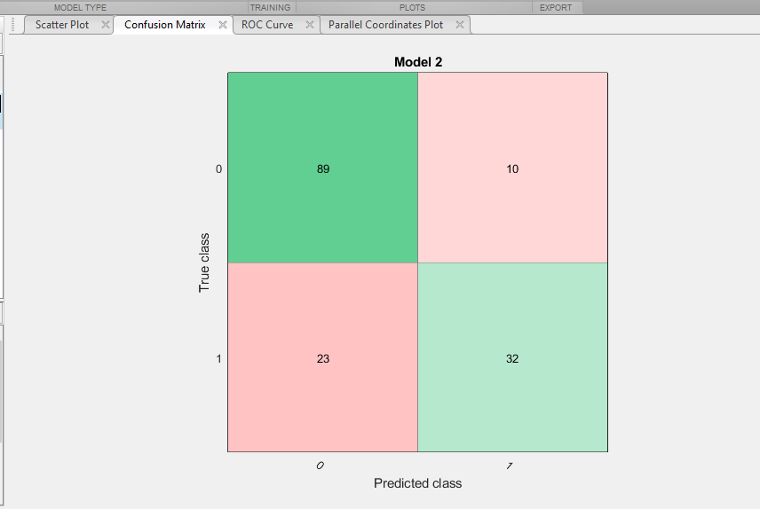
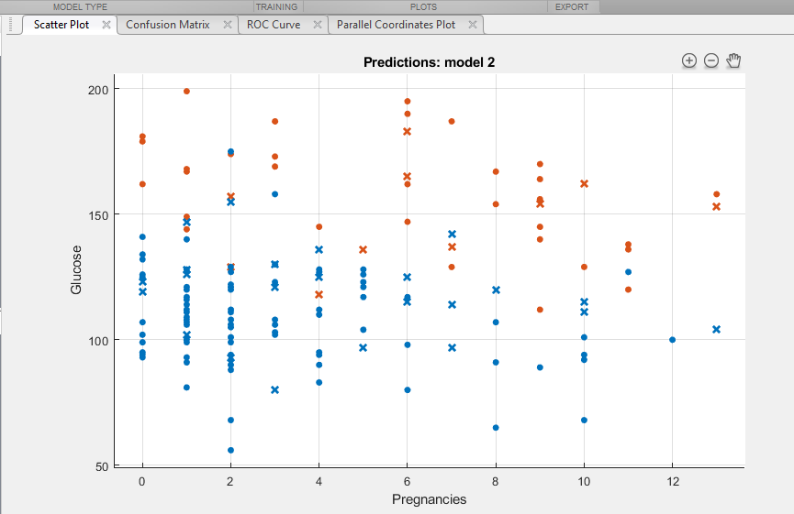

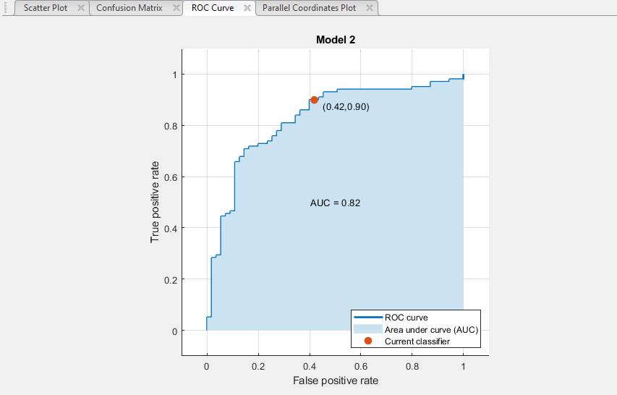
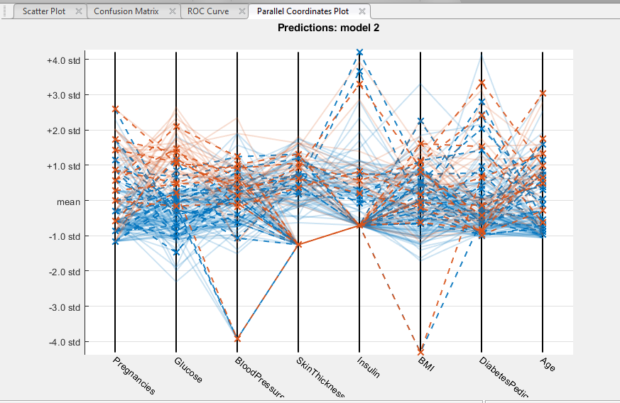

LR-Trial#2 Graphs
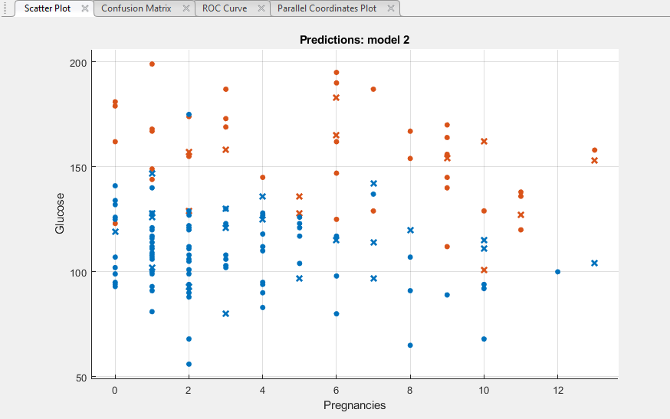
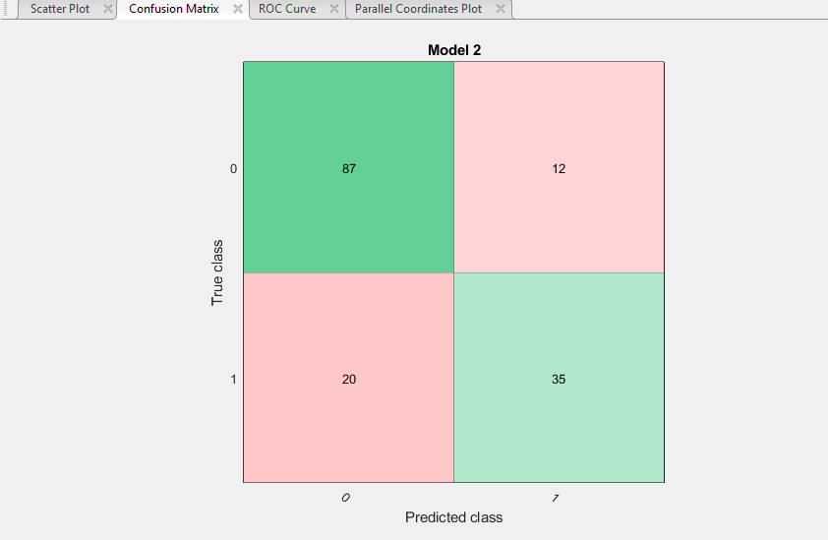

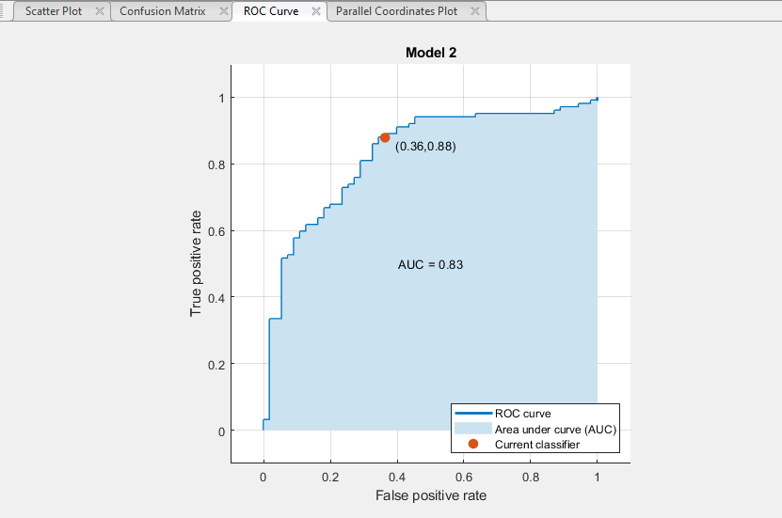
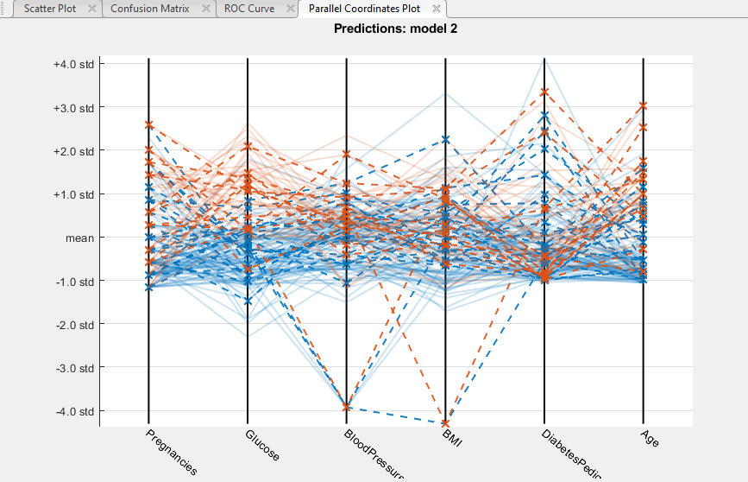

LR-Trial#3 Graphs
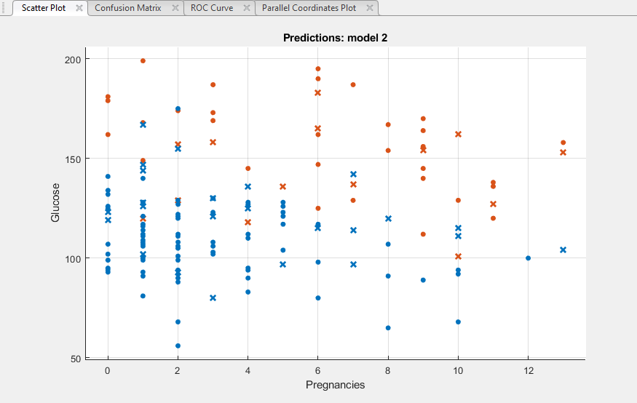
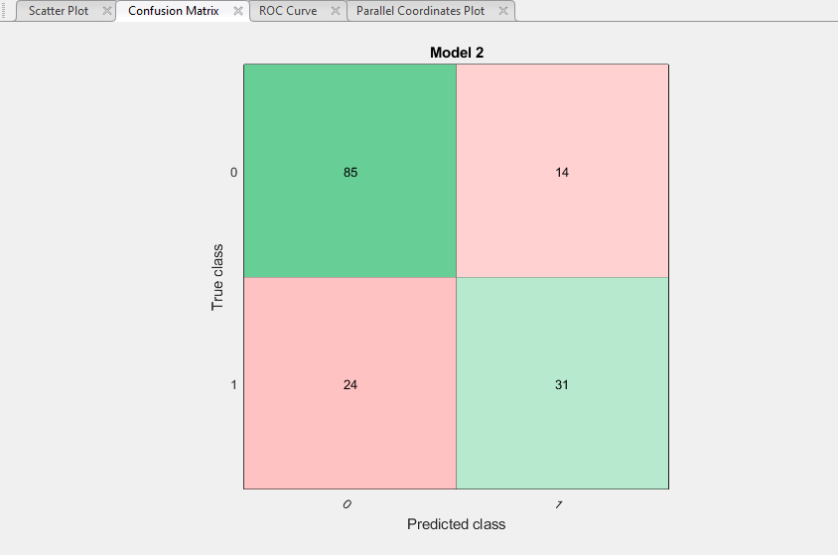

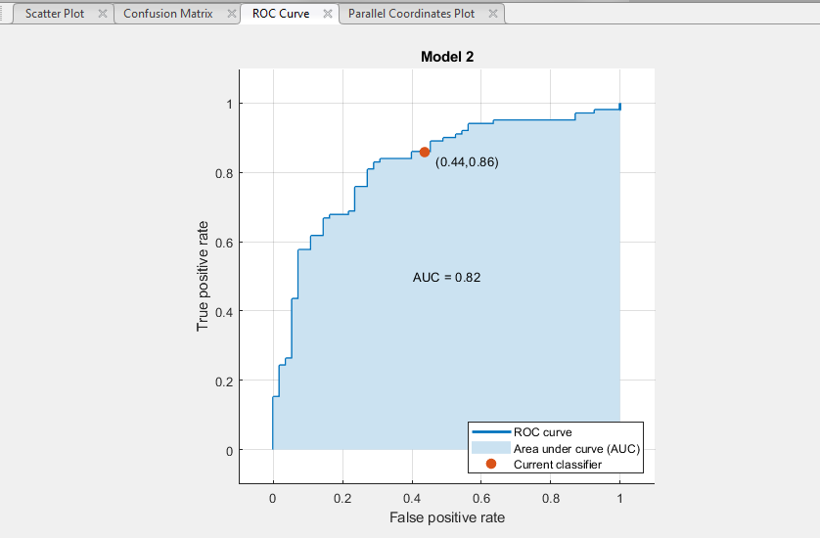
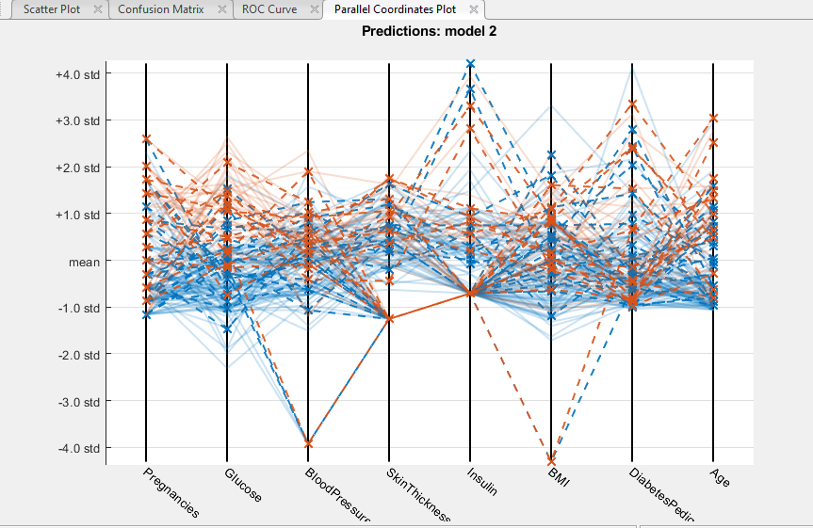

DT-Trial#1 Graphs
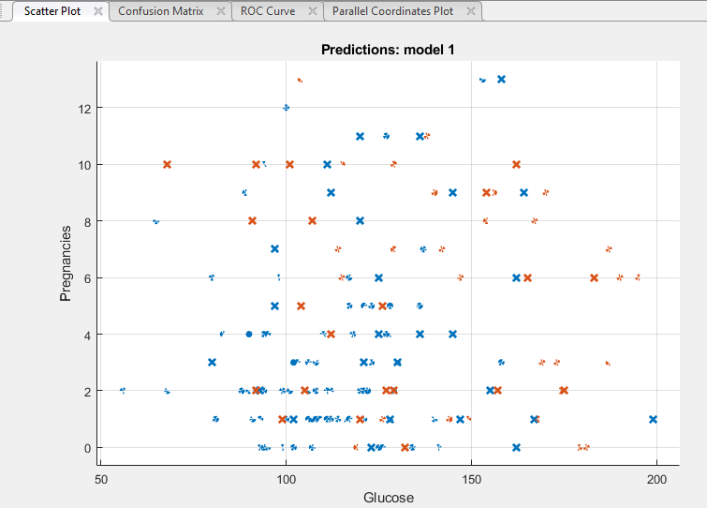
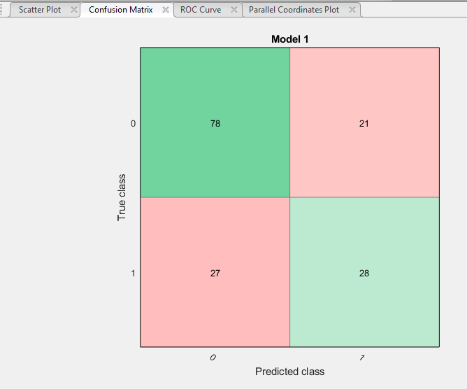

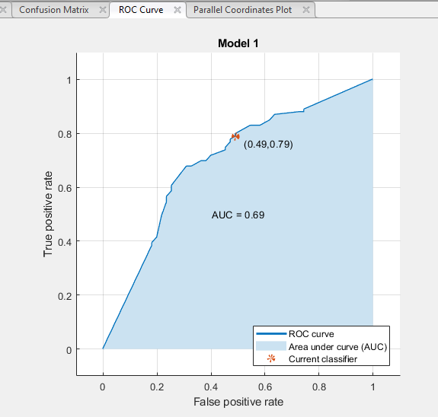
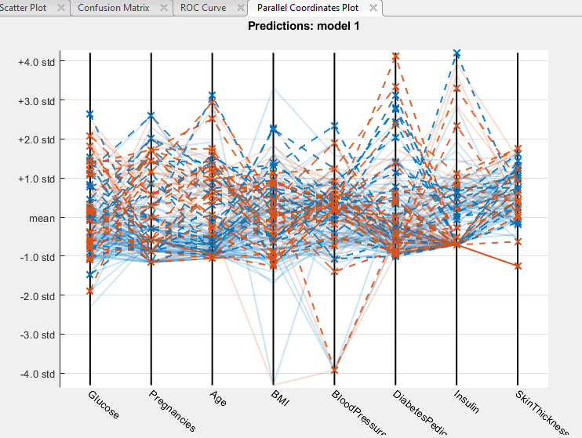

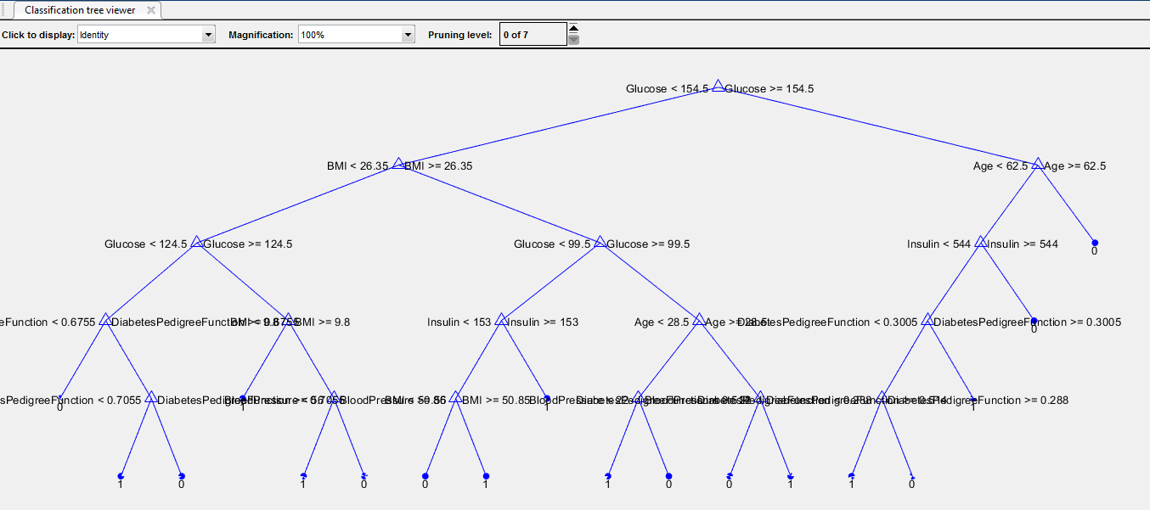

DT-Trial#2 Graph
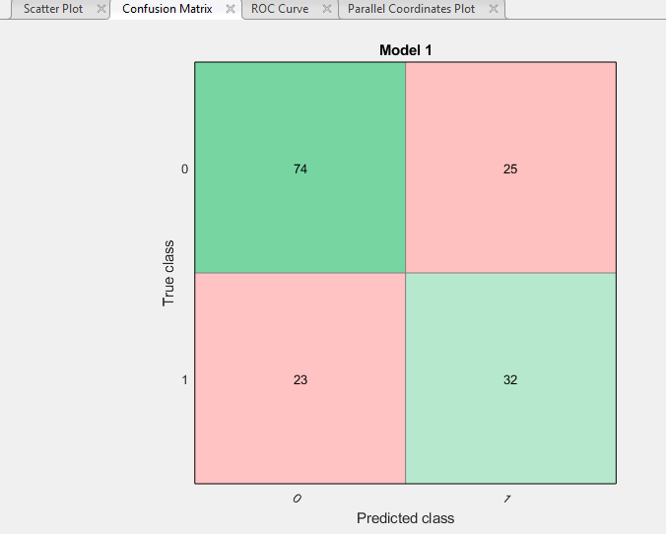
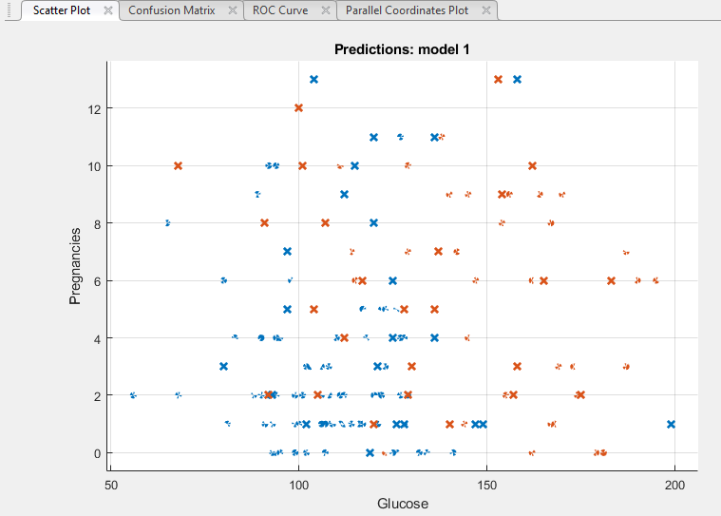

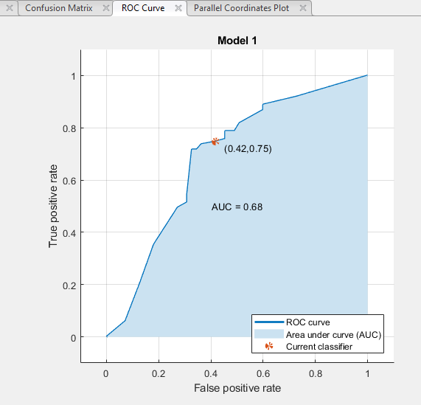
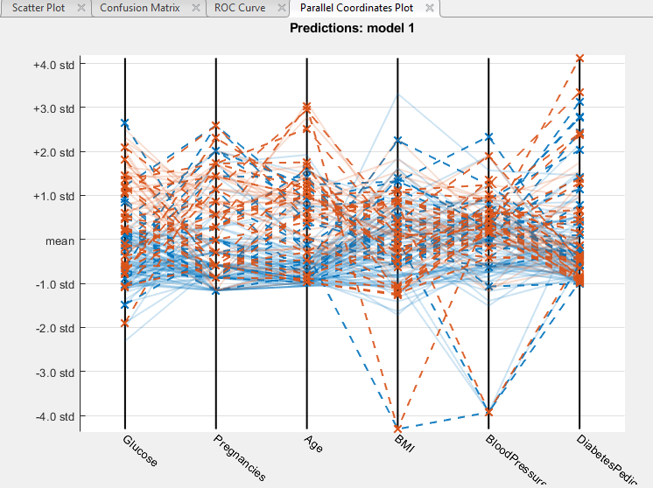

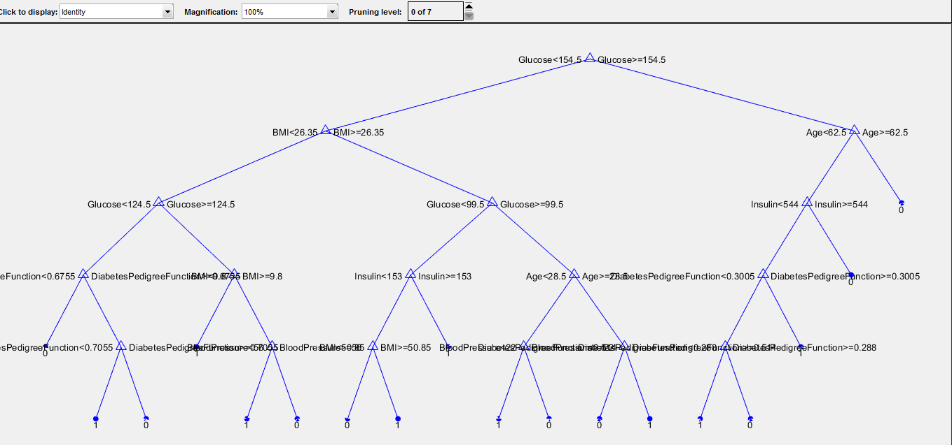

DT-Trial#3 Graph
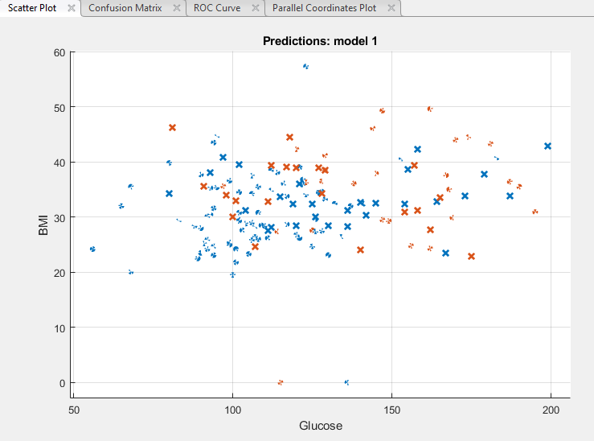
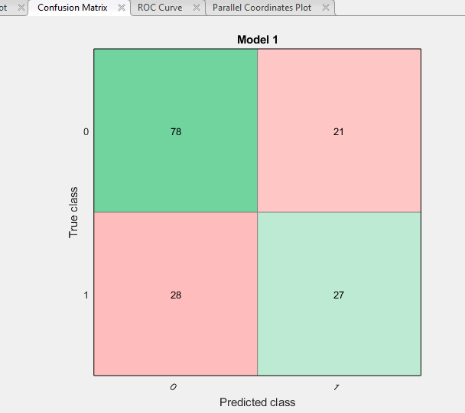

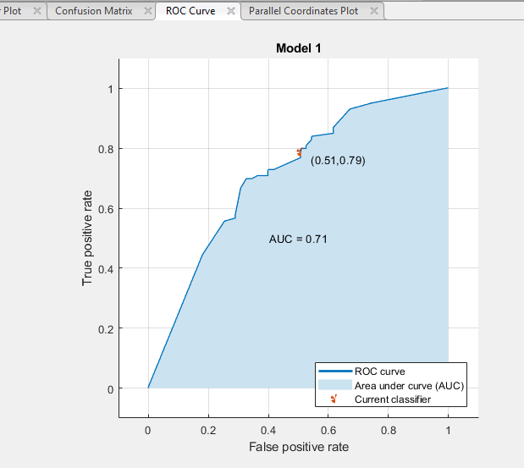
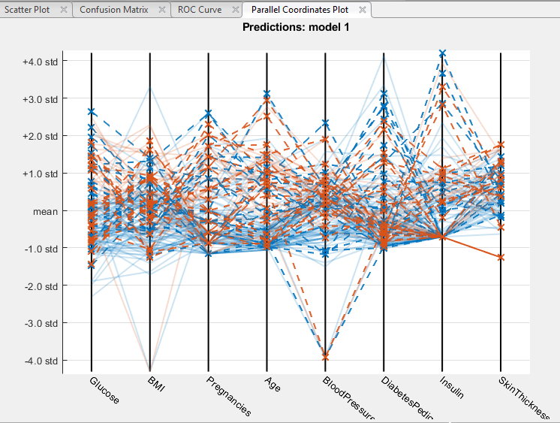

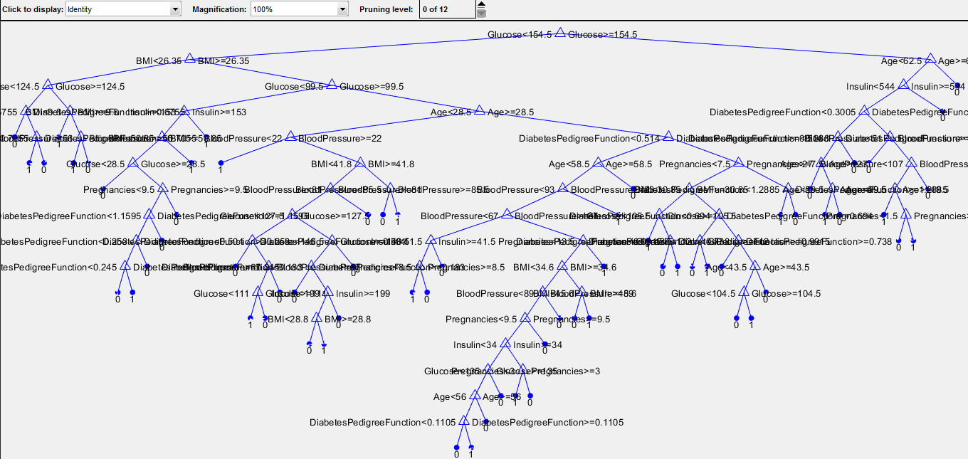

NN-Trial#1 (PD8290)
Neural Network "PD8290": Paramter combinations, accuracy, precision, cost point and graphs

Parameter Combinations:
Attributes used (in order) |  | 8 attributes | Glucose, Pregnancy, Age, BMI, Blood Pressure, Diabetic Pedigree Function, Insulin, Skin Thickness
Number of layers |  | 2
Number of neurons |  | 90

Calculations:
Classification Type: (Predicted value, Actual value) |  |  |  | Cost Points
 |  | True Positive (TP) = (0, 0) |  | 0
 |  | True Negative (TN) = (1, 1) |  | 0
 |  | False Positive (FP) = (0, 1) |  | 5
 |  | False Negative (FN) = (1, 0) |  | 1

Note: Results are noted in binary: 0 = non-diabetic and 1 = diabetic
Predicted Result (integers) | Predicted Result (Boolean) | Actual Result (in 0/1) | Y/N | Classification Type | Cost points
1 | 1 | 1 | Yes | TN | 0 | Cost Points Total = | 162
0 | 0 | 0 | Yes | TP | 0
0 | 0 | 0 | Yes | TP | 0 | Count of FP | 30
0 | 0 | 0 | Yes | TP | 0 | Count of TN | 24
0 | 0 | 1 | No | FP | 5 | Count of FN | 7
0 | 0 | 1 | No | FP | 5 | Count of TP | 88
0 | 0 | 0 | Yes | TP | 0
0 | 0 | 0 | Yes | TP | 0 | Accuracy = (TP + TN) / (TP + TN+FN+FP)
1 | 1 | 0 | No | FN | 1 | Accuracy in % = | 75.17
0 | 0 | 0 | Yes | TP | 0
0 | 0 | 0 | Yes | TP | 0 | Precision = TP / (TP + FP)
0 | 0 | 0 | Yes | TP | 0 | Precision in % = | 74.58
0 | 0 | 0 | Yes | TP | 0
0 | 0 | 0 | Yes | TP | 0 | Error Rate = (FP + FN) / (TP+TN+FN+FP)
0 | 0 | 0 | Yes | TP | 0 | Error Rate in % = | 24.83
0 | 0 | 0 | Yes | TP | 0
0 | 0 | 1 | No | FP | 5 | Recall (sensitivity) = TP / (TP+FN)
0 | 0 | 0 | Yes | TP | 0 | Recall in % = | 92.63
0 | 0 | 0 | Yes | TP | 0
0 | 0 | 0 | Yes | TP | 0
0 | 0 | 0 | Yes | TP | 0
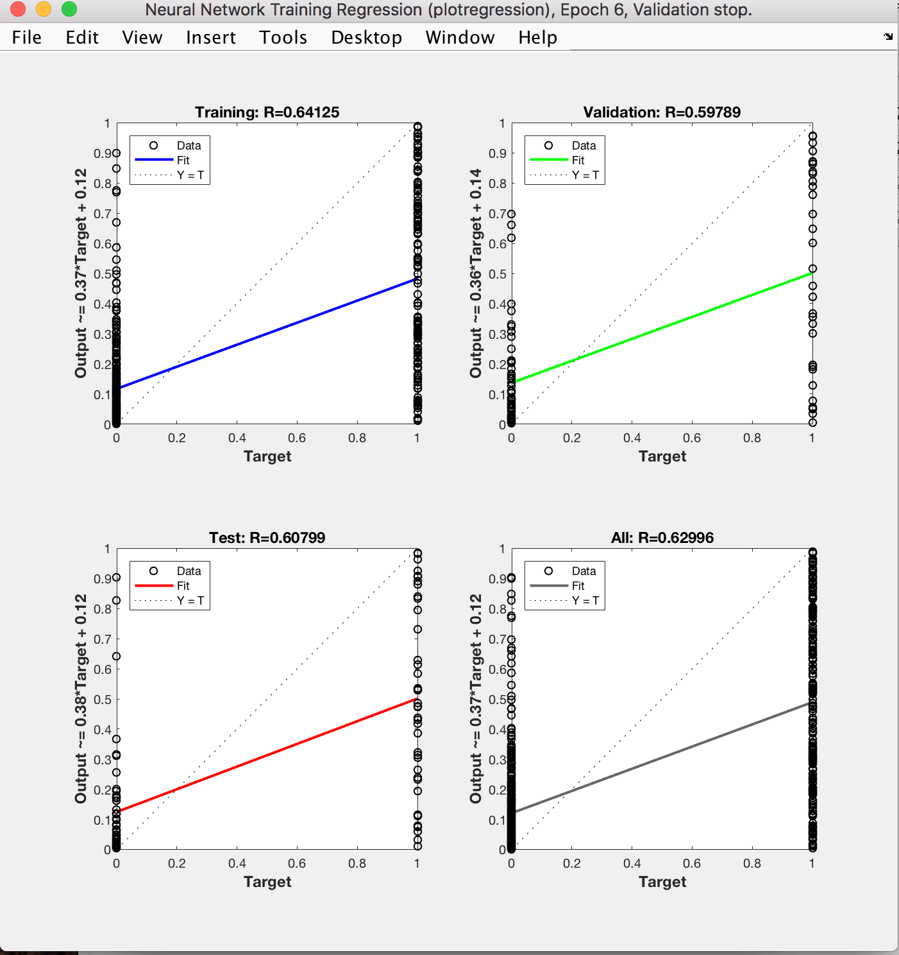
0 | 0 | 1 | No | FP | 5
0 | 0 | 0 | Yes | TP | 0
0 | 0 | 0 | Yes | TP | 0
0 | 0 | 1 | No | FP | 5
0 | 0 | 0 | Yes | TP | 0
0 | 0 | 0 | Yes | TP | 0
0 | 0 | 0 | Yes | TP | 0
0 | 0 | 1 | No | FP | 5
0 | 0 | 0 | Yes | TP | 0
0 | 0 | 0 | Yes | TP | 0
1 | 1 | 0 | No | FN | 1
0 | 0 | 1 | No | FP | 5
1 | 1 | 1 | Yes | TN | 0
0 | 0 | 1 | No | FP | 5
0 | 0 | 0 | Yes | TP | 0
0 | 0 | 0 | Yes | TP | 0
0 | 0 | 0 | Yes | TP | 0
0 | 0 | 0 | Yes | TP | 0
0 | 0 | 0 | Yes | TP | 0
0 | 0 | 0 | Yes | TP | 0
1 | 1 | 1 | Yes | TN | 0
0 | 0 | 0 | Yes | TP | 0
1 | 1 | 0 | No | FN | 1
0 | 0 | 0 | Yes | TP | 0
0 | 0 | 1 | No | FP | 5
0 | 0 | 0 | Yes | TP | 0
1 | 1 | 1 | Yes | TN | 0
1 | 1 | 1 | Yes | TN | 0
1 | 1 | 1 | Yes | TN | 0
0 | 0 | 1 | No | FP | 5
0 | 0 | 0 | Yes | TP | 0
0 | 0 | 1 | No | FP | 5
0 | 0 | 1 | No | FP | 5
0 | 0 | 0 | Yes | TP | 0
0 | 0 | 0 | Yes | TP | 0
1 | 1 | 0 | No | FN | 1
0 | 0 | 0 | Yes | TP | 0
0 | 0 | 0 | Yes | TP | 0
0 | 0 | 0 | Yes | TP | 0
0 | 0 | 0 | Yes | TP | 0
1 | 1 | 1 | Yes | TN | 0
0 | 0 | 1 | No | FP | 5
0 | 0 | 0 | Yes | TP | 0
0 | 0 | 1 | No | FP | 5
0 | 0 | 0 | Yes | TP | 0
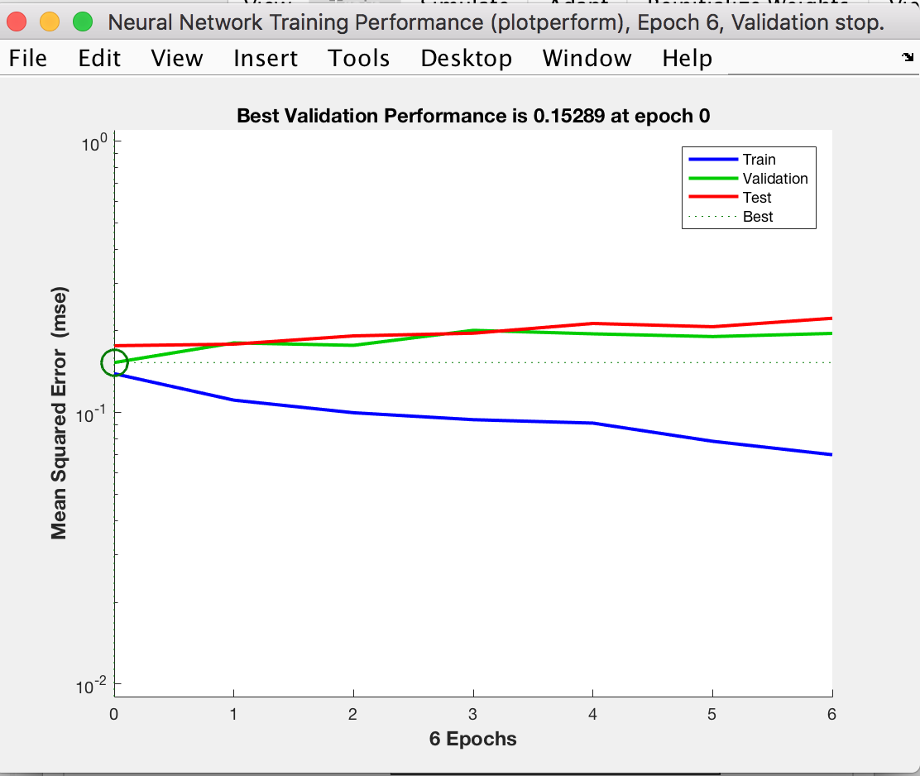
0 | 0 | 0 | Yes | TP | 0
1 | 1 | 1 | Yes | TN | 0
0 | 0 | 0 | Yes | TP | 0
0 | 0 | 1 | No | FP | 5
0 | 0 | 0 | Yes | TP | 0
0 | 0 | 0 | Yes | TP | 0
0 | 0 | 0 | Yes | TP | 0
0 | 0 | 0 | Yes | TP | 0
0 | 0 | 0 | Yes | TP | 0
1 | 1 | 1 | Yes | TN | 0
0 | 0 | 0 | Yes | TP | 0
1 | 1 | 1 | Yes | TN | 0
0 | 0 | 0 | Yes | TP | 0
0 | 0 | 1 | No | FP | 5
0 | 0 | 0 | Yes | TP | 0
0 | 0 | 1 | No | FP | 5
0 | 0 | 1 | No | FP | 5
0 | 0 | 0 | Yes | TP | 0
0 | 0 | 0 | Yes | TP | 0
1 | 1 | 0 | No | FN | 1
0 | 0 | 0 | Yes | TP | 0
0 | 0 | 1 | No | FP | 5
1 | 1 | 1 | Yes | TN | 0
1 | 1 | 0 | No | FN | 1
0 | 0 | 0 | Yes | TP | 0
0 | 0 | 0 | Yes | TP | 0
0 | 0 | 1 | No | FP | 5
0 | 0 | 0 | Yes | TP | 0
0 | 0 | 1 | No | FP | 5
0 | 0 | 1 | No | FP | 5
0 | 0 | 0 | Yes | TP | 0
0 | 0 | 0 | Yes | TP | 0
1 | 1 | 1 | Yes | TN | 0
0 | 0 | 0 | Yes | TP | 0
0 | 0 | 0 | Yes | TP | 0
1 | 1 | 1 | Yes | TN | 0
1 | 1 | 1 | Yes | TN | 0
0 | 0 | 0 | Yes | TP | 0
0 | 0 | 0 | Yes | TP | 0
0 | 0 | 1 | No | FP | 5
0 | 0 | 0 | Yes | TP | 0
0 | 0 | 0 | Yes | TP | 0
0 | 0 | 1 | No | FP | 5
0 | 0 | 0 | Yes | TP | 0
0 | 0 | 0 | Yes | TP | 0
0 | 0 | 0 | Yes | TP | 0
0 | 0 | 0 | Yes | TP | 0
0 | 0 | 0 | Yes | TP | 0
0 | 0 | 0 | Yes | TP | 0
0 | 0 | 0 | Yes | TP | 0
0 | 0 | 1 | No | FP | 5
0 | 0 | 1 | No | FP | 5
1 | 1 | 1 | Yes | TN | 0
0 | 0 | 0 | Yes | TP | 0
0 | 0 | 0 | Yes | TP | 0
0 | 0 | 0 | Yes | TP | 0
0 | 0 | 0 | Yes | TP | 0
0 | 0 | 0 | Yes | TP | 0
0 | 0 | 0 | Yes | TP | 0
0 | 0 | 1 | No | FP | 5
1 | 1 | 1 | Yes | TN | 0
0 | 0 | 0 | Yes | TP | 0
0 | 0 | 0 | Yes | TP | 0
0 | 0 | 1 | No | FP | 5
1 | 1 | 0 | No | FN | 1
0 | 0 | 0 | Yes | TP | 0
1 | 1 | 1 | Yes | TN | 0
0 | 0 | 0 | Yes | TP | 0
1 | 1 | 1 | Yes | TN | 0
0 | 0 | 1 | No | FP | 5
0 | 0 | 1 | No | FP | 5
0 | 0 | 0 | Yes | TP | 0
0 | 0 | 0 | Yes | TP | 0
1 | 1 | 1 | Yes | TN | 0
1 | 1 | 1 | Yes | TN | 0
1 | 1 | 1 | Yes | TN | 0
0 | 0 | 0 | Yes | TP | 0
1 | 1 | 1 | Yes | TN | 0
0 | 0 | 0 | Yes | TP | 0
1 | 1 | 1 | Yes | TN | 0
0 | 0 | 0 | Yes | TP | 0
1 | 1 | 1 | Yes | TN | 0
0 | 0 | 0 | Yes | TP | 0
0 | 0 | 0 | Yes | TP | 0
0 | 0 | 0 | Yes | TP | 0
0 | 0 | 0 | Yes | TP | 0
0 | 0 | 1 | No | FP | 5
0 | 0 | 0 | Yes | TP | 0

NN-Trial#2 (PD61100)
Neural Network "PD61100": Paramter combinations, accuracy, precision, cost point and graphs

Parameter Combinations:
Attributes used (in order) |  | 6 attributes | Glucose, Pregnancy, Age, BMI, Blood Pressure, Diabetic Pedigree Function
Number of layers |  | 1
Number of neurons |  | 100

Calculations:
Classification Type: (Predicted value, Actual value) |  |  |  | Cost Points
 |  | True Positive (TP) = (0, 0) |  | 0
 |  | True Negative (TN) = (1, 1) |  | 0
 |  | False Positive (FP) = (0, 1) |  | 5
 |  | False Negative (FN) = (1, 0) |  | 1

Note: Results are noted in binary: 0 = non-diabetic and 1 = diabetic
Predicted Result (integers) | Predicted Result (Boolean) | Actual Result (in 0/1) | Y/N | Classification Type | Cost points
1 | 1 | 1 | Yes | TN | 0 | Cost Points Total = | 117
0 | 0 | 0 | Yes | TP | 0
0 | 0 | 0 | Yes | TP | 0 | Count of FP | 19
0 | 0 | 0 | Yes | TP | 0 | Count of TN | 35
1 | 1 | 1 | Yes | TN | 0 | Count of FN | 17
0 | 0 | 1 | No | FP | 5 | Count of TP | 78
0 | 0 | 0 | Yes | TP | 0
0 | 0 | 0 | Yes | TP | 0 | Accuracy = (TP + TN) / (TP + TN+FN+FP)
1 | 1 | 0 | No | FN | 1 | Accuracy in % = | 75.84
0 | 0 | 0 | Yes | TP | 0
0 | 0 | 0 | Yes | TP | 0 | Precision = TP / (TP + FP)
0 | 0 | 0 | Yes | TP | 0 | Precision in % = | 80.41
0 | 0 | 0 | Yes | TP | 0
0 | 0 | 0 | Yes | TP | 0 | Error Rate = (FP + FN) / (TP+TN+FN+FP)
1 | 1 | 0 | No | FN | 1 | Error Rate in % = | 24.16
0 | 0 | 0 | Yes | TP | 0
0 | 0 | 1 | No | FP | 5 | Recall (sensitivity) = TP / (TP+FN)
0 | 0 | 0 | Yes | TP | 0 | Recall in % = | 82.11
0 | 0 | 0 | Yes | TP | 0
0 | 0 | 0 | Yes | TP | 0
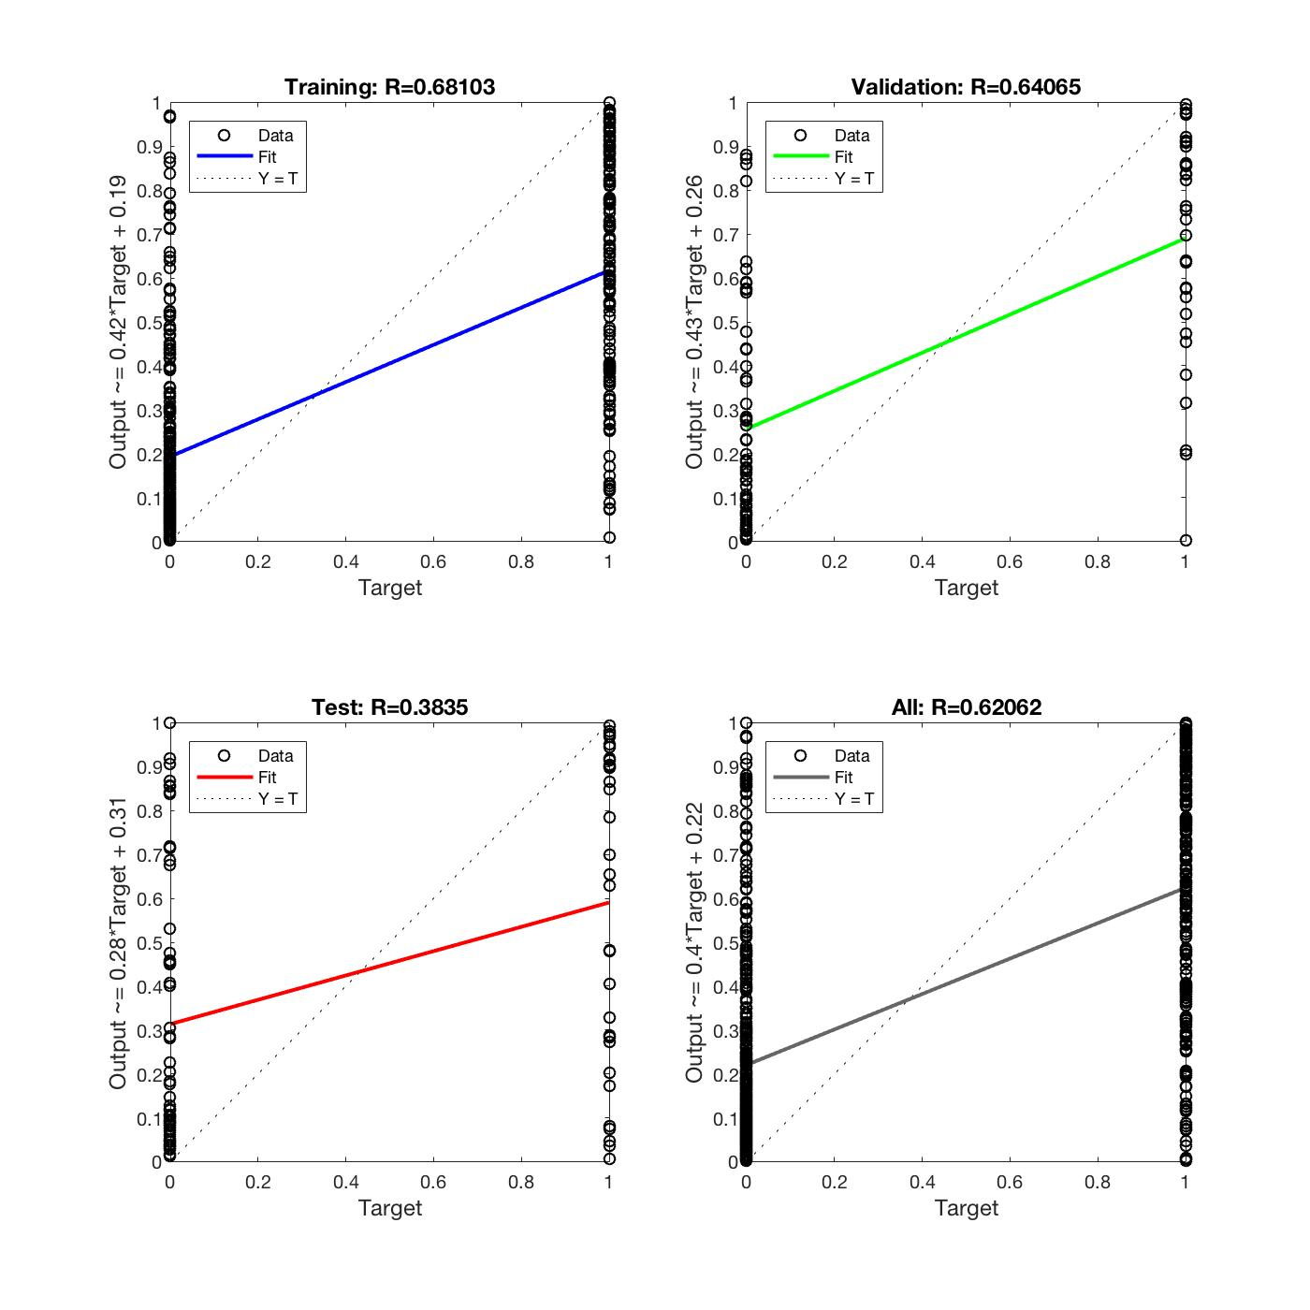
0 | 0 | 0 | Yes | TP | 0
1 | 1 | 1 | Yes | TN | 0
0 | 0 | 0 | Yes | TP | 0
0 | 0 | 0 | Yes | TP | 0
1 | 1 | 1 | Yes | TN | 0
0 | 0 | 0 | Yes | TP | 0
0 | 0 | 0 | Yes | TP | 0
0 | 0 | 0 | Yes | TP | 0
1 | 1 | 1 | Yes | TN | 0
0 | 0 | 0 | Yes | TP | 0
0 | 0 | 0 | Yes | TP | 0
1 | 1 | 0 | No | FN | 1
0 | 0 | 1 | No | FP | 5
1 | 1 | 1 | Yes | TN | 0
0 | 0 | 1 | No | FP | 5
0 | 0 | 0 | Yes | TP | 0
0 | 0 | 0 | Yes | TP | 0
0 | 0 | 0 | Yes | TP | 0
0 | 0 | 0 | Yes | TP | 0
0 | 0 | 0 | Yes | TP | 0
0 | 0 | 0 | Yes | TP | 0
1 | 1 | 1 | Yes | TN | 0
0 | 0 | 0 | Yes | TP | 0
1 | 1 | 0 | No | FN | 1
1 | 1 | 0 | No | FN | 1
0 | 0 | 1 | No | FP | 5
0 | 0 | 0 | Yes | TP | 0
1 | 1 | 1 | Yes | TN | 0
1 | 1 | 1 | Yes | TN | 0
1 | 1 | 1 | Yes | TN | 0
0 | 0 | 1 | No | FP | 5
0 | 0 | 0 | Yes | TP | 0
0 | 0 | 1 | No | FP | 5
0 | 0 | 1 | No | FP | 5
0 | 0 | 0 | Yes | TP | 0
1 | 1 | 0 | No | FN | 1
1 | 1 | 0 | No | FN | 1
0 | 0 | 0 | Yes | TP | 0
0 | 0 | 0 | Yes | TP | 0
1 | 1 | 0 | No | FN | 1
0 | 0 | 0 | Yes | TP | 0
1 | 1 | 1 | Yes | TN | 0
0 | 0 | 1 | No | FP | 5
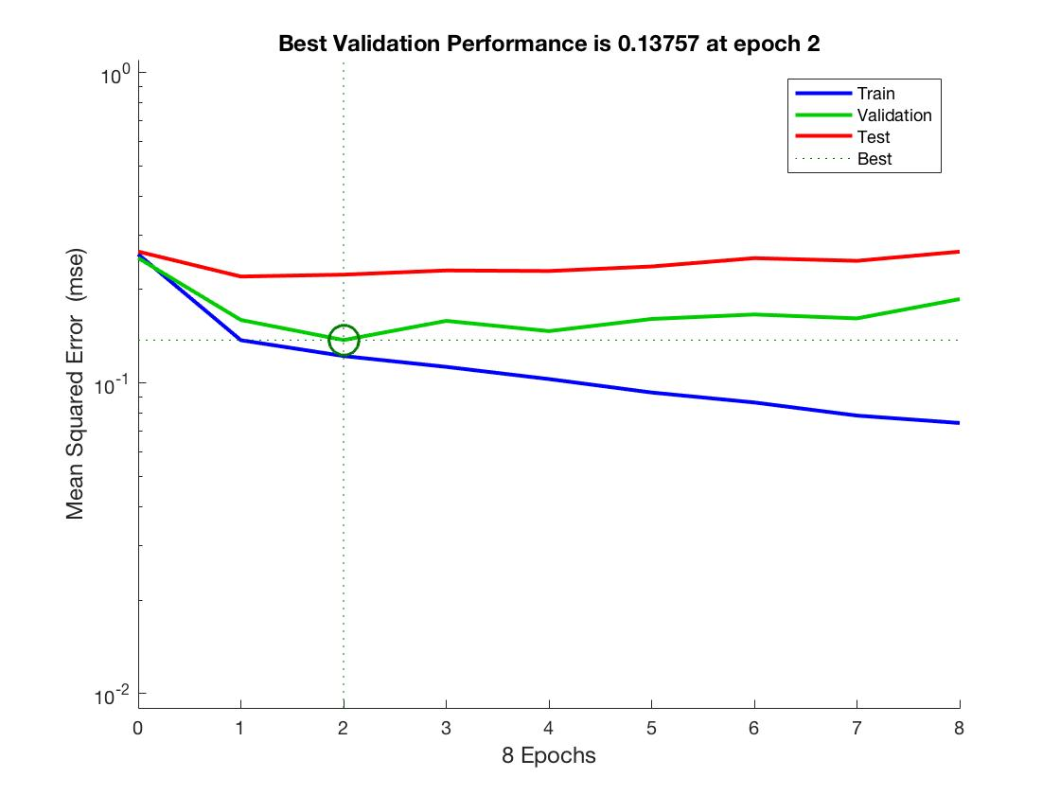
0 | 0 | 0 | Yes | TP | 0
0 | 0 | 1 | No | FP | 5
0 | 0 | 0 | Yes | TP | 0
0 | 0 | 0 | Yes | TP | 0
1 | 1 | 1 | Yes | TN | 0
0 | 0 | 0 | Yes | TP | 0
0 | 0 | 1 | No | FP | 5
0 | 0 | 0 | Yes | TP | 0
0 | 0 | 0 | Yes | TP | 0
0 | 0 | 0 | Yes | TP | 0
0 | 0 | 0 | Yes | TP | 0
0 | 0 | 0 | Yes | TP | 0
1 | 1 | 1 | Yes | TN | 0
0 | 0 | 0 | Yes | TP | 0
1 | 1 | 1 | Yes | TN | 0
1 | 1 | 0 | No | FN | 1
1 | 1 | 1 | Yes | TN | 0
0 | 0 | 0 | Yes | TP | 0
1 | 1 | 1 | Yes | TN | 0
1 | 1 | 1 | Yes | TN | 0
0 | 0 | 0 | Yes | TP | 0
0 | 0 | 0 | Yes | TP | 0
1 | 1 | 0 | No | FN | 1
0 | 0 | 0 | Yes | TP | 0
0 | 0 | 1 | No | FP | 5
1 | 1 | 1 | Yes | TN | 0
0 | 0 | 0 | Yes | TP | 0
0 | 0 | 0 | Yes | TP | 0
0 | 0 | 0 | Yes | TP | 0
0 | 0 | 1 | No | FP | 5
0 | 0 | 0 | Yes | TP | 0
1 | 1 | 1 | Yes | TN | 0
0 | 0 | 1 | No | FP | 5
0 | 0 | 0 | Yes | TP | 0
1 | 1 | 0 | No | FN | 1
1 | 1 | 1 | Yes | TN | 0
0 | 0 | 0 | Yes | TP | 0
0 | 0 | 0 | Yes | TP | 0
1 | 1 | 1 | Yes | TN | 0
1 | 1 | 1 | Yes | TN | 0
0 | 0 | 0 | Yes | TP | 0
0 | 0 | 0 | Yes | TP | 0
0 | 0 | 1 | No | FP | 5
0 | 0 | 0 | Yes | TP | 0
0 | 0 | 0 | Yes | TP | 0
1 | 1 | 1 | Yes | TN | 0
1 | 1 | 0 | No | FN | 1
1 | 1 | 0 | No | FN | 1
0 | 0 | 0 | Yes | TP | 0
0 | 0 | 0 | Yes | TP | 0
0 | 0 | 0 | Yes | TP | 0
0 | 0 | 0 | Yes | TP | 0
0 | 0 | 0 | Yes | TP | 0
0 | 0 | 1 | No | FP | 5
0 | 0 | 1 | No | FP | 5
1 | 1 | 1 | Yes | TN | 0
0 | 0 | 0 | Yes | TP | 0
0 | 0 | 0 | Yes | TP | 0
0 | 0 | 0 | Yes | TP | 0
0 | 0 | 0 | Yes | TP | 0
0 | 0 | 0 | Yes | TP | 0
0 | 0 | 0 | Yes | TP | 0
0 | 0 | 1 | No | FP | 5
1 | 1 | 1 | Yes | TN | 0
0 | 0 | 0 | Yes | TP | 0
0 | 0 | 0 | Yes | TP | 0
1 | 1 | 1 | Yes | TN | 0
1 | 1 | 0 | No | FN | 1
1 | 1 | 0 | No | FN | 1
1 | 1 | 1 | Yes | TN | 0
1 | 1 | 0 | No | FN | 1
1 | 1 | 1 | Yes | TN | 0
1 | 1 | 1 | Yes | TN | 0
1 | 1 | 1 | Yes | TN | 0
0 | 0 | 0 | Yes | TP | 0
0 | 0 | 0 | Yes | TP | 0
1 | 1 | 1 | Yes | TN | 0
1 | 1 | 1 | Yes | TN | 0
1 | 1 | 1 | Yes | TN | 0
1 | 1 | 0 | No | FN | 1
1 | 1 | 1 | Yes | TN | 0
0 | 0 | 0 | Yes | TP | 0
0 | 0 | 1 | No | FP | 5
0 | 0 | 0 | Yes | TP | 0
1 | 1 | 1 | Yes | TN | 0
0 | 0 | 0 | Yes | TP | 0
0 | 0 | 0 | Yes | TP | 0
0 | 0 | 0 | Yes | TP | 0
0 | 0 | 0 | Yes | TP | 0
0 | 0 | 1 | No | FP | 5
0 | 0 | 0 | Yes | TP | 0

NN-Trial#3 (PD7360)
Neural Network "PD7360" Paramter combinations, accuracy, precision, cost point and graphs

Parameter Combinations:
Attributes used (in order) |  | 6 attributes | Glucose, Pregnancy, Age, BMI, Blood Pressure, Diabetic Pedigree Function, Insulin
Number of layers |  | 3
Number of neurons |  | 60

Calculations:
Classification Type: (Predicted value, Actual value) |  |  |  | Cost Points
 |  | True Positive (TP) = (0, 0) |  | 0
 |  | True Negative (TN) = (1, 1) |  | 0
 |  | False Positive (FP) = (0, 1) |  | 5
 |  | False Negative (FN) = (1, 0) |  | 1

Note: Results are noted in binary: 0 = non-diabetic and 1 = diabetic
Predicted Result (integers) | Predicted Result (Boolean) | Actual Result (in 0/1) | Y/N | Classification Type | Cost points
1 | 1 | 1 | Yes | TN | 0 | Cost Points Total = | 133
0 | 0 | 0 | Yes | TP | 0
0 | 0 | 0 | Yes | TP | 0 | Count of FP | 24
0 | 0 | 0 | Yes | TP | 0 | Count of TN | 30
1 | 1 | 1 | Yes | TN | 0 | Count of FN | 8
0 | 0 | 1 | No | FP | 5 | Count of TP | 87
0 | 0 | 0 | Yes | TP | 0
0 | 0 | 0 | Yes | TP | 0 | Accuracy = (TP + TN) / (TP + TN+FN+FP)
1 | 1 | 0 | No | FN | 1 | Accuracy in % = | 78.52
0 | 0 | 0 | Yes | TP | 0
0 | 0 | 0 | Yes | TP | 0 | Precision = TP / (TP + FP)
0 | 0 | 0 | Yes | TP | 0 | Precision in % = | 78.38
0 | 0 | 0 | Yes | TP | 0
0 | 0 | 0 | Yes | TP | 0 | Error Rate = (FP + FN) / (TP+TN+FN+FP)
0 | 0 | 0 | Yes | TP | 0 | Error Rate in % = | 21.48
0 | 0 | 0 | Yes | TP | 0
0 | 0 | 1 | No | FP | 5 | Recall (sensitivity) = TP / (TP+FN)
0 | 0 | 0 | Yes | TP | 0 | Recall in % = | 91.58
0 | 0 | 0 | Yes | TP | 0
0 | 0 | 0 | Yes | TP | 0
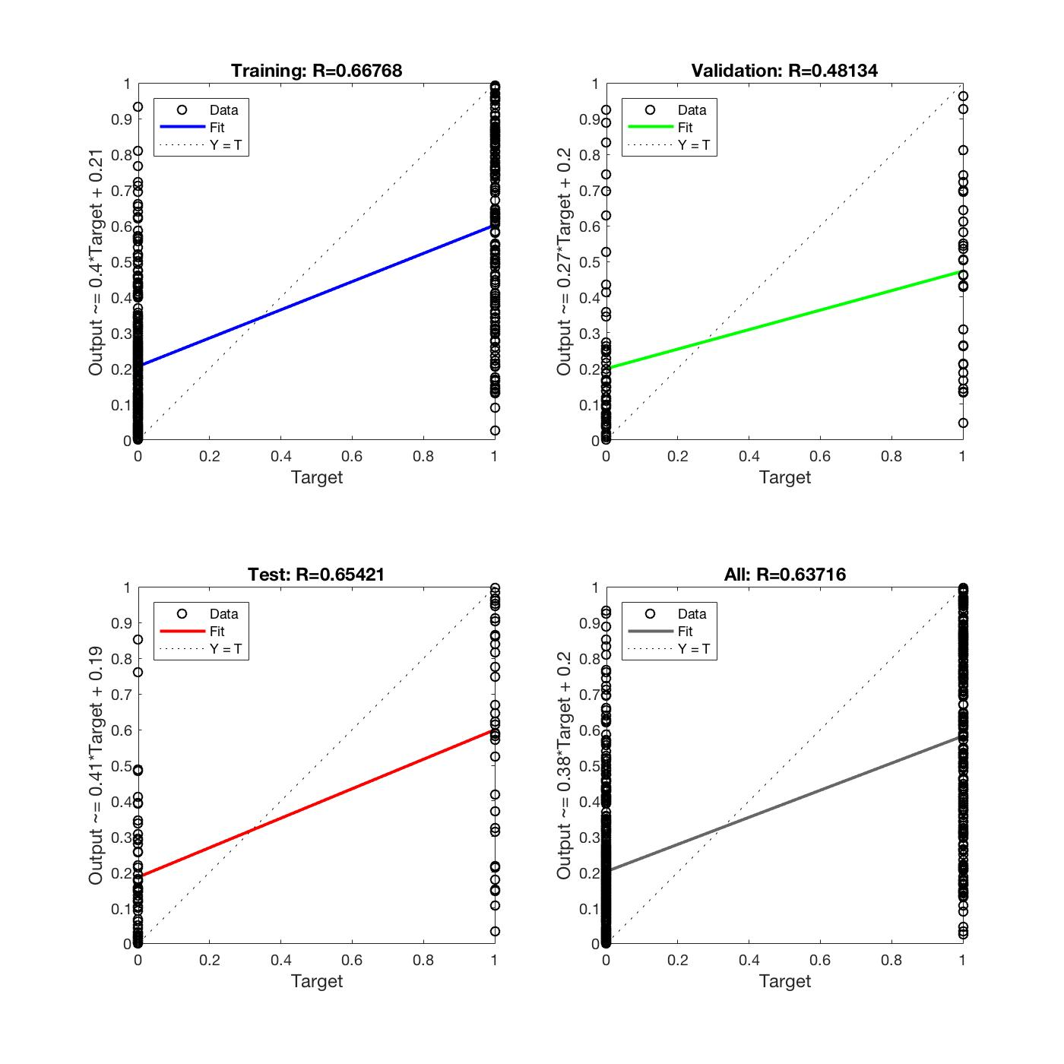
0 | 0 | 0 | Yes | TP | 0
0 | 0 | 1 | No | FP | 5
0 | 0 | 0 | Yes | TP | 0
0 | 0 | 0 | Yes | TP | 0
0 | 0 | 1 | No | FP | 5
0 | 0 | 0 | Yes | TP | 0
0 | 0 | 0 | Yes | TP | 0
0 | 0 | 0 | Yes | TP | 0
0 | 0 | 1 | No | FP | 5
0 | 0 | 0 | Yes | TP | 0
0 | 0 | 0 | Yes | TP | 0
1 | 1 | 0 | No | FN | 1
1 | 1 | 1 | Yes | TN | 0
1 | 1 | 1 | Yes | TN | 0
0 | 0 | 1 | No | FP | 5
0 | 0 | 0 | Yes | TP | 0
0 | 0 | 0 | Yes | TP | 0
0 | 0 | 0 | Yes | TP | 0
0 | 0 | 0 | Yes | TP | 0
0 | 0 | 0 | Yes | TP | 0
0 | 0 | 0 | Yes | TP | 0
0 | 0 | 1 | No | FP | 5
0 | 0 | 0 | Yes | TP | 0
1 | 1 | 0 | No | FN | 1
1 | 1 | 0 | No | FN | 1
0 | 0 | 1 | No | FP | 5
0 | 0 | 0 | Yes | TP | 0
1 | 1 | 1 | Yes | TN | 0
1 | 1 | 1 | Yes | TN | 0
1 | 1 | 1 | Yes | TN | 0
0 | 0 | 1 | No | FP | 5
0 | 0 | 0 | Yes | TP | 0
0 | 0 | 1 | No | FP | 5
0 | 0 | 1 | No | FP | 5
0 | 0 | 0 | Yes | TP | 0
0 | 0 | 0 | Yes | TP | 0
1 | 1 | 0 | No | FN | 1
0 | 0 | 0 | Yes | TP | 0
0 | 0 | 0 | Yes | TP | 0
0 | 0 | 0 | Yes | TP | 0
0 | 0 | 0 | Yes | TP | 0
1 | 1 | 1 | Yes | TN | 0
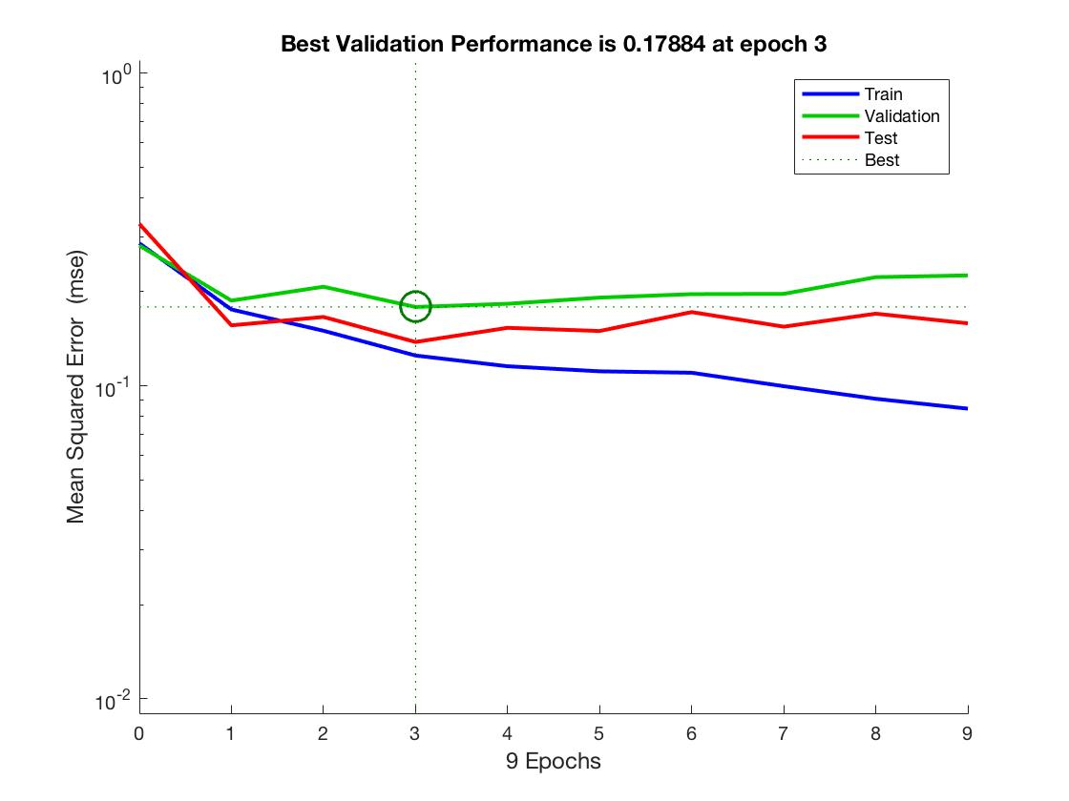
0 | 0 | 1 | No | FP | 5
0 | 0 | 0 | Yes | TP | 0
0 | 0 | 1 | No | FP | 5
0 | 0 | 0 | Yes | TP | 0
0 | 0 | 0 | Yes | TP | 0
1 | 1 | 1 | Yes | TN | 0
0 | 0 | 0 | Yes | TP | 0
0 | 0 | 1 | No | FP | 5
0 | 0 | 0 | Yes | TP | 0
0 | 0 | 0 | Yes | TP | 0
0 | 0 | 0 | Yes | TP | 0
0 | 0 | 0 | Yes | TP | 0
0 | 0 | 0 | Yes | TP | 0
1 | 1 | 1 | Yes | TN | 0
0 | 0 | 0 | Yes | TP | 0
1 | 1 | 1 | Yes | TN | 0
0 | 0 | 0 | Yes | TP | 0
1 | 1 | 1 | Yes | TN | 0
0 | 0 | 0 | Yes | TP | 0
0 | 0 | 1 | No | FP | 5
1 | 1 | 1 | Yes | TN | 0
0 | 0 | 0 | Yes | TP | 0
0 | 0 | 0 | Yes | TP | 0
0 | 0 | 0 | Yes | TP | 0
0 | 0 | 0 | Yes | TP | 0
0 | 0 | 1 | No | FP | 5
1 | 1 | 1 | Yes | TN | 0
1 | 1 | 0 | No | FN | 1
0 | 0 | 0 | Yes | TP | 0
0 | 0 | 0 | Yes | TP | 0
0 | 0 | 1 | No | FP | 5
0 | 0 | 0 | Yes | TP | 0
0 | 0 | 1 | No | FP | 5
0 | 0 | 1 | No | FP | 5
0 | 0 | 0 | Yes | TP | 0
0 | 0 | 0 | Yes | TP | 0
1 | 1 | 1 | Yes | TN | 0
0 | 0 | 0 | Yes | TP | 0
0 | 0 | 0 | Yes | TP | 0
1 | 1 | 1 | Yes | TN | 0
1 | 1 | 1 | Yes | TN | 0
0 | 0 | 0 | Yes | TP | 0
0 | 0 | 0 | Yes | TP | 0
0 | 0 | 1 | No | FP | 5
0 | 0 | 0 | Yes | TP | 0
0 | 0 | 0 | Yes | TP | 0
1 | 1 | 1 | Yes | TN | 0
0 | 0 | 0 | Yes | TP | 0
0 | 0 | 0 | Yes | TP | 0
0 | 0 | 0 | Yes | TP | 0
0 | 0 | 0 | Yes | TP | 0
0 | 0 | 0 | Yes | TP | 0
1 | 1 | 0 | No | FN | 1
0 | 0 | 0 | Yes | TP | 0
0 | 0 | 1 | No | FP | 5
0 | 0 | 1 | No | FP | 5
1 | 1 | 1 | Yes | TN | 0
0 | 0 | 0 | Yes | TP | 0
0 | 0 | 0 | Yes | TP | 0
0 | 0 | 0 | Yes | TP | 0
0 | 0 | 0 | Yes | TP | 0
0 | 0 | 0 | Yes | TP | 0
0 | 0 | 0 | Yes | TP | 0
0 | 0 | 1 | No | FP | 5
1 | 1 | 1 | Yes | TN | 0
0 | 0 | 0 | Yes | TP | 0
0 | 0 | 0 | Yes | TP | 0
1 | 1 | 1 | Yes | TN | 0
1 | 1 | 0 | No | FN | 1
0 | 0 | 0 | Yes | TP | 0
1 | 1 | 1 | Yes | TN | 0
0 | 0 | 0 | Yes | TP | 0
1 | 1 | 1 | Yes | TN | 0
1 | 1 | 1 | Yes | TN | 0
1 | 1 | 1 | Yes | TN | 0
0 | 0 | 0 | Yes | TP | 0
0 | 0 | 0 | Yes | TP | 0
1 | 1 | 1 | Yes | TN | 0
1 | 1 | 1 | Yes | TN | 0
1 | 1 | 1 | Yes | TN | 0
0 | 0 | 0 | Yes | TP | 0
0 | 0 | 1 | No | FP | 5
0 | 0 | 0 | Yes | TP | 0
1 | 1 | 1 | Yes | TN | 0
0 | 0 | 0 | Yes | TP | 0
1 | 1 | 1 | Yes | TN | 0
0 | 0 | 0 | Yes | TP | 0
0 | 0 | 0 | Yes | TP | 0
0 | 0 | 0 | Yes | TP | 0
0 | 0 | 0 | Yes | TP | 0
0 | 0 | 1 | No | FP | 5
0 | 0 | 0 | Yes | TP | 0

NN-Trial#4 (PD82500)
Neural Network "PD82500" Paramter combinations, accuracy, precision, cost point and graphs

Parameter Combinations:
Attributes used (in order) |  | 8 attributes | Glucose, Pregnancy, Age, BMI, Blood Pressure, Diabetic Pedigree Function, Insulin, Skin Thickness
Number of layers |  | 2
Number of neurons |  | 500

Calculations:
Classification Type: (Predicted value, Actual value) |  |  |  | Cost Points
 |  | True Positive (TP) = (0, 0) |  | 0
 |  | True Negative (TN) = (1, 1) |  | 0
 |  | False Positive (FP) = (0, 1) |  | 5
 |  | False Negative (FN) = (1, 0) |  | 1

Note: Results are noted in binary: 0 = non-diabetic and 1 = diabetic
Predicted Result (integers) | Predicted Result (Boolean) | Actual Result (in 0/1) | Y/N | Classification Type | Cost points
1 | 1 | 1 | Yes | TN | 0 | Cost Points Total = | 149
0 | 0 | 0 | Yes | TP | 0
0 | 0 | 0 | Yes | TP | 0 | Count of FP | 28
0 | 0 | 0 | Yes | TP | 0 | Count of TN | 26
0 | 0 | 1 | No | FP | 5 | Count of FN | 9
0 | 0 | 1 | No | FP | 5 | Count of TP | 86
0 | 0 | 0 | Yes | TP | 0
0 | 0 | 0 | Yes | TP | 0 | Accuracy = (TP + TN) / (TP + TN+FN+FP)
0 | 0 | 0 | Yes | TP | 0 | Accuracy in % = | 75.17
0 | 0 | 0 | Yes | TP | 0
0 | 0 | 0 | Yes | TP | 0 | Precision = TP / (TP + FP)
0 | 0 | 0 | Yes | TP | 0 | Precision in % = | 75.44
0 | 0 | 0 | Yes | TP | 0
0 | 0 | 0 | Yes | TP | 0 | Error Rate = (FP + FN) / (TP+TN+FN+FP)
1 | 1 | 0 | No | FN | 1 | Error Rate in % = | 24.83
0 | 0 | 0 | Yes | TP | 0
0 | 0 | 1 | No | FP | 5 | Recall (sensitivity) = TP / (TP+FN)
0 | 0 | 0 | Yes | TP | 0 | Recall in % = | 90.53
0 | 0 | 0 | Yes | TP | 0
0 | 0 | 0 | Yes | TP | 0
0 | 0 | 0 | Yes | TP | 0
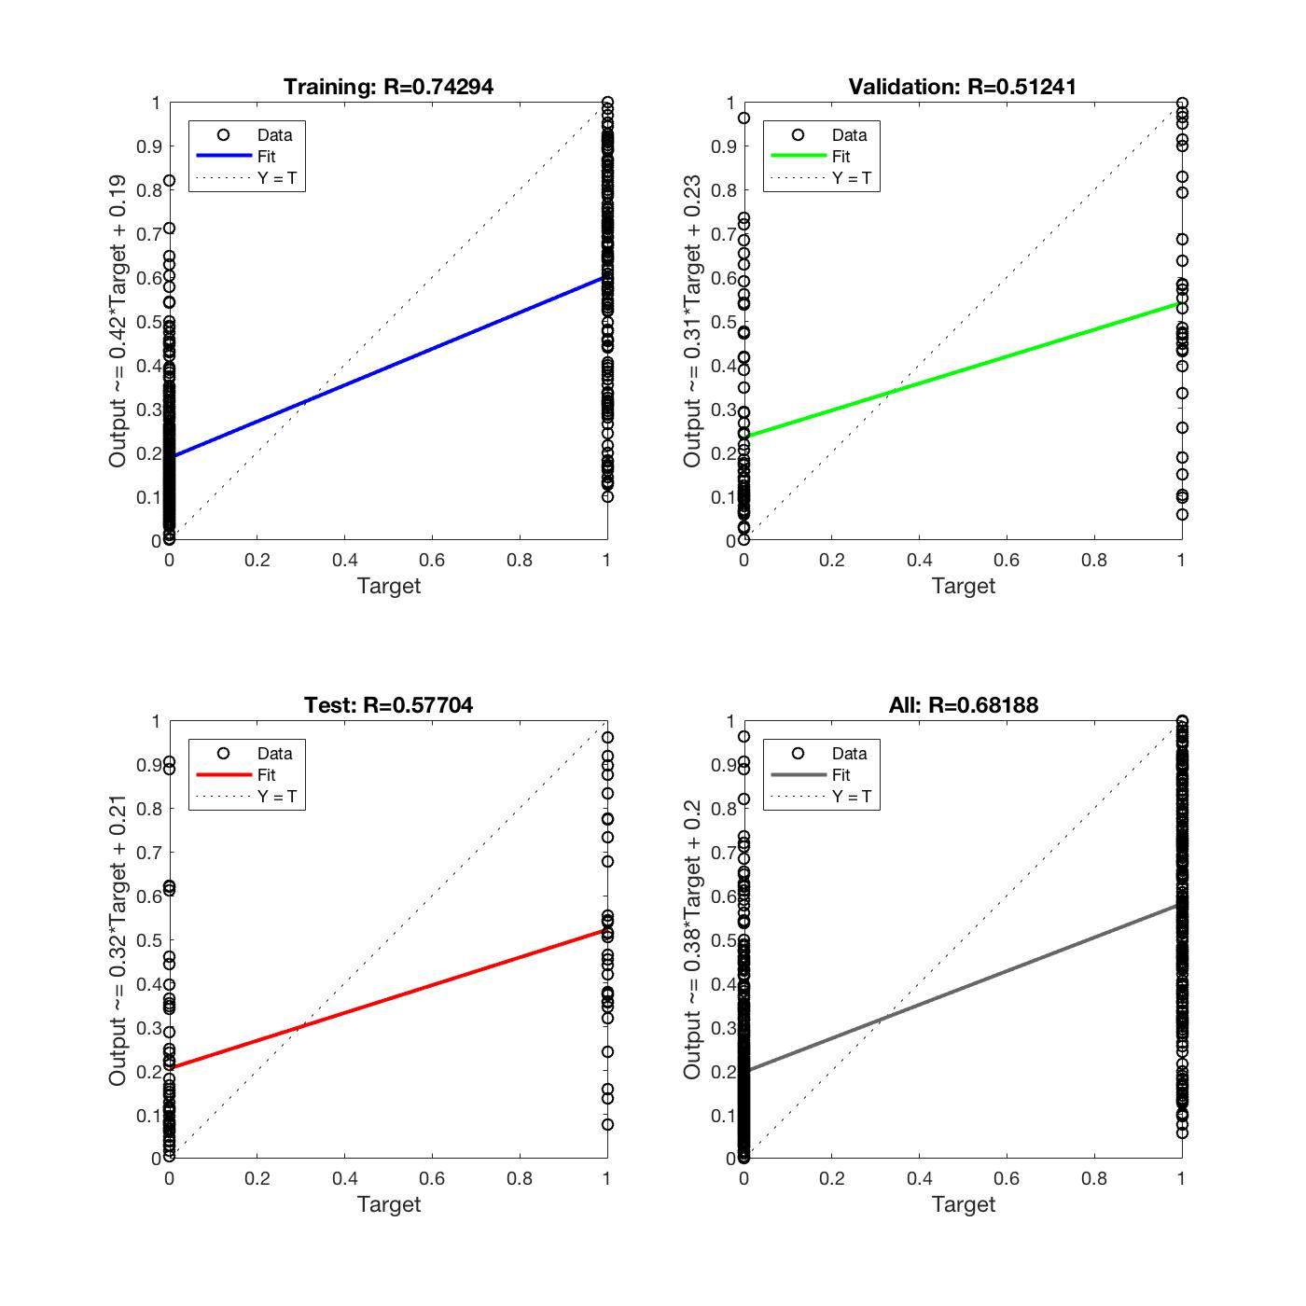
0 | 0 | 1 | No | FP | 5
0 | 0 | 0 | Yes | TP | 0
0 | 0 | 0 | Yes | TP | 0
1 | 1 | 1 | Yes | TN | 0
0 | 0 | 0 | Yes | TP | 0
0 | 0 | 0 | Yes | TP | 0
0 | 0 | 0 | Yes | TP | 0
0 | 0 | 1 | No | FP | 5
0 | 0 | 0 | Yes | TP | 0
0 | 0 | 0 | Yes | TP | 0
1 | 1 | 0 | No | FN | 1
0 | 0 | 1 | No | FP | 5
1 | 1 | 1 | Yes | TN | 0
1 | 1 | 1 | Yes | TN | 0
0 | 0 | 0 | Yes | TP | 0
0 | 0 | 0 | Yes | TP | 0
0 | 0 | 0 | Yes | TP | 0
0 | 0 | 0 | Yes | TP | 0
0 | 0 | 0 | Yes | TP | 0
0 | 0 | 0 | Yes | TP | 0
1 | 1 | 1 | Yes | TN | 0
0 | 0 | 0 | Yes | TP | 0
1 | 1 | 0 | No | FN | 1
0 | 0 | 0 | Yes | TP | 0
0 | 0 | 1 | No | FP | 5
0 | 0 | 0 | Yes | TP | 0
1 | 1 | 1 | Yes | TN | 0
1 | 1 | 1 | Yes | TN | 0
1 | 1 | 1 | Yes | TN | 0
0 | 0 | 1 | No | FP | 5
0 | 0 | 0 | Yes | TP | 0
0 | 0 | 1 | No | FP | 5
0 | 0 | 1 | No | FP | 5
0 | 0 | 0 | Yes | TP | 0
0 | 0 | 0 | Yes | TP | 0
1 | 1 | 0 | No | FN | 1
0 | 0 | 0 | Yes | TP | 0
0 | 0 | 0 | Yes | TP | 0
1 | 1 | 0 | No | FN | 1
0 | 0 | 0 | Yes | TP | 0
0 | 0 | 1 | No | FP | 5
0 | 0 | 1 | No | FP | 5
0 | 0 | 0 | Yes | TP | 0
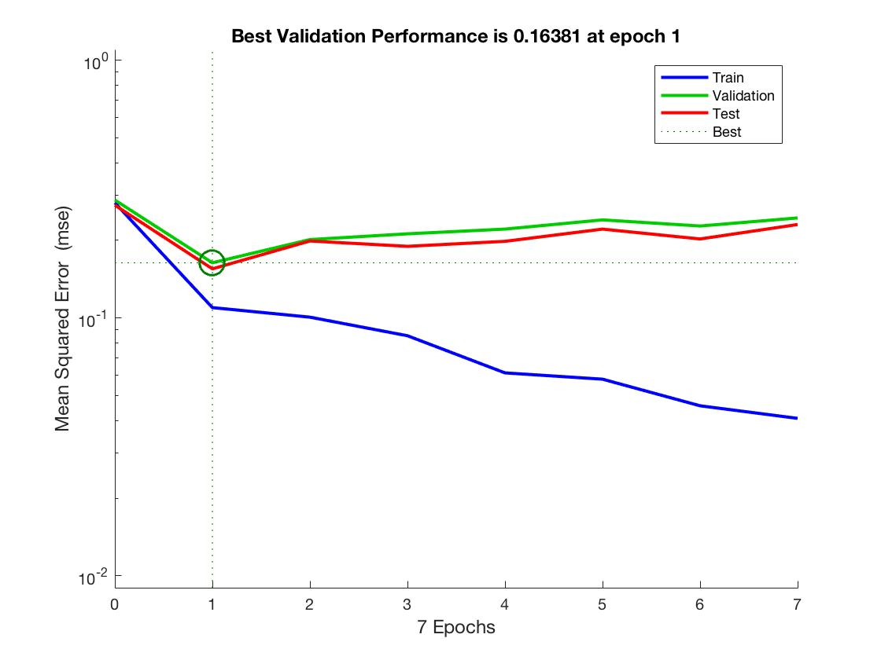
0 | 0 | 1 | No | FP | 5
0 | 0 | 0 | Yes | TP | 0
0 | 0 | 0 | Yes | TP | 0
1 | 1 | 1 | Yes | TN | 0
0 | 0 | 0 | Yes | TP | 0
0 | 0 | 1 | No | FP | 5
0 | 0 | 0 | Yes | TP | 0
0 | 0 | 0 | Yes | TP | 0
0 | 0 | 0 | Yes | TP | 0
0 | 0 | 0 | Yes | TP | 0
0 | 0 | 0 | Yes | TP | 0
1 | 1 | 1 | Yes | TN | 0
0 | 0 | 0 | Yes | TP | 0
0 | 0 | 1 | No | FP | 5
0 | 0 | 0 | Yes | TP | 0
0 | 0 | 1 | No | FP | 5
0 | 0 | 0 | Yes | TP | 0
1 | 1 | 1 | Yes | TN | 0
0 | 0 | 1 | No | FP | 5
0 | 0 | 0 | Yes | TP | 0
0 | 0 | 0 | Yes | TP | 0
1 | 1 | 0 | No | FN | 1
0 | 0 | 0 | Yes | TP | 0
0 | 0 | 1 | No | FP | 5
1 | 1 | 1 | Yes | TN | 0
0 | 0 | 0 | Yes | TP | 0
0 | 0 | 0 | Yes | TP | 0
0 | 0 | 0 | Yes | TP | 0
0 | 0 | 1 | No | FP | 5
0 | 0 | 0 | Yes | TP | 0
0 | 0 | 1 | No | FP | 5
0 | 0 | 1 | No | FP | 5
0 | 0 | 0 | Yes | TP | 0
0 | 0 | 0 | Yes | TP | 0
1 | 1 | 1 | Yes | TN | 0
0 | 0 | 0 | Yes | TP | 0
0 | 0 | 0 | Yes | TP | 0
1 | 1 | 1 | Yes | TN | 0
1 | 1 | 1 | Yes | TN | 0
0 | 0 | 0 | Yes | TP | 0
0 | 0 | 0 | Yes | TP | 0
0 | 0 | 1 | No | FP | 5
0 | 0 | 0 | Yes | TP | 0
0 | 0 | 0 | Yes | TP | 0
0 | 0 | 1 | No | FP | 5
0 | 0 | 0 | Yes | TP | 0
0 | 0 | 0 | Yes | TP | 0
0 | 0 | 0 | Yes | TP | 0
0 | 0 | 0 | Yes | TP | 0
0 | 0 | 0 | Yes | TP | 0
0 | 0 | 0 | Yes | TP | 0
0 | 0 | 0 | Yes | TP | 0
0 | 0 | 1 | No | FP | 5
0 | 0 | 1 | No | FP | 5
1 | 1 | 1 | Yes | TN | 0
0 | 0 | 0 | Yes | TP | 0
0 | 0 | 0 | Yes | TP | 0
0 | 0 | 0 | Yes | TP | 0
0 | 0 | 0 | Yes | TP | 0
0 | 0 | 0 | Yes | TP | 0
0 | 0 | 0 | Yes | TP | 0
0 | 0 | 1 | No | FP | 5
1 | 1 | 1 | Yes | TN | 0
0 | 0 | 0 | Yes | TP | 0
0 | 0 | 0 | Yes | TP | 0
0 | 0 | 1 | No | FP | 5
1 | 1 | 0 | No | FN | 1
1 | 1 | 0 | No | FN | 1
1 | 1 | 1 | Yes | TN | 0
0 | 0 | 0 | Yes | TP | 0
1 | 1 | 1 | Yes | TN | 0
0 | 0 | 1 | No | FP | 5
1 | 1 | 1 | Yes | TN | 0
0 | 0 | 0 | Yes | TP | 0
0 | 0 | 0 | Yes | TP | 0
1 | 1 | 1 | Yes | TN | 0
1 | 1 | 1 | Yes | TN | 0
1 | 1 | 1 | Yes | TN | 0
1 | 1 | 0 | No | FN | 1
1 | 1 | 1 | Yes | TN | 0
0 | 0 | 0 | Yes | TP | 0
1 | 1 | 1 | Yes | TN | 0
0 | 0 | 0 | Yes | TP | 0
1 | 1 | 1 | Yes | TN | 0
0 | 0 | 0 | Yes | TP | 0
0 | 0 | 0 | Yes | TP | 0
0 | 0 | 0 | Yes | TP | 0
0 | 0 | 0 | Yes | TP | 0
1 | 1 | 1 | Yes | TN | 0
0 | 0 | 0 | Yes | TP | 0

NN-Trial#5 (PD61400)
Neural Network "PD61400" Paramter combinations, accuracy, precision, cost point and graphs

Parameter Combinations:
Attributes used (in order) |  | 6 attributes | Glucose, Pregnancy, Age, BMI, Blood Pressure, Diabetic Pedigree Function
Number of layers |  | 1
Number of neurons |  | 400

Calculations:
Classification Type: (Predicted value, Actual value) |  |  |  | Cost Points
 |  | True Positive (TP) = (0, 0) |  | 0
 |  | True Negative (TN) = (1, 1) |  | 0
 |  | False Positive (FP) = (0, 1) |  | 5
 |  | False Negative (FN) = (1, 0) |  | 1

Note: Results are noted in binary: 0 = non-diabetic and 1 = diabetic
Predicted Result (integers) | Predicted Result (Boolean) | Actual Result (in 0/1) | Y/N | Classification Type | Cost points
1 | 1 | 1 | Yes | TN | 0 | Cost Points Total = | 119
0 | 0 | 0 | Yes | TP | 0
0 | 0 | 0 | Yes | TP | 0 | Count of FP | 20
0 | 0 | 0 | Yes | TP | 0 | Count of TN | 34
1 | 1 | 1 | Yes | TN | 0 | Count of FN | 14
0 | 0 | 1 | No | FP | 5 | Count of TP | 81
0 | 0 | 0 | Yes | TP | 0
0 | 0 | 0 | Yes | TP | 0 | Accuracy = (TP + TN) / (TP + TN+FN+FP)
1 | 1 | 0 | No | FN | 1 | Accuracy in % = | 77.18
0 | 0 | 0 | Yes | TP | 0
0 | 0 | 0 | Yes | TP | 0 | Precision = TP / (TP + FP)
0 | 0 | 0 | Yes | TP | 0 | Precision in % = | 80.20
0 | 0 | 0 | Yes | TP | 0
0 | 0 | 0 | Yes | TP | 0 | Error Rate = (FP + FN) / (TP+TN+FN+FP)
0 | 0 | 0 | Yes | TP | 0 | Error Rate in % = | 22.82
0 | 0 | 0 | Yes | TP | 0
1 | 1 | 1 | Yes | TN | 0 | Recall (sensitivity) = TP / (TP+FN)
0 | 0 | 0 | Yes | TP | 0 | Recall in % = | 85.26 | <<=== Recall calculation is 100 in your sheet, could you please reconfirm it
0 | 0 | 0 | Yes | TP | 0
0 | 0 | 0 | Yes | TP | 0
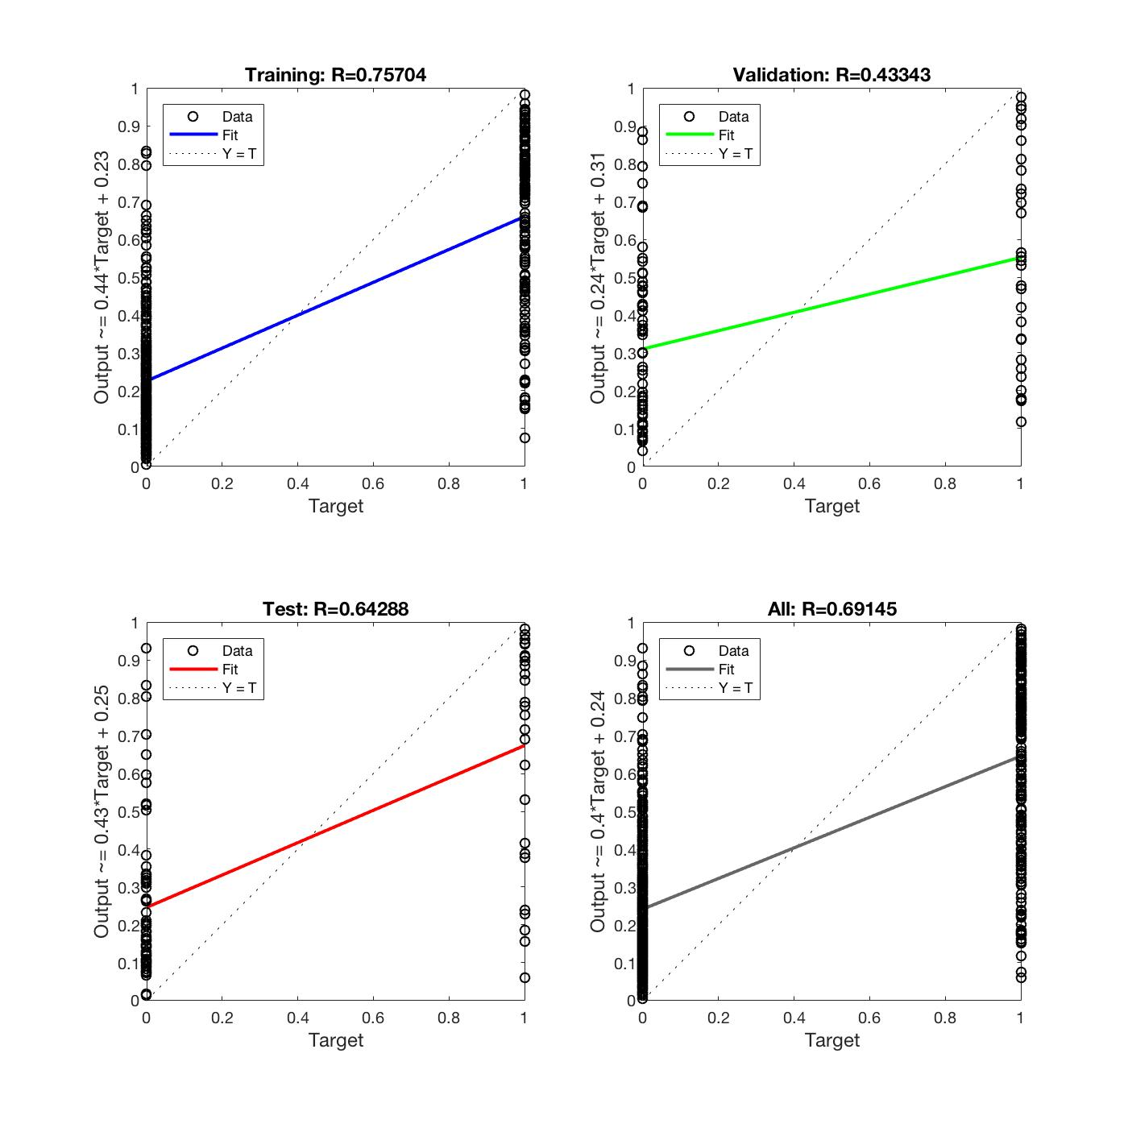
0 | 0 | 0 | Yes | TP | 0
0 | 0 | 1 | No | FP | 5
0 | 0 | 0 | Yes | TP | 0
0 | 0 | 0 | Yes | TP | 0
1 | 1 | 1 | Yes | TN | 0
0 | 0 | 0 | Yes | TP | 0
0 | 0 | 0 | Yes | TP | 0
0 | 0 | 0 | Yes | TP | 0
0 | 0 | 1 | No | FP | 5
0 | 0 | 0 | Yes | TP | 0
0 | 0 | 0 | Yes | TP | 0
1 | 1 | 0 | No | FN | 1
0 | 0 | 1 | No | FP | 5
1 | 1 | 1 | Yes | TN | 0
0 | 0 | 1 | No | FP | 5
0 | 0 | 0 | Yes | TP | 0
0 | 0 | 0 | Yes | TP | 0
0 | 0 | 0 | Yes | TP | 0
0 | 0 | 0 | Yes | TP | 0
0 | 0 | 0 | Yes | TP | 0
0 | 0 | 0 | Yes | TP | 0
1 | 1 | 1 | Yes | TN | 0
0 | 0 | 0 | Yes | TP | 0
1 | 1 | 0 | No | FN | 1
1 | 1 | 0 | No | FN | 1
0 | 0 | 1 | No | FP | 5
0 | 0 | 0 | Yes | TP | 0
1 | 1 | 1 | Yes | TN | 0
1 | 1 | 1 | Yes | TN | 0
1 | 1 | 1 | Yes | TN | 0
0 | 0 | 1 | No | FP | 5
0 | 0 | 0 | Yes | TP | 0
0 | 0 | 1 | No | FP | 5
0 | 0 | 1 | No | FP | 5
0 | 0 | 0 | Yes | TP | 0
1 | 1 | 0 | No | FN | 1
1 | 1 | 0 | No | FN | 1
0 | 0 | 0 | Yes | TP | 0
1 | 1 | 0 | No | FN | 1
0 | 0 | 0 | Yes | TP | 0
0 | 0 | 0 | Yes | TP | 0
1 | 1 | 1 | Yes | TN | 0
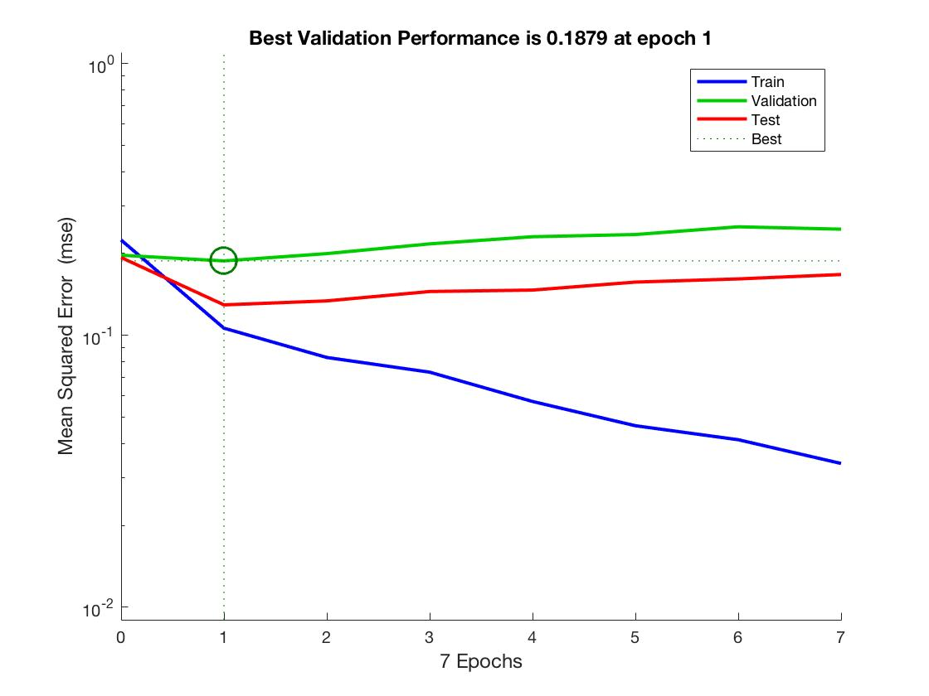
0 | 0 | 1 | No | FP | 5
0 | 0 | 0 | Yes | TP | 0
0 | 0 | 1 | No | FP | 5
0 | 0 | 0 | Yes | TP | 0
0 | 0 | 0 | Yes | TP | 0
1 | 1 | 1 | Yes | TN | 0
0 | 0 | 0 | Yes | TP | 0
0 | 0 | 1 | No | FP | 5
0 | 0 | 0 | Yes | TP | 0
0 | 0 | 0 | Yes | TP | 0
0 | 0 | 0 | Yes | TP | 0
0 | 0 | 0 | Yes | TP | 0
0 | 0 | 0 | Yes | TP | 0
1 | 1 | 1 | Yes | TN | 0
1 | 1 | 0 | No | FN | 1
1 | 1 | 1 | Yes | TN | 0
0 | 0 | 0 | Yes | TP | 0
1 | 1 | 1 | Yes | TN | 0
0 | 0 | 0 | Yes | TP | 0
0 | 0 | 1 | No | FP | 5
1 | 1 | 1 | Yes | TN | 0
0 | 0 | 0 | Yes | TP | 0
0 | 0 | 0 | Yes | TP | 0
1 | 1 | 0 | No | FN | 1
0 | 0 | 0 | Yes | TP | 0
1 | 1 | 1 | Yes | TN | 0
1 | 1 | 1 | Yes | TN | 0
1 | 1 | 0 | No | FN | 1
0 | 0 | 0 | Yes | TP | 0
0 | 0 | 0 | Yes | TP | 0
0 | 0 | 1 | No | FP | 5
0 | 0 | 0 | Yes | TP | 0
1 | 1 | 1 | Yes | TN | 0
0 | 0 | 1 | No | FP | 5
0 | 0 | 0 | Yes | TP | 0
0 | 0 | 0 | Yes | TP | 0
1 | 1 | 1 | Yes | TN | 0
0 | 0 | 0 | Yes | TP | 0
0 | 0 | 0 | Yes | TP | 0
1 | 1 | 1 | Yes | TN | 0
1 | 1 | 1 | Yes | TN | 0
0 | 0 | 0 | Yes | TP | 0
0 | 0 | 0 | Yes | TP | 0
0 | 0 | 1 | No | FP | 5
0 | 0 | 0 | Yes | TP | 0
0 | 0 | 0 | Yes | TP | 0
1 | 1 | 1 | Yes | TN | 0
1 | 1 | 0 | No | FN | 1
1 | 1 | 0 | No | FN | 1
1 | 1 | 0 | No | FN | 1
0 | 0 | 0 | Yes | TP | 0
0 | 0 | 0 | Yes | TP | 0
0 | 0 | 0 | Yes | TP | 0
0 | 0 | 0 | Yes | TP | 0
0 | 0 | 1 | No | FP | 5
0 | 0 | 1 | No | FP | 5
1 | 1 | 1 | Yes | TN | 0
0 | 0 | 0 | Yes | TP | 0
0 | 0 | 0 | Yes | TP | 0
0 | 0 | 0 | Yes | TP | 0
0 | 0 | 0 | Yes | TP | 0
0 | 0 | 0 | Yes | TP | 0
0 | 0 | 0 | Yes | TP | 0
1 | 1 | 1 | Yes | TN | 0
1 | 1 | 1 | Yes | TN | 0
0 | 0 | 0 | Yes | TP | 0
0 | 0 | 0 | Yes | TP | 0
1 | 1 | 1 | Yes | TN | 0
1 | 1 | 0 | No | FN | 1
0 | 0 | 0 | Yes | TP | 0
0 | 0 | 1 | No | FP | 5
0 | 0 | 0 | Yes | TP | 0
1 | 1 | 1 | Yes | TN | 0
1 | 1 | 1 | Yes | TN | 0
1 | 1 | 1 | Yes | TN | 0
0 | 0 | 0 | Yes | TP | 0
0 | 0 | 0 | Yes | TP | 0
1 | 1 | 1 | Yes | TN | 0
1 | 1 | 1 | Yes | TN | 0
1 | 1 | 1 | Yes | TN | 0
0 | 0 | 0 | Yes | TP | 0
1 | 1 | 1 | Yes | TN | 0
0 | 0 | 0 | Yes | TP | 0
0 | 0 | 1 | No | FP | 5
0 | 0 | 0 | Yes | TP | 0
1 | 1 | 1 | Yes | TN | 0
0 | 0 | 0 | Yes | TP | 0
0 | 0 | 0 | Yes | TP | 0
0 | 0 | 0 | Yes | TP | 0
0 | 0 | 0 | Yes | TP | 0
0 | 0 | 1 | No | FP | 5
0 | 0 | 0 | Yes | TP | 0

